Cost of Equity
Cost of Equity Calculations Formula
Inputs
Risk-free Rate:
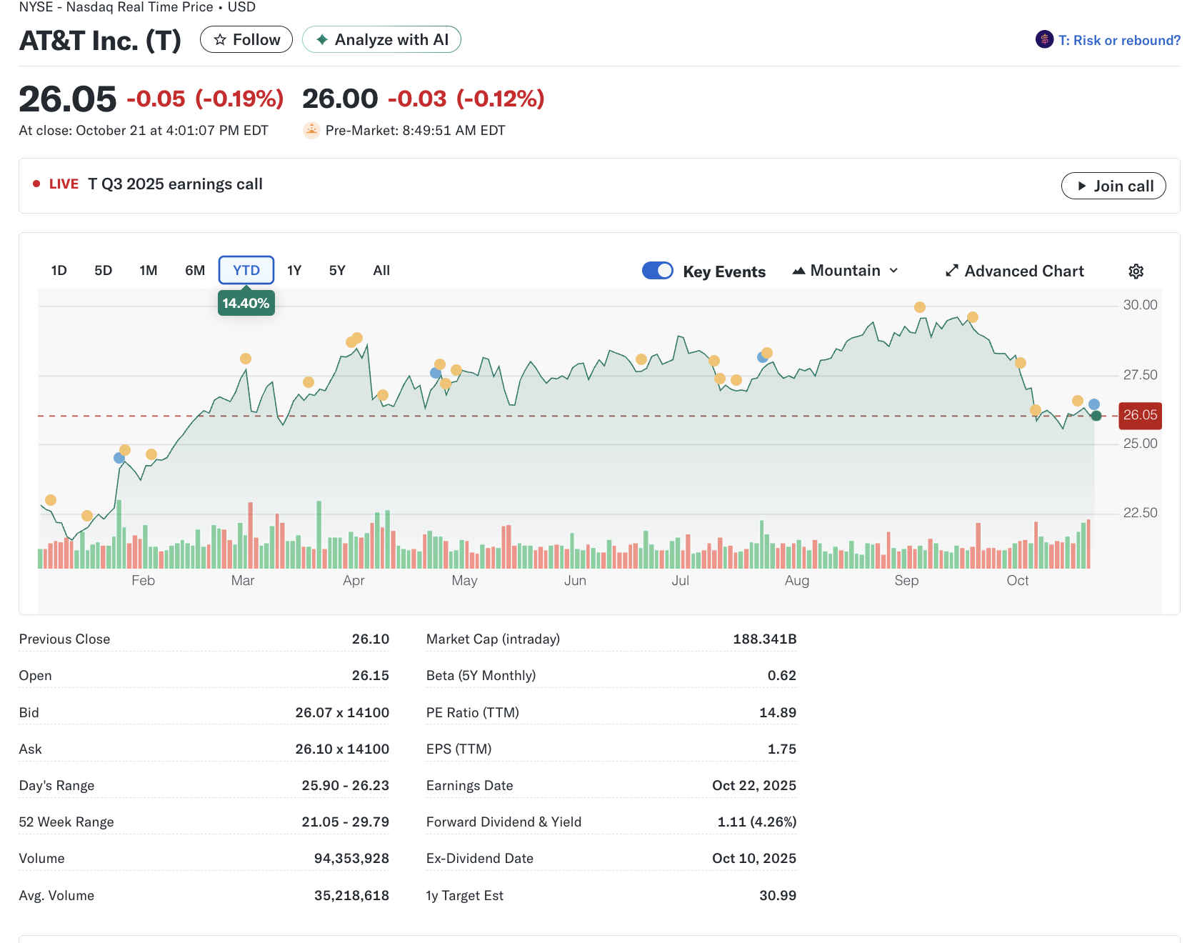
Beta:
MRP:
Outputs
Stock's Risk Premium: | 0.0000%
Cost of Equity (k): | 0.0000%

Cost of Equity Calculations Assignment
Inputs
Risk-free Rate: | 3.953%
Beta: | 0.6200
MRP: | 4.915%
Outputs
Stock's Risk Premium: | 3.0473%
Cost of Equity (k): | 7.0003%

Cost of Equity Calculations AT&T
Inputs
Risk-free Rate: | 4.081%
Beta: | 0.62
MRP: | 4.915%
Outputs
Stock's Risk Premium: | 3.0473%
Cost of Equity (k): | 7.1283%

