Tabelle1
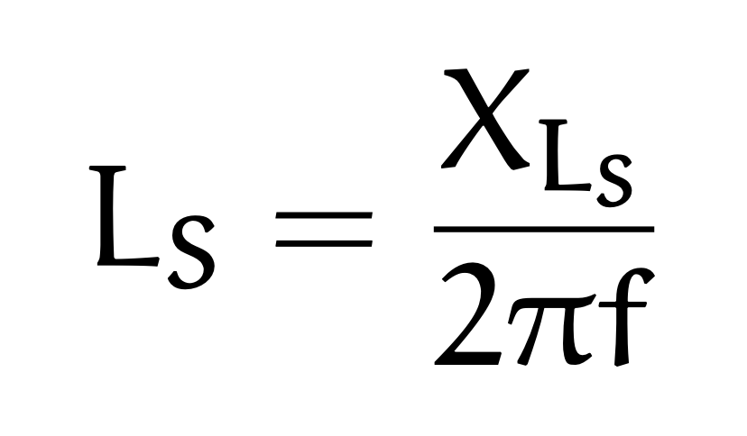
U_L | R_N | U_R_N | \phi_z | f | R_S | X_L_S | L_S
3.6 | 50 | 4 | 15 | 50 | 43.47 | 11.6469 | 0.0371
3.9 | 50 | 3.7 | 60 | 50 | 26.35 | 45.6419 | 0.1453
9 | 50 | 0.52 | 65 | 50 | 365.73 | 784.3048 | 2.4965

