Sheet1
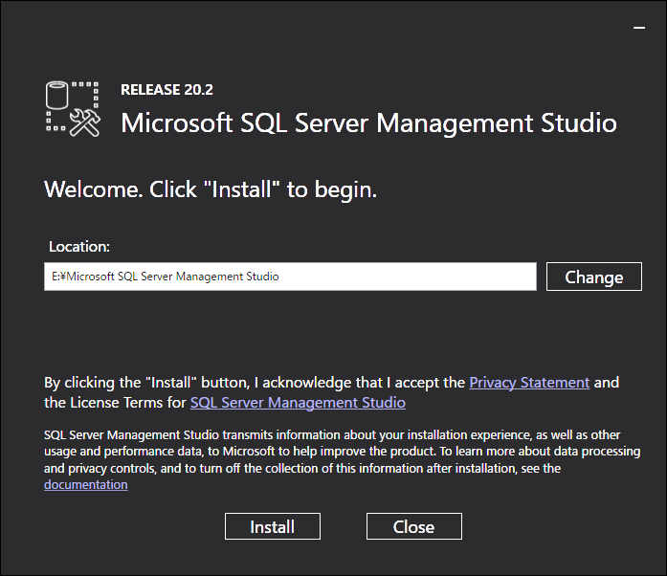
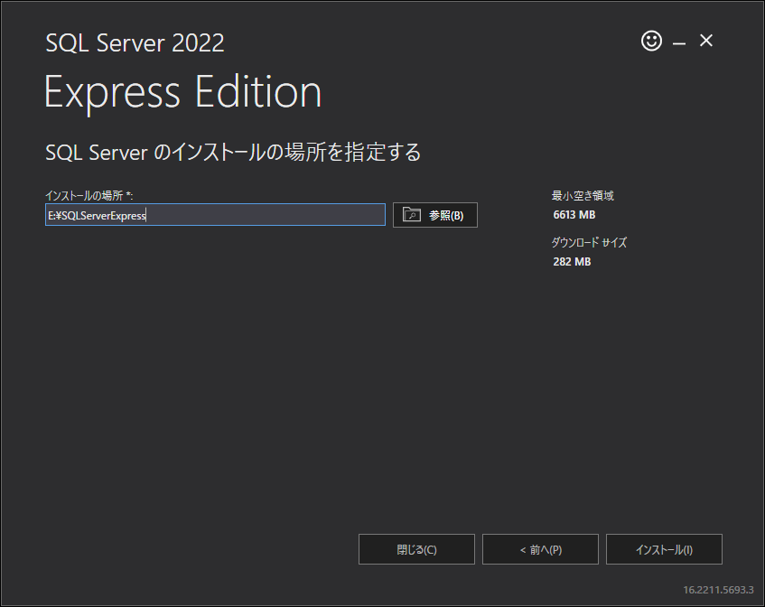

Server=localhost\SQLEXPRESS;Database=master;Trusted_Connection=True;

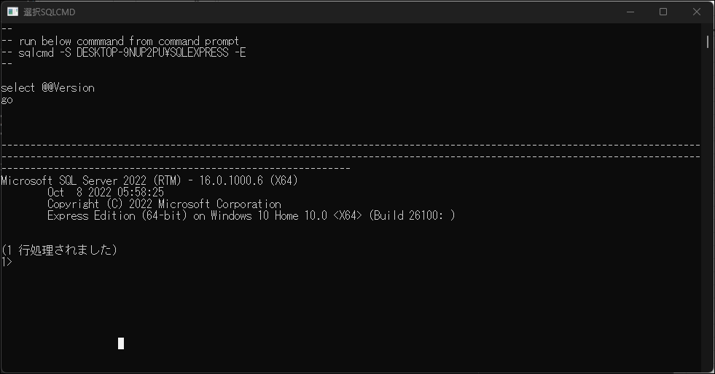

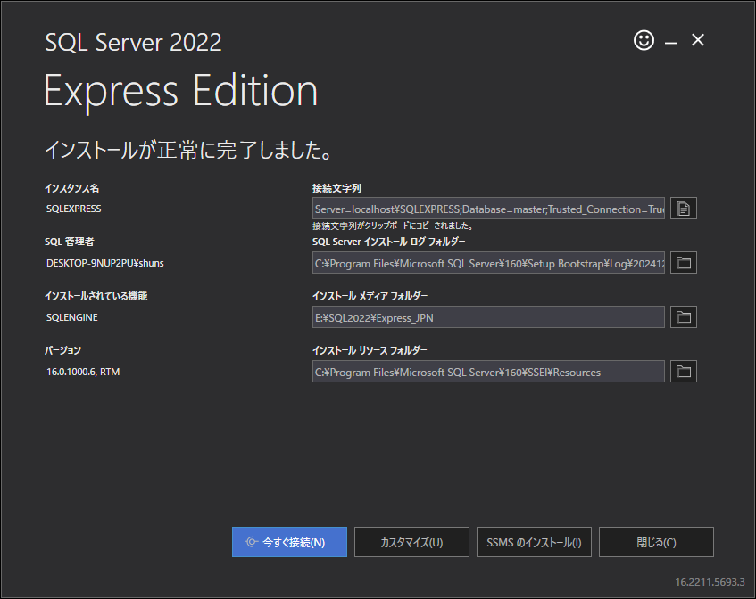

Server=localhost\SQLEXPRESS;Database=master;Trusted_Connection=True;

C:\Program Files\Microsoft SQL Server\160\Setup Bootstrap\Log\20241231_222146

E:\SQL2022\Express_JPN

C:\Program Files\Microsoft SQL Server\160\SSEI\Resources

