Sheet1
Host Side
Test ID | Test Scenerio | Pre Condition | Test Step | Expected Outcome | Actual Outcome | Status | Remarks | Screenshot
1 | Verify successful signup | User is able to sign up with valid credentials. | 1. tap on sign up button. Fill all the mandatory fields with valid data | The system should redirect the user to login page. | User is redirected to login page. | Pass | - | -
2 | Verify system blocks accout creation and sign in with invalid credentials | User is not registered yet. | 1. Enter invalid email address. 2. Enter correct password. 3. Click on sign in button. | System should display invalid email message. | User is not able to submit the data. | Pass |  | -
3 | Verify successful login | User has a verified account. | 1. Enter verified email address. 2. Enter correct password. 3. Click on sign in button. | User should login successfully. | Successful login | Pass | - | -
4 | Verify the homepage loads correctly, displays all key components | User is registered and logged in. | 1. Observe the screen loaded. 2.Scroll down the entire page to ensure all sections load without error. 3. Check that images are rendered clearly. | 1. The homepage loads successfully without any errors. 2. The layout is responsive and visually appealing on the device's screen size. 3. Images load without being pixelated or stretched. | Homepage loaded successfully. All sections displayed correctly. Images were clear, text was legible. | Pass | - | -
5 | Verify that host can successfully complete multistep process of publishing their homestay listing. | 1. User is registered and logged in. 2. Admin has approved of the user. | 1. Click on 'List your property'. 2. Enter basic Details. 3.Add space. 4. Add photos. 5. Select relevent amenities for eachcategories. 6. Add atleast one "Thing to do". 7. Set price per night. 8. Click submit listing. | User should be able to successfully list their property. | User successfully lists their property waiting for admin to approve the homestay. | Pass | 1. The 'List my property' button appears to be broken, redirecting users to the login page until they click it multiple times. 2. Additionally, the user experience may be disrupted by the several stages, which might dull and annoy the user. | -
6 | Verify changing the application language via the language selector successfully translates all user-visible text elements on the page consistently | The page is displayed in the default language. | 1. Click on language sekector component. 2. Choose nepali language from the list. | After the language change action, every user-visible text element on the page should be translated into the newly selected language. | Only the bottom half of the page is translated into Nepali language. | Failed |  | 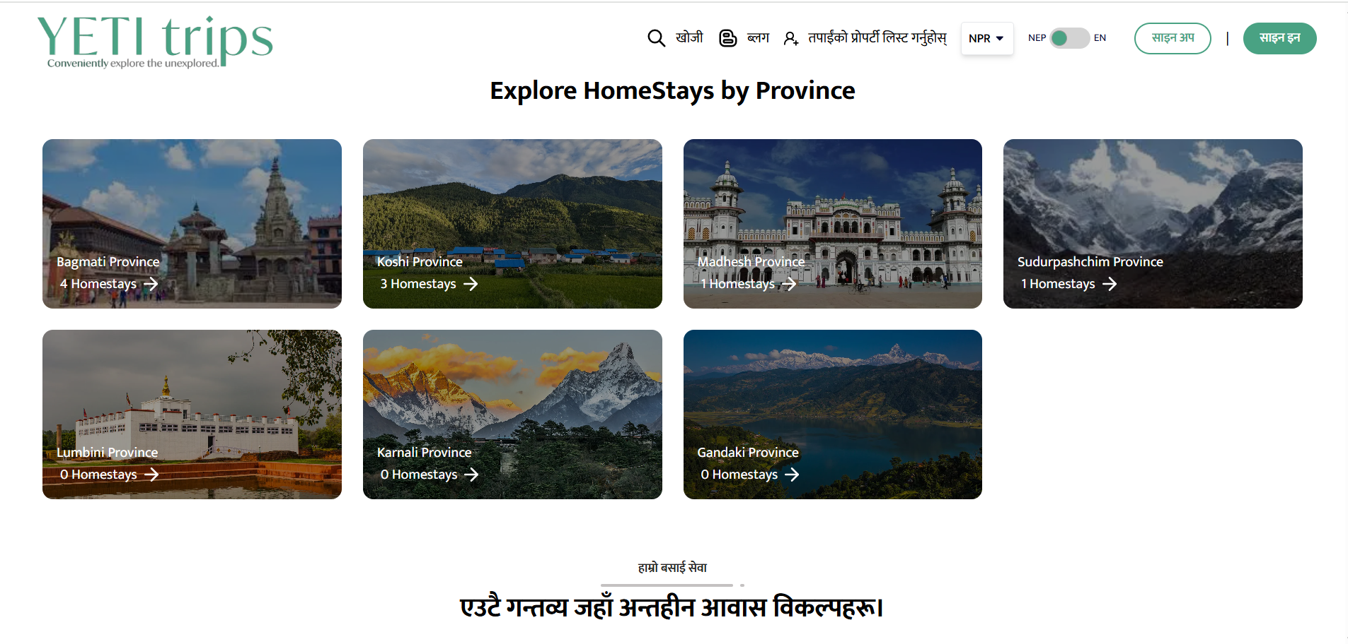
7 | Verify pictures are being loaded correctly | User is on homepage | 1. Scroll down the homepage. 2. Select a homestay property. | All the pictures are rendered and displayed correctly | Some pictures are not being displayed. | Failed |  | 
8 | Verify that all clickable links in the website footer navigate to the correct corresponding pages | User is on any page of the website containing footer. | 1. Scroll all the way to the bottom of the website. 2. Click on each 'Quick Link' provided. | Each link should navigate the user to the correct page | Received a '404 page not found' error on 'Quick link' list | Failed |  | 
9 | Verify that all intended icons, images, and graphical elements are present, loaded correctly, and displayed without visual errors on the specified page | User is on any page of the website containing footer. | 1. Scroll all the way to the bottom of the website. 2. Identify all locations where icons or images are expected to be present. | All expected icons and images are present and visible on the page. | The footor did not display any social media icons | Failed | This has been corrected. | 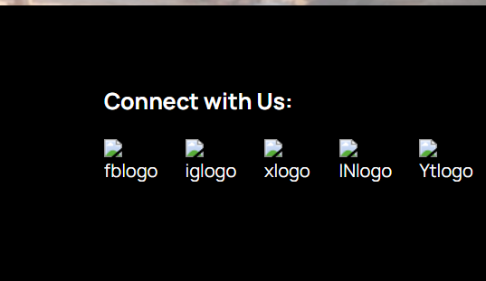
10 | Verify user can successfully complete the booking process for an available homestay, resulting in a confirmed booking | 1. The user has a valid account and is logged into the application. 2. Homestay listing page is active, approved and has availabke dates. | 1. Click on the property. 2. Select how many space are required. 3. Add the property to the cart. 4. Fill out the form with all correct credentials. 5. Choose a payment method. | The booking should appear in the user's "My Bookings" section. | The booking was found in 'My booking' section | Pass | -

Admin Side
Test ID | Test Scenerio | Pre Condition | Test Step | Expected Outcome | Actual Outcome | Status | Remarks | Screenshots
1 | Verify successful admin login. | Admin has a verified account. | 1. Enter verified email address. 2. Enter correct password. 3. Click on sign in button. | Admin should login successfully. | Successful login | Pass | -
2 | Verify admin can successfully navigate from the dashboard to the Property Management section and view a list of all properties. | 1. The admin user is logged out of the admin portal. 2.There is at least one property already existing in the system. | 1. On dashboard menu, locate and click on 'Property Management' section. 2. From the expandedsubmenu, click on 'Property Lists' 3. Observe the page that loads. | The 'Property List' page is displayed with all pre-existing data. | The 'Property List' page displays all pre-existing data. | Pass | -
3 | Verify admin can successfully approve a newly submitted homestay listing. | 1. The host has submitted a new homestay listing. 2. The host has been approved by the admin. | 1. On the Property list page, locate the homestay with the status pending. 2. Click on the Status box to reveal the dropdown menu. 3. Click on the Approved button. | The status is updated fro Pending to Approved. | The status remained unchanged. | Failed | #NAME? | 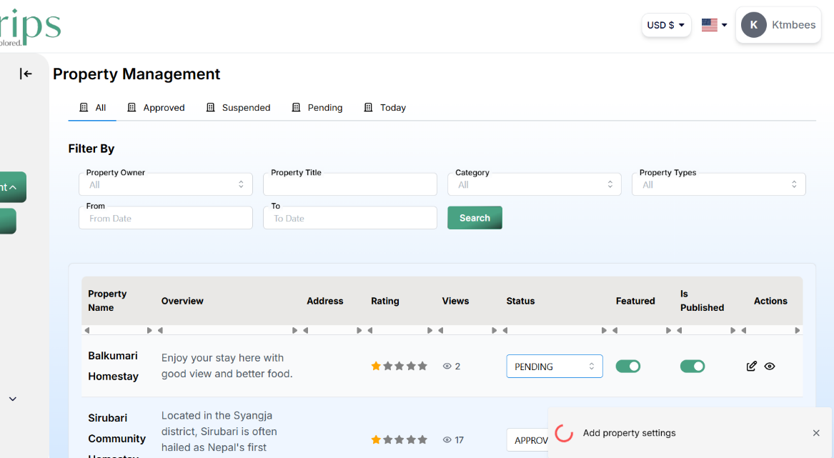
4 | Verify admin can successfully suspend a homestay listing. | 1. The host has submitted a new homestay listing. 2. The host has been approved by the admin. | 1. On the Property list page, locate the homestay with the status pending. 2. Click on the Status box to reveal the dropdown menu. 3. Click on the Suspend button. | The status is updated fro Pending or Approved to Suspended. | The status changed to Suspeded. | Pass | -
5 | Verify the currency is consistently updated to selected currency. | 1. The host is logged in. 2. The default currency is set to Nepali rupees. | 1. Locate the currency selector in the navigation bar. 2. Click on the currency selector and choose USD currency option. | After selecting USD, all monetary values on the page should be converted from NPR to US Dollars. | The currency selector changed to USD but the booking amount remained in NPR | Failed |  | 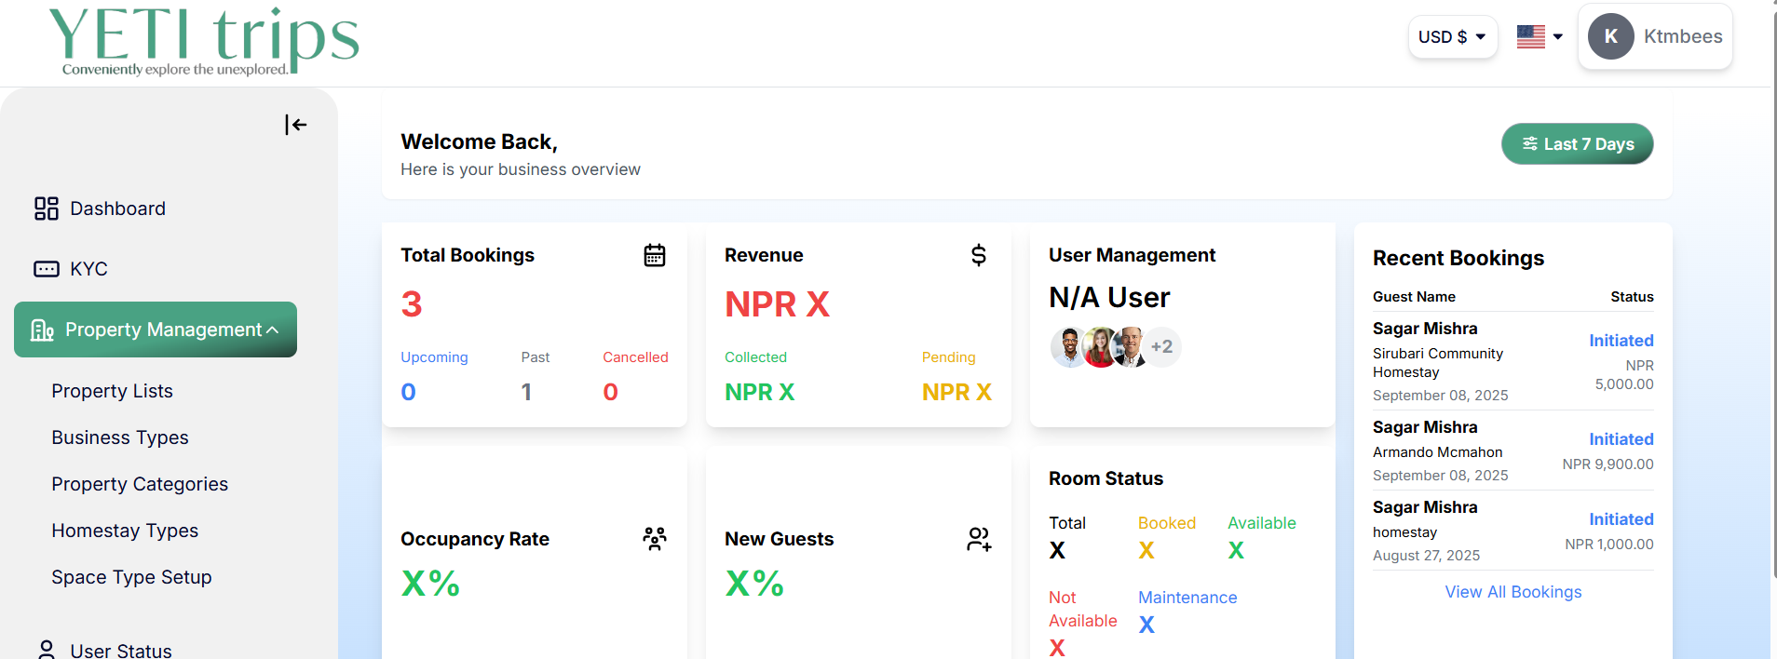
6 | Verify changing the application language via the language selector successfully translates all user-visible text elements on the page consistently | The page is displayed in default language. | 1. Click on language sekector component. 2. Choose nepali language from the list. | After the language change action, every user-visible text element on the page should be translated into the newly selected language. | The laguage remains unchanged. | Failed |  | 