Rep1_10 10 2023
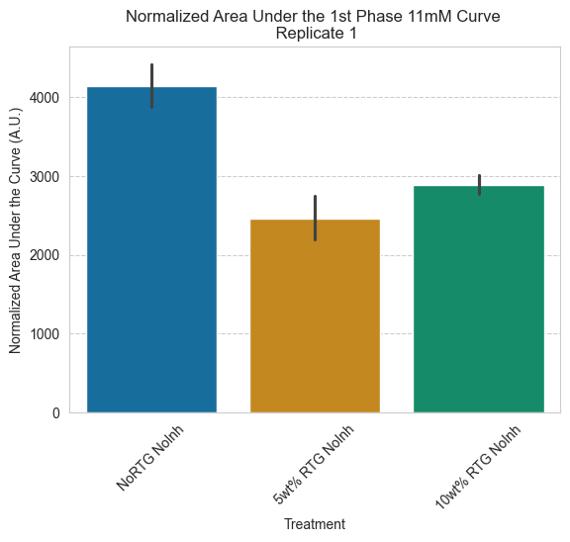
Treatment | Islet | Example Cells | AUC (rect) | AUC (trap)
NoRTG NoInh | 1 - Islet 2 | Cell 1 | 4766.7203402 | 4769.8567421
NoRTG NoInh | 1 - Islet 2 | Cell 8 | 3976.5226796 | 3979.8387845
NoRTG NoInh | 1 - Islet 2 | Cell 14 | 4054.864023 | 4058.447512
NoRTG NoInh | 1 - Islet 2 | Cell 18 | 3914.6409002 | 3917.1757275
NoRTG NoInh | 1 - Islet 2 | Cell 20 | 5275.7422284 | 5279.5834348
NoRTG NoInh | 1 - Islet 2 | AVG | 3579.3829114 | 3582.5695985
NoRTG NoInh | 2 - Islet 2 | Cell 3 | 4673.6936082 | 4677.475133
NoRTG NoInh | 2 - Islet 2 | Cell 5 | 3969.9064964 | 3972.6022085
NoRTG NoInh | 2 - Islet 2 | Cell 7 | 3725.8111259 | 3728.5615158
NoRTG NoInh | 2 - Islet 2 | Cell 8 | 3488.3104239 | 3491.0480843
NoRTG NoInh | 2 - Islet 2 | Cell 13 | 4357.6161886 | 4359.4975784
NoRTG NoInh | 2 - Islet 2 | AVG | 3862.056556 | 3864.9740376
5wt% RTG NoInh | Islet 1 | Cell 1 | 2110.605793 | 2110.6454474
5wt% RTG NoInh | Islet 1 | Cell 3 | 2623.7753969 | 2624.7972576
5wt% RTG NoInh | Islet 1 | Cell 15 | 1989.4719597 | 1990.8127878
5wt% RTG NoInh | Islet 1 | Cell 18 | 3117.6659173 | 3119.4460432
5wt% RTG NoInh | Islet 1 | Cell 19 | 2464.9811603 | 2466.3642344
5wt% RTG NoInh | Islet 1 | AVG | 2420.2393581 | 2420.8915621
10wt% RTG NoInh | Islet 2 | Cell 13 | 2723.3362403 | 2731.0187597
10wt% RTG NoInh | Islet 2 | Cell 14 | 3054.8754704 | 3059.3909121
10wt% RTG NoInh | Islet 2 | Cell 17 | 2757.6915302 | 2762.7979554
10wt% RTG NoInh | Islet 2 | Cell 21 | 2733.1951083 | 2739.1726566
10wt% RTG NoInh | Islet 2 | Cell 23 | 2924.3056183 | 2929.542378
10wt% RTG NoInh | Islet 2 | AVG | 3122.397124 | 3127.203405

Rep2_10 31 2023
Treatment | Islet | Example Cells | AUC (rect) | AUC (trap)
NoRTG NoInh | Islet 1 | Cell 4 | 3709.857 | 3715.331
NoRTG NoInh | Islet 1 | Cell 8 | 3105.226 | 3109.213
NoRTG NoInh | Islet 1 | Cell 12 | 3933.953 | 3936.923
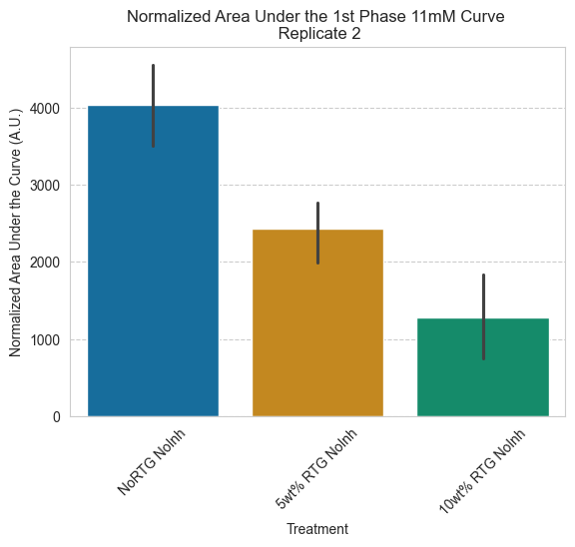
NoRTG NoInh | Islet 1 | Cell 15 | 4811.07 | 4816.465
NoRTG NoInh | Islet 1 | Cell 33 | 5009.644 | 5015.448
NoRTG NoInh | Islet 1 | AVG | 3606.275 | 3610.186
5wt% RTG NoInh | Islet 1 | Cell 13 | 2535.458 | 2545.323
5wt% RTG NoInh | Islet 1 | Cell 20 | 2584.657 | 2591.98
5wt% RTG NoInh | Islet 1 | Cell 24 | 2547.882 | 2554.679
5wt% RTG NoInh | Islet 1 | Cell 27 | 3162.156 | 3170.725
5wt% RTG NoInh | Islet 1 | Cell 40 | 1529.435 | 1533.526
5wt% RTG NoInh | Islet 1 | AVG | 2240.542 | 2244.296
10wt% RTG NoInh | Islet 3 | Cell 2 | 1056.043 | 1060.103
10wt% RTG NoInh | Islet 3 | Cell 3 | 981.9869 | 986.3852
10wt% RTG NoInh | Islet 3 | Cell 13 | 262.0029 | 262.2844
10wt% RTG NoInh | Islet 3 | Cell 18 | 2520.579 | 2529.457
10wt% RTG NoInh | Islet 3 | Cell 24 | 1582.133 | 1590.468
10wt% RTG NoInh | Islet 3 | AVG | 1318.769 | 1322.76

Rep3_11 14 2023
Treatment | Islet | Example Cells | AUC (rect) | AUC (trap)
NoRTG NoInh | Islet 2 | Cell 6 | 3551.4541804 | 3554.2857187
NoRTG NoInh | Islet 2 | Cell 7 | 5746.0196788 | 5750.0765531
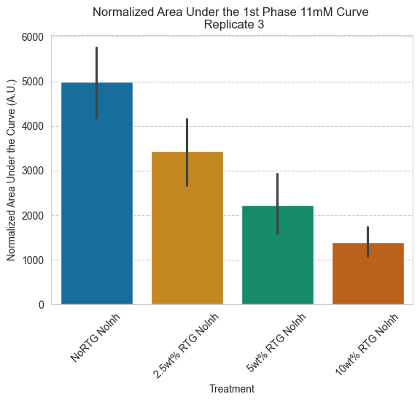
NoRTG NoInh | Islet 2 | Cell 8 | 3891.7000195 | 3894.3126058
NoRTG NoInh | Islet 2 | Cell 10 | 5709.8034148 | 5714.3742284
NoRTG NoInh | Islet 2 | Cell 11 | 6320.2434492 | 6324.2423382
NoRTG NoInh | Islet 2 | AVG | 4727.0627382 | 4730.292251
2.5wt% RTG NoInh | Islet 1 | Cell 9 | 2002.1326613 | 2003.6469758
2.5wt% RTG NoInh | Islet 1 | Cell 13 | 4600.1063309 | 4601.7148449
2.5wt% RTG NoInh | Islet 1 | Cell 15 | 2957.4023095 | 2961.8350462
2.5wt% RTG NoInh | Islet 1 | Cell 16 | 2882.8640141 | 2884.6331398
2.5wt% RTG NoInh | Islet 1 | Cell 17 | 4018.2348714 | 4021.9152789
2.5wt% RTG NoInh | Islet 1 | AVG | 4209.3729975 | 4213.8841
5wt% RTG NoInh | Islet 1 | Cell 2 | 1287.719322 | 1288.0274918
5wt% RTG NoInh | Islet 1 | Cell 3 | 1330.4075949 | 1331.1452532
5wt% RTG NoInh | Islet 1 | Cell 4 | 1685.069697 | 1686.4922348
5wt% RTG NoInh | Islet 1 | Cell 5 | 3500.385 | 3503.2525
5wt% RTG NoInh | Islet 1 | Cell 24 | 2615.9 | 2618.0190909
5wt% RTG NoInh | Islet 1 | AVG | 2968.693565 | 2971.2875392
10wt% RTG NoInh | Islet 1 | Cell 4 | 1719.2745527 | 1721.3478321
10wt% RTG NoInh | Islet 1 | Cell 5 | 1662.7146217 | 1665.6108809
10wt% RTG NoInh | Islet 1 | Cell 7 | 1041.7620432 | 1043.1280316
10wt% RTG NoInh | Islet 1 | Cell 16 | 2054.9133943 | 2057.0776001
10wt% RTG NoInh | Islet 1 | Cell 20 | 964.0011828 | 965.79722446
10wt% RTG NoInh | Islet 1 | AVG | 945.192245 | 946.56446137

All Data
Treatment | Islet | Example Cells | AUC (rect) | AUC (trap) | Rep
NoRTG NoInh | 1 - Islet 2 | Cell 1 | 4766.7203402 | 4769.8567421 | 1
NoRTG NoInh | 1 - Islet 2 | Cell 8 | 3976.5226796 | 3979.8387845 | 1
NoRTG NoInh | 1 - Islet 2 | Cell 14 | 4054.864023 | 4058.447512 | 1
NoRTG NoInh | 1 - Islet 2 | Cell 18 | 3914.6409002 | 3917.1757275 | 1
NoRTG NoInh | 1 - Islet 2 | Cell 20 | 5275.7422284 | 5279.5834348 | 1
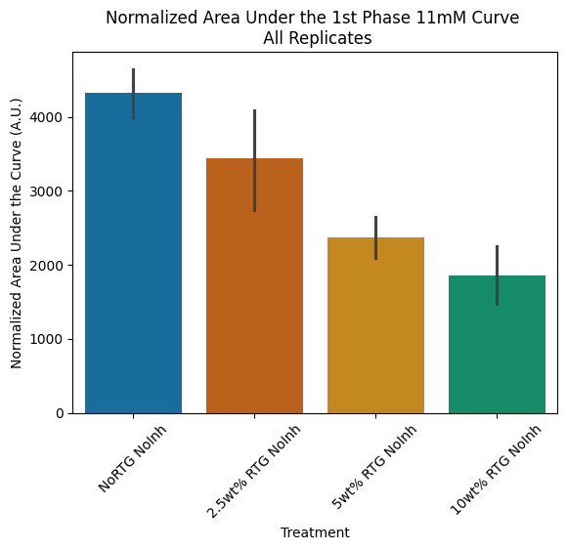
NoRTG NoInh | 1 - Islet 2 | AVG | 3579.3829114 | 3582.5695985 | 1
NoRTG NoInh | 2 - Islet 2 | Cell 3 | 4673.6936082 | 4677.475133 | 1
NoRTG NoInh | 2 - Islet 2 | Cell 5 | 3969.9064964 | 3972.6022085 | 1
NoRTG NoInh | 2 - Islet 2 | Cell 7 | 3725.8111259 | 3728.5615158 | 1
NoRTG NoInh | 2 - Islet 2 | Cell 8 | 3488.3104239 | 3491.0480843 | 1
NoRTG NoInh | 2 - Islet 2 | Cell 13 | 4357.6161886 | 4359.4975784 | 1
NoRTG NoInh | 2 - Islet 2 | AVG | 3862.056556 | 3864.9740376 | 1
5wt% RTG NoInh | Islet 1 | Cell 1 | 2110.605793 | 2110.6454474 | 1
5wt% RTG NoInh | Islet 1 | Cell 3 | 2623.7753969 | 2624.7972576 | 1
5wt% RTG NoInh | Islet 1 | Cell 15 | 1989.4719597 | 1990.8127878 | 1
5wt% RTG NoInh | Islet 1 | Cell 18 | 3117.6659173 | 3119.4460432 | 1
5wt% RTG NoInh | Islet 1 | Cell 19 | 2464.9811603 | 2466.3642344 | 1
5wt% RTG NoInh | Islet 1 | AVG | 2420.2393581 | 2420.8915621 | 1
10wt% RTG NoInh | Islet 2 | Cell 13 | 2723.3362403 | 2731.0187597 | 1
10wt% RTG NoInh | Islet 2 | Cell 14 | 3054.8754704 | 3059.3909121 | 1
10wt% RTG NoInh | Islet 2 | Cell 17 | 2757.6915302 | 2762.7979554 | 1
10wt% RTG NoInh | Islet 2 | Cell 21 | 2733.1951083 | 2739.1726566 | 1
10wt% RTG NoInh | Islet 2 | Cell 23 | 2924.3056183 | 2929.542378 | 1
10wt% RTG NoInh | Islet 2 | AVG | 3122.397124 | 3127.203405 | 1
NoRTG NoInh | Islet 1 | Cell 4 | 3709.857 | 3715.331 | 2
NoRTG NoInh | Islet 1 | Cell 8 | 3105.226 | 3109.213 | 2
NoRTG NoInh | Islet 1 | Cell 12 | 3933.953 | 3936.923 | 2
NoRTG NoInh | Islet 1 | Cell 15 | 4811.07 | 4816.465 | 2
NoRTG NoInh | Islet 1 | Cell 33 | 5009.644 | 5015.448 | 2
NoRTG NoInh | Islet 1 | AVG | 3606.275 | 3610.186 | 2
5wt% RTG NoInh | Islet 1 | Cell 13 | 2535.458 | 2545.323 | 2
5wt% RTG NoInh | Islet 1 | Cell 20 | 2584.657 | 2591.98 | 2
5wt% RTG NoInh | Islet 1 | Cell 24 | 2547.882 | 2554.679 | 2
5wt% RTG NoInh | Islet 1 | Cell 27 | 3162.156 | 3170.725 | 2
5wt% RTG NoInh | Islet 1 | Cell 40 | 1529.435 | 1533.526 | 2
5wt% RTG NoInh | Islet 1 | AVG | 2240.542 | 2244.296 | 2
10wt% RTG NoInh | Islet 3 | Cell 2 | 1056.043 | 1060.103 | 2
10wt% RTG NoInh | Islet 3 | Cell 3 | 981.9869 | 986.3852 | 2
10wt% RTG NoInh | Islet 3 | Cell 13 | 262.0029 | 262.2844 | 2
10wt% RTG NoInh | Islet 3 | Cell 18 | 2520.579 | 2529.457 | 2
10wt% RTG NoInh | Islet 3 | Cell 24 | 1582.133 | 1590.468 | 2
10wt% RTG NoInh | Islet 3 | AVG | 1318.769 | 1322.76 | 2
NoRTG NoInh | Islet 2 | Cell 6 | 3551.4541804 | 3554.2857187 | 3
NoRTG NoInh | Islet 2 | Cell 7 | 5746.0196788 | 5750.0765531 | 3
NoRTG NoInh | Islet 2 | Cell 8 | 3891.7000195 | 3894.3126058 | 3
NoRTG NoInh | Islet 2 | Cell 10 | 5709.8034148 | 5714.3742284 | 3
NoRTG NoInh | Islet 2 | Cell 11 | 6320.2434492 | 6324.2423382 | 3
NoRTG NoInh | Islet 2 | AVG | 4727.0627382 | 4730.292251 | 3
2.5wt% RTG NoInh | Islet 1 | Cell 9 | 2002.1326613 | 2003.6469758 | 3
2.5wt% RTG NoInh | Islet 1 | Cell 13 | 4600.1063309 | 4601.7148449 | 3
2.5wt% RTG NoInh | Islet 1 | Cell 15 | 2957.4023095 | 2961.8350462 | 3
2.5wt% RTG NoInh | Islet 1 | Cell 16 | 2882.8640141 | 2884.6331398 | 3
2.5wt% RTG NoInh | Islet 1 | Cell 17 | 4018.2348714 | 4021.9152789 | 3
2.5wt% RTG NoInh | Islet 1 | AVG | 4209.3729975 | 4213.8841 | 3
5wt% RTG NoInh | Islet 1 | Cell 2 | 1287.719322 | 1288.0274918 | 3
5wt% RTG NoInh | Islet 1 | Cell 3 | 1330.4075949 | 1331.1452532 | 3
5wt% RTG NoInh | Islet 1 | Cell 4 | 1685.069697 | 1686.4922348 | 3
5wt% RTG NoInh | Islet 1 | Cell 5 | 3500.385 | 3503.2525 | 3
5wt% RTG NoInh | Islet 1 | Cell 24 | 2615.9 | 2618.0190909 | 3
5wt% RTG NoInh | Islet 1 | AVG | 2968.693565 | 2971.2875392 | 3
10wt% RTG NoInh | Islet 1 | Cell 4 | 1719.2745527 | 1721.3478321 | 3
10wt% RTG NoInh | Islet 1 | Cell 5 | 1662.7146217 | 1665.6108809 | 3
10wt% RTG NoInh | Islet 1 | Cell 7 | 1041.7620432 | 1043.1280316 | 3
10wt% RTG NoInh | Islet 1 | Cell 16 | 2054.9133943 | 2057.0776001 | 3
10wt% RTG NoInh | Islet 1 | Cell 20 | 964.0011828 | 965.79722446 | 3
10wt% RTG NoInh | Islet 1 | AVG | 945.192245 | 946.56446137 | 3

