Figure S1
Supplementary Material
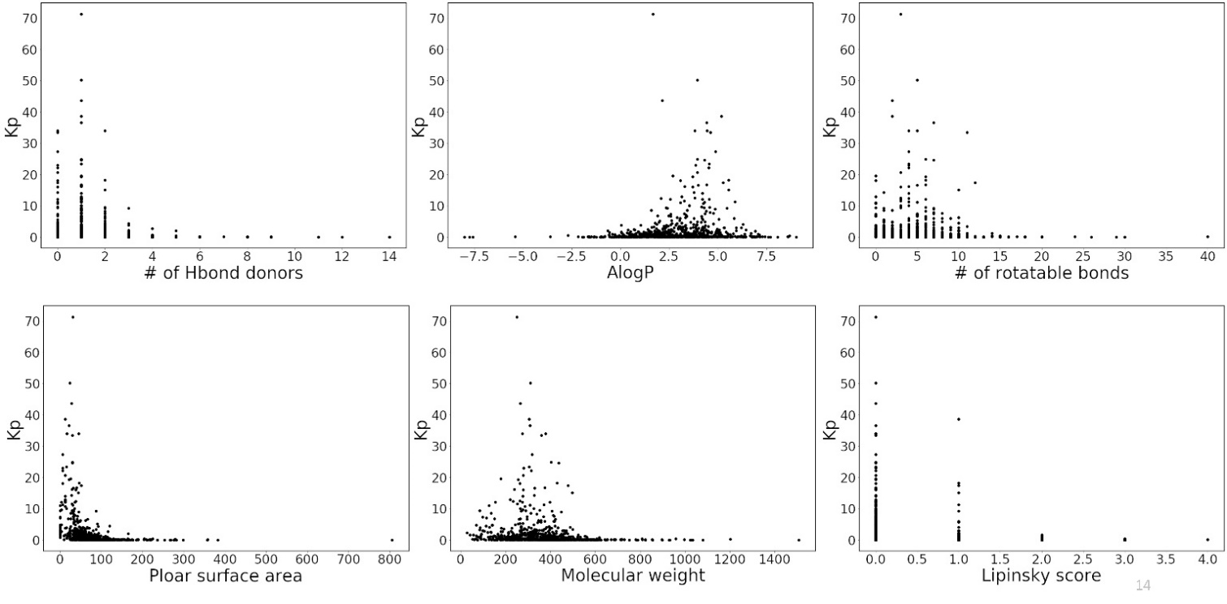

Figure S1. Brain-to-plasma concentration ratio (Kp) of compounds in the training set as a function of molecular proerties

Figure S2-S4
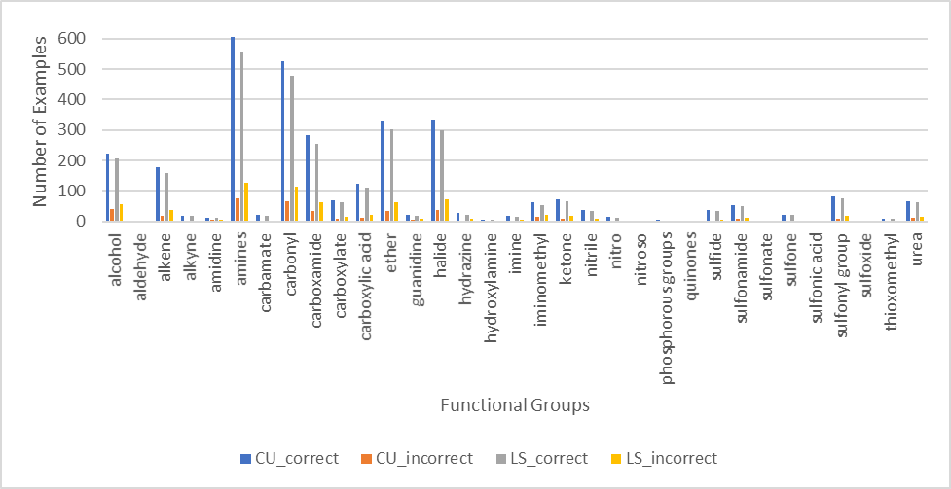

Figure S2: Training set prediction analysis by functional group for LS and CU

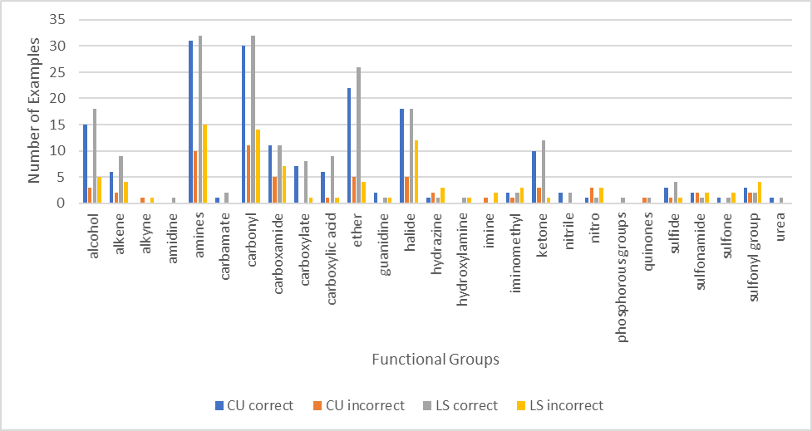

Figure S3: External set prediction analysis by functional group for LS and CU

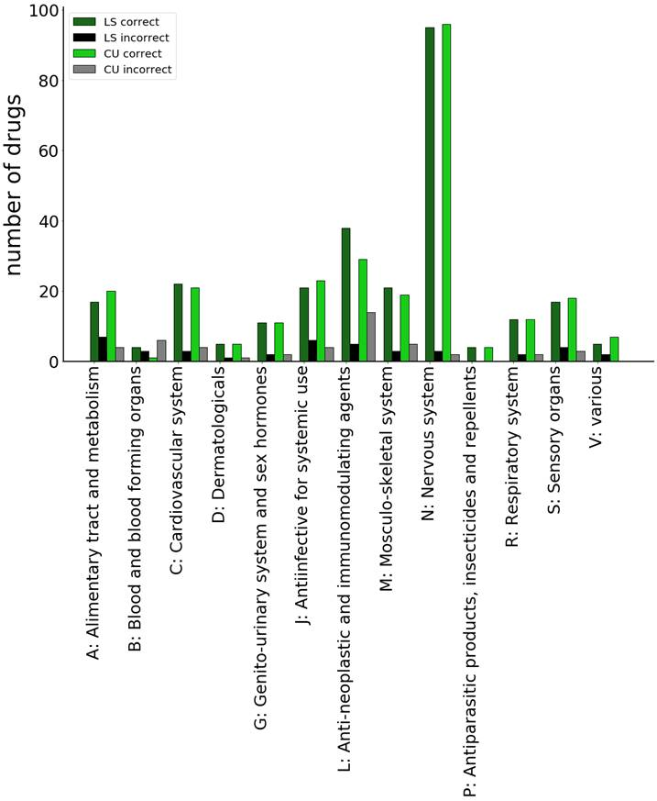
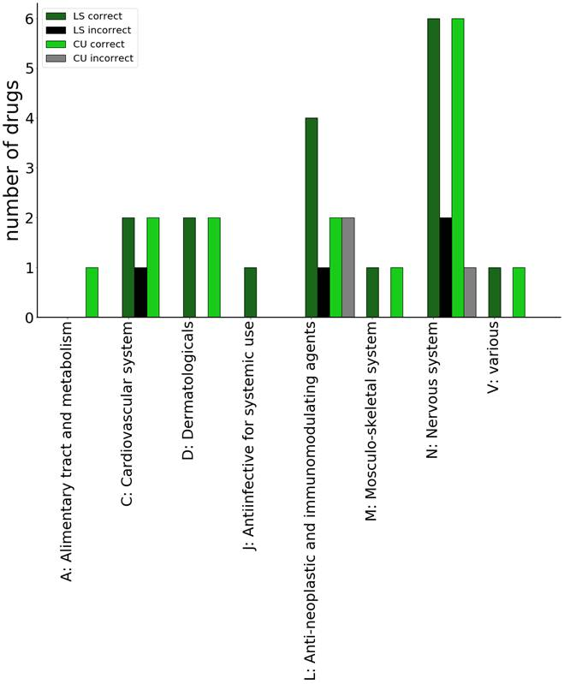

Figure S4: Training set prediction analysis by drug classes for LS and CU (left). External set prediction analysis by drug classes for LS and CU (right)

Figure S5
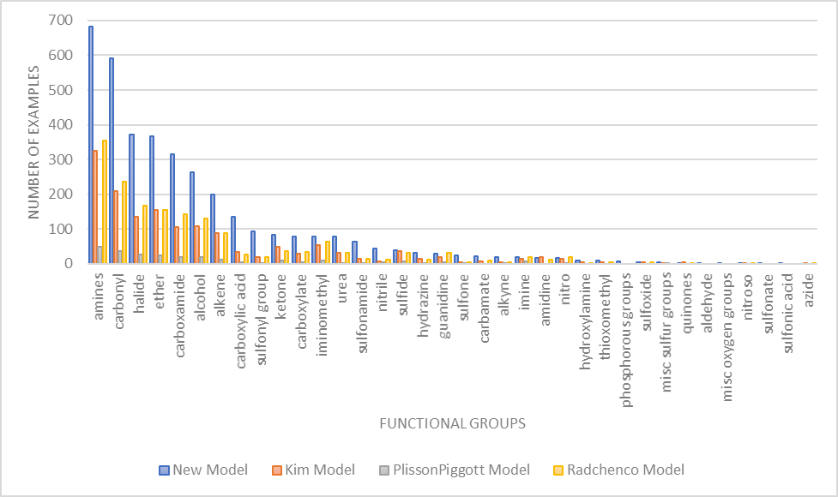

Figure S5: Coverage assessment of chemical functional groups for current and previously published models from Table 1.

