Sheet1
 | URL : www.abconline.com

Test Case ID | Test Description | Test Steps | Expected Result

I understand that you are not filling rest field but you do need to mention title for Actual result , Status, Comment etc
books_category_1 | To verify that user should see the catergories list as shown in below screeenshot. | 1.open the Chrome Browser 2.Type URL 3.press enter | user should see the categories list.
books_category_2 | 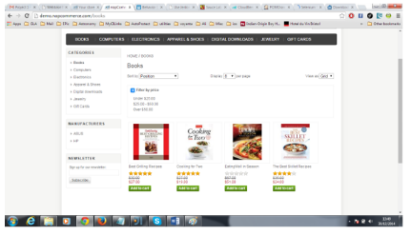 To verify that user should be navigated to Books Category Page and user should see the Books category page with filters as Sort By,Display and View as and list of products. | 1.open the chrome Browser 2.Type URL 3.Press Enter 4. click on Books | user should be navigated to Books Category Page and user should see the Books category page with filters as Sort By,Displayand View as and list of products.
books_category_3 | To verify that user should be able to see the full list of terms of Sort by filter as shown in figure. | 1.open the chrome Browser 2.Type URL 3.Press Enter 4. click on Books 5.click on Sort By filter. | user should be able to see the list of terms of Sort by filter.
books_category_4 | To verify that user should be able to see the list of terms of Display filter as shown in figure. | 1.open the chrome Browser 2.Type URL 3.Press Enter 4. click on Books 5.click on Display filter. | user should be able to see the full list of terms of Display filter.
books_category_5 | To verify that user should be able to see the full list of terms of View as filter as shown in figure. | 1.open the chrome Browser 2.Type URL 3.Press Enter 4. click on Books 5.click on View as filter. | user should be able to see the full list of terms of View as filter.
Select
books_category_6 | To verify that when user choose sort by filter "Name : A to Z" from the list, product should be sorted with the product name in alphabetical order A to Z. | 1.open the chrome Browser 2.Type URL 3.Press Enter 4. click on Books 5.click on Sort By filter. 6. click on Name : A to Z | product should be sorted with the product name in alphabetical order A to Z.
books_category_7 | To verify that when user choose sort by filter "Name : Z to A" from the list, product should be sorted with the product name in alphabetical order Z to A. | 1.open the chrome Browser 2.Type URL 3.Press Enter 4. click on Books 5.click on Sort By filter. 6. click on Name : Z to A | product should be sorted with the product name in alphabetical order Z to A.
books_category_8 | To verify that when user choose sort by filter "Price : Low to High" from the list, product should be sorted with the price in descending order. | 1.open the chrome Browser 2.Type URL 3.Press Enter 4. click on Books 5.click on Sort By filter. 6. click on Price : Low to High | product should be sorted with the price in ascending order.
books_category_9 | To verify that when user choose sort by filter "Price : High to Low" from the list, product should be sorted with the price in ascending order. | 1.open the chrome Browser 2.Type URL 3.Press Enter 4. click on Books 5.click on Sort By filter. 6. click on Price : High to Low | product should be sorted with the price in descending order.
books_category_10 | To verify that when user choose sort by filter "Created on" from the list, product should be sorted by product date of added to the site as recently added products should show first. | 1.open the chrome Browser 2.Type URL 3.Press Enter 4. click on Books 5.click on Sort By filter. 6. click on Created on | product should be sorted by product date of added to the site as recently added products shuold show first.
books_category_11 | To verify that user should be able to see the selected no. of products per page. | 1.open the chrome Browser 2.Type URL 3.Press Enter 4. click on Books 5.click on Display filter. 6.click on 4 or 8 or 12 | user should be able to see the selected no. of products per page.
books_category_12 | To verify that when user select display 4, user should see 4 products in a page. | 1.open the chrome Browser 2.Type URL 3.Press Enter 4. click on Books 5.click on Display filter. 6.click on 4 | user should see 4 products in a page.
books_category_13 | To verify that when user select display 8, user should see 8 products in a page. | 1.open the chrome Browser 2.Type URL 3.Press Enter 4. click on Books 5.click on Display filter. 6.click on 8 | user should see 8 products in a page.
books_category_14 | To verify that when user select display 12, user should see 12 products in a page. | 1.open the chrome Browser 2.Type URL 3.Press Enter 4. click on Books 5.click on Display filter. 6.click on 12 | user should see 12 products in a page.
books_category_15 | 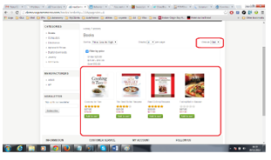 To verify that when user select View as Filter "Grid" from the list, then product should display in Grid format as shown in the below figure | 1.open the chrome Browser 2.Type URL 3.Press Enter 4. click on Books 5.click on View as filter. 6.click on Grid | product should be displayed in Grid format,as shown in the below figure.
books_category_16 | 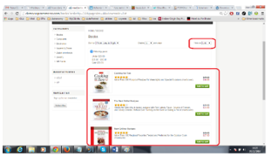 To verify that when user select View as Filter "List" from the list, then product should display in List format as shown in the below figure | 1.open the chrome Browser 2.Type URL 3.Press Enter 4. click on Books 5.click on View as filter. 6.click on List | product should be displayed in Grid format,as shown in the below figure.

Sheet2
No Need
Start with capital letter
Test Case ID | Test Case Description | Test Steps | Test Data | Expected Result | Actual Result
Registration_1 | 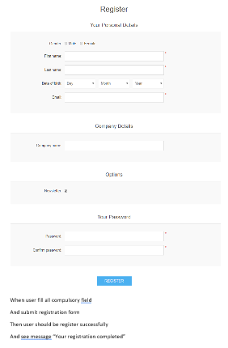 To verify that user should be navigate to home page and can see registration form as below. | 1.open the Chrome Browser 2.Type URL 3.press enter 4.Enter First Name | URL=abconline.com | user should be navigate to home page and can see registration form as below.
Registration_2 | To verify that user should see message "Your Registration completed" | 1.open the Chrome Browser 2.Type URL 3.press enter 4.Enter First Name 5.Enter Last name 6.Enter Email 7.Enter password 8.Enter confirm password 9. click on Register Icon | URL = abconline.com first name= sunil last name = kathalana Email = abcd123@abconline.com Password = jellybean123# confirm password= jellybean123# | user should see message "Your registration completed"
To verify user can register successfully upon filling all compulsory field and see the success message.

