1c
CASH FLOW | 2023 |  | 2023
NOPAT | 726,642.08 | NOPAT | 726,642.08
+Depreciation | 230,942.00 | -Change in NOA | -1,257,706.00
-Change in NOWC | 11,322.00 | FCFF * | -531,063.92
-Change in NONCA | -1,499,970.00
FCFF | -531,063.92 | FCFF = FCFF*
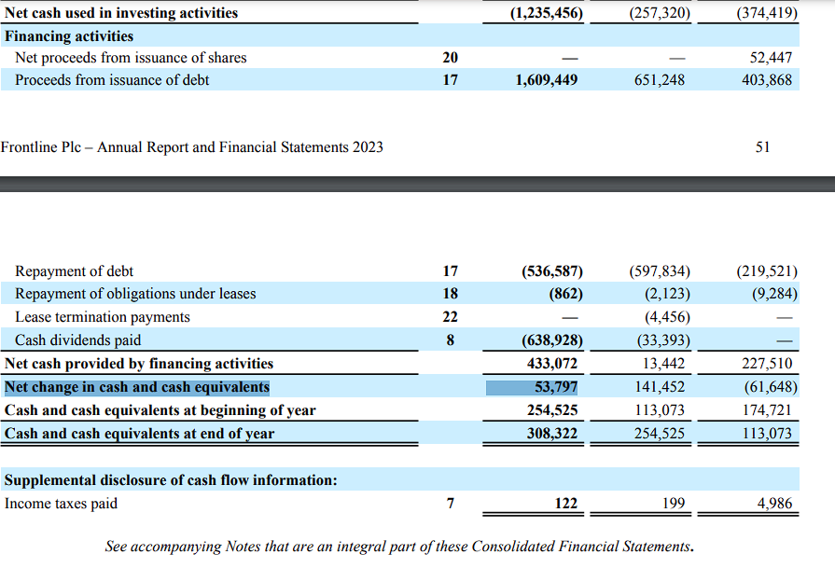
+Change in NIBD excluding cash | 1,294,056.00
Net Financial Expense | -90,086.00
+/-Tax-shield from NFE | 19,818.92
FCFE | 692,725.00
-S. dividends | -638,928.00
Cash surplus | 53,797.00

Cash Surplus = Net change in cash and cash equivalents

