1c and 1d
c) | CASH FLOW | 2023 |  | 2023
 | NOPAT | 726,642.08 | NOPAT | 726,642.08
 | +Depreciation | 230,942.00 | -Change in NOA | -1,257,706.00
 | -Change in NOWC | 11,322.00 | FCFF * | -531,063.92
 | -Change in NONCA | -1,499,970.00
 | FCFF | -531,063.92 | FCFF = FCFF*
 | +Change in NIBD excluding cash | 1,294,056.00
 | Net Financial Expense | -90,086.00
 | +/-Tax-shield from NFE | 19,818.92
 | FCFE | 692,725.00
 | -S. dividends | -638,928.00
 | Cash surplus | 53,797.00

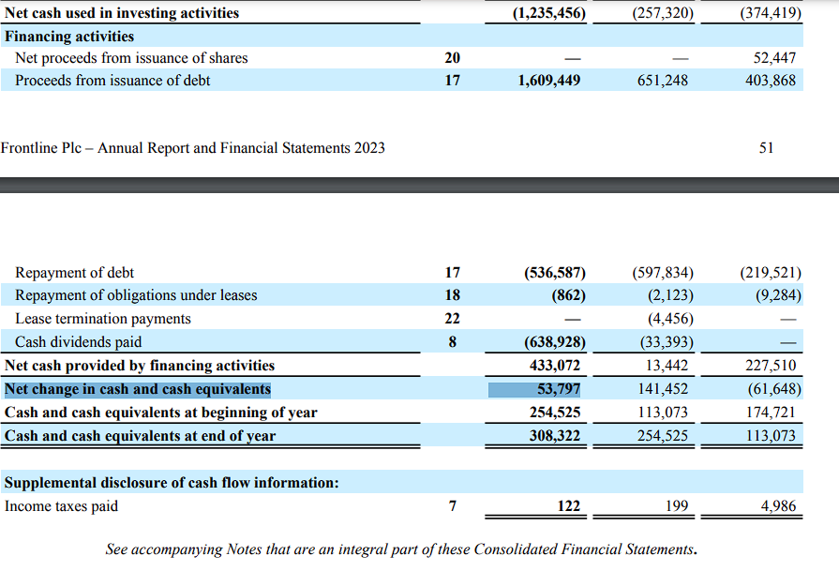
d)
 | cash beginning period | 254,525.00
 | +Cash surplus | 53,797.00
 | Cash end of the period | 308,322.00

 | Cash Surplus = Net change in cash and cash equivalents
 | Cash end of the period = Cash and cash equivalents at end of year

