ESD
 |  |  |  |  |  |  |  |  |  |  |  |  | Sign |  | Tester |  |  | Checked |  | Approved
 |  |  |  |  |  |  |  |  |  |  |  |  |  |  | Bagus |  |  | Nina |  | Fakhrudin
Test Department: QC team |  |  |  |  | ESD Test result
Test Date : 15/09/2026
Inspector :Bagus
 |  |  |  |  |  |  |  |  |  |  |  |  |  |  |  |  | Judgment Dept. : OQA Part
1. Summary
Model | NC650MQC-VCSN1 |  |  | Part Name |  | LCM |  | Part No. |  |  | EAJ30137001 |  |  | Maker |  | NOTS |  |  | Judgement
Nama Tes |  | ESD |  |  |  |  |  | Test Date |  |  | 2026-09-15 |  |  |  |  |  |  |  | OK
Qty Tes |  |  | n = 1 |  | Criteria |  | c = 0 |  | Test Equipment |  |  |  | ESD Tester
Test condition |  |  | 330Ω/150 ㎊
Test steps |  |  | LDV
2. Test Result
Sample | Position |  |  |  |  | Mode |  | Voltage |  | Discharge mode |  | Time | Result |  |  |  |  |  |  |  | Judge | * Sample Information
 |  |  |  |  |  |  |  |  |  |  |  |  |  |  |  |  |  |  |  |  |  | NO. | LCM Label
#1 | 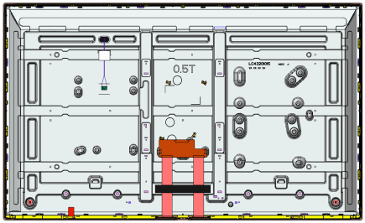 User Connector (Each pin) |  |  |  |  | OFF |  | +6kV |  | Contact |  | 5 |  |  |  |  |  |  |  |  | OK | #1 | P8A007J1E30137001UMFA
 |  |  |  |  |  |  |  |  |  |  |  |  |  |  |  |  |  |  |  |  |  | #2 | P8A077J1E30137001UMFA
 |  |  |  |  |  |  |  |  |  |  |  |  |  |  |  |  |  |  |  |  |  | #3 | P8A005J1E30137001UMFA

 |  |  |  |  |  |  |  | -6kV |  | Contact |  | 5 |  |  |  |  |  |  |  |  | OK

 | 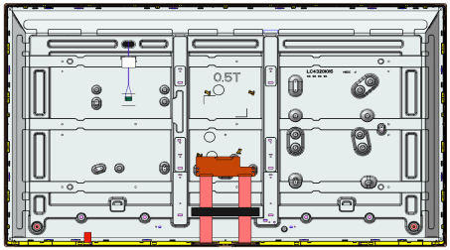 Cover Bottom (Cover Shield) Source D-IC,Gate D-IC points |  |  |  |  | OFF |  | +15kV |  | Contact |  | 5 |  |  |  |  |  |  |  |  | OK

 |  |  |  |  |  |  |  | -15kV |  | Contact |  | 5 |  |  |  |  |  |  |  |  | OK

#2 |  Screen Edge |  |  |  |  | ON |  | +8kV |  | Air |  | - |  |  |  |  |  |  |  |  | OK

 |  |  |  |  |  |  |  | -8kV |  | Air |  | - |  |  |  |  |  |  |  |  | OK

 | Screen Edge |  |  |  |  | OFF 1 |  | +8kV |  | Air |  | - |  |  |  |  |  |  |  |  | OK

 |  |  |  |  |  |  |  | -8kV |  | Air |  | - |  |  |  |  |  |  |  |  | OK

 | Screen Edge |  |  |  |  | OFF 2 |  | +8kV |  | Air |  | - |  |  |  |  |  |  |  |  | OK

 |  |  |  |  |  |  |  | -8kV |  | Air |  | - |  |  |  |  |  |  |  |  | OK

 | Screen Edge |  |  |  |  | ON |  | +15kV |  | Air |  | - |  |  |  |  |  |  |  |  | OK

 |  |  |  |  |  |  |  | -15kV |  | Air |  | - |  |  |  |  |  |  |  |  | OK

 | Screen Edge |  |  |  |  | OFF |  | +15kV |  | Air |  | - |  |  |  |  |  |  |  |  | OK

 |  |  |  |  |  |  |  | -15kV |  | Air |  | - |  |  |  |  |  |  |  |  | OK

#3 | Screen Edge |  |  |  |  | ON |  | +8kV |  | Air |  | - |  |  |  |  |  |  |  |  | OK

 |  |  |  |  |  |  |  | -8kV |  | Air |  | - |  |  |  |  |  |  |  |  | OK

 | Screen Edge |  |  |  |  | OFF 1 |  | +8kV |  | Air |  | - |  |  |  |  |  |  |  |  | OK

 |  |  |  |  |  |  |  | -8kV |  | Air |  | - |  |  |  |  |  |  |  |  | OK

 | Screen Edge |  |  |  |  | OFF 2 |  | +8kV |  | Air |  | - |  |  |  |  |  |  |  |  | OK

 |  |  |  |  |  |  |  | -8kV |  | Air |  | - |  |  |  |  |  |  |  |  | OK

 | Screen Edge |  |  |  |  | ON |  | +15kV |  | Air |  | - |  |  |  |  |  |  |  |  | OK

 |  |  |  |  |  |  |  | -15kV |  | Air |  | - |  |  |  |  |  |  |  |  | OK

 | Screen Edge |  |  |  |  | OFF |  | +15kV |  | Air |  | - |  |  |  |  |  |  |  |  | OK

 |  |  |  |  |  |  |  | -15kV |  | Air |  | - |  |  |  |  |  |  |  |  | OK

Comment
1. No abnormality of ESD test result

3.Extreme Testing
Limit Test | Panel Ⅰ Around centeral random point |  |  |  |  | ON |  | +20kV |  | Air |  | 25 |  |  |  |  |  |  |  |  | OK

 |  |  |  |  |  |  |  | -20kV |  | Air |  | 25 |  |  |  |  |  |  |  |  | OK

 |  Panel Ⅰ Around centeral random point |  |  |  |  | ON |  | +25kV |  | Air |  | 25 |  |  |  |  |  |  |  |  | OK

 |  |  |  |  |  |  |  | -25kV |  | Air |  | 25 |  |  |  |  |  |  |  |  | OK

 | Panel Ⅰ Around centeral random point |  |  |  |  | ON |  | +30kV |  | Air |  | 25 |  |  |  |  |  |  |  |  | OK

 |  |  |  |  |  |  |  | -30kV |  | Air |  | 25 |  |  |  |  |  |  |  |  | OK

Limit Test | Panel Ⅰ Around centeral random point |  |  |  |  | ON |  | +20kV |  | Air |  | 25 |  |  |  |  |  |  |  |  | OK

 |  |  |  |  |  |  |  | -20kV |  | Air |  | 25 |  |  |  |  |  |  |  |  | OK

 |  Panel Ⅰ Around centeral random point |  |  |  |  | ON |  | +25kV |  | Air |  | 25 |  |  |  |  |  |  |  |  | OK

 |  |  |  |  |  |  |  | -25kV |  | Air |  | 25 |  |  |  |  |  |  |  |  | OK

 | Panel Ⅰ Around centeral random point |  |  |  |  | ON |  | +30kV |  | Air |  | 25 |  |  |  |  |  |  |  |  | OK

 |  |  |  |  |  |  |  | -30kV |  | Air |  | 25 |  |  |  |  |  |  |  |  | OK

