Push Test (2)
No | Tanggal Tes | Model LGE | Model LCM | Supplier Panel | Panel ID | S/N | Photo Sebelum Uji | Photo setelah uji | Point | 0.5kgf | 1.0kgf | 1.5kgf | 2.0kgf | 2.5kgf | 3.0kgf | 3.5kgf | 4.0kgf | 4.5kgf | 5.0kgf | 5.5kgf | 6.0kgf | 8.0kgf (ekstrim)
1 | 08/21/2026 | EAJ30137001 | NC850DQX-VHSA1-71IN | HKC | A566C06T0702 | P8A002J1E30137001UMFA | 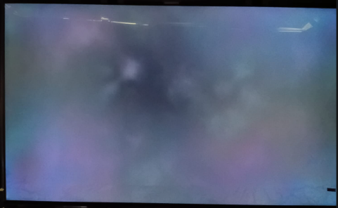 | 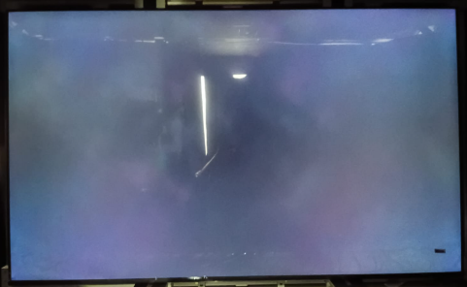 | 1 | OK | OK | OK | OK | OK | OK | OK | OK | OK | OK | OK | OK | OK
 |  |  |  |  |  |  |  |  | 2 | OK | OK | OK | OK | OK | OK | OK | OK | OK | OK | OK | OK | OK
 |  |  |  |  |  |  |  |  | 3 | OK | OK | OK | OK | OK | OK | OK | OK | OK | OK | OK | OK | OK
 |  |  |  |  |  |  |  |  | 4 | OK | OK | OK | OK | OK | OK | OK | OK | OK | OK | OK | OK | OK
 |  |  |  |  |  |  |  |  | 5 | OK | OK | OK | OK | OK | OK | OK | OK | OK | OK | OK | OK | OK
 |  |  |  |  |  |  |  |  | 6 | OK | OK | OK | OK | OK | OK | OK | OK | OK | OK | OK | OK | OK
2 | 08/21/2026 | EAJ30137001 | NC850DQX-VHSA1-71IN | HKC | A566F01T0602 | P8A046J1E30137001UMFA | 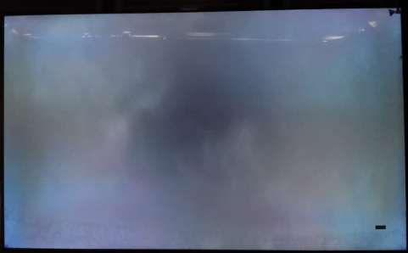 | 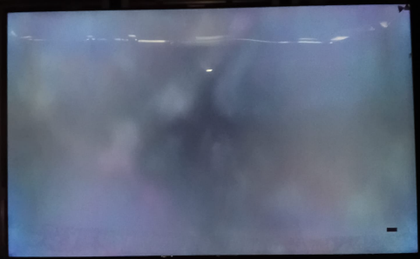 | 1 | OK | OK | OK | OK | OK | OK | OK | OK | OK | OK | OK | OK | OK
 |  |  |  |  |  |  |  |  | 2 | OK | OK | OK | OK | OK | OK | OK | OK | OK | OK | OK | OK | OK
 |  |  |  |  |  |  |  |  | 3 | OK | OK | OK | OK | OK | OK | OK | OK | OK | OK | OK | OK | OK
 |  |  |  |  |  |  |  |  | 4 | OK | OK | OK | OK | OK | OK | OK | OK | OK | OK | OK | OK | OK
 |  |  |  |  |  |  |  |  | 5 | OK | OK | OK | OK | OK | OK | OK | OK | OK | OK | OK | OK | OK
 |  |  |  |  |  |  |  |  | 6 | OK | OK | OK | OK | OK | OK | OK | OK | OK | OK | OK | OK | OK

