Sheet1
olist_customer_dataset
customer_id | varchar | customer_id varchar
customer_unique_id | varchar | customer_unique_id varchar
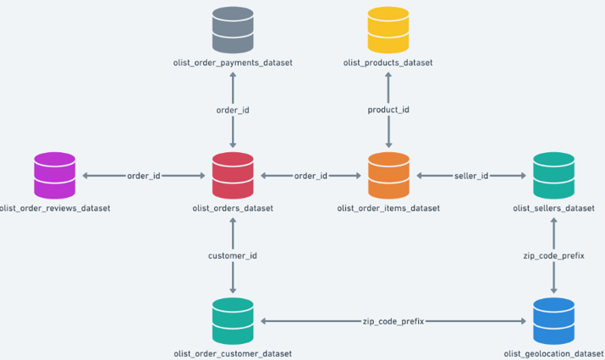
customer_zip_code_prefix | int | customer_zip_code_prefix int
customer_city | varchar | customer_city varchar
customer_state | varchar | customer_state varchar

olist_geolocation_dataset
geolocation_zip_code_prefix | int | geolocation_zip_code_prefix int
geolocation_lat | numeric | geolocation_lat numeric
geolocation_lng | numeric | geolocation_lng numeric
geolocation_city | varchar | geolocation_city varchar
geolocation_state | varchar | geolocation_state varchar

olist_order_items_dataset
order_id | varchar | order_id varchar
order_item_id | int | order_item_id int
product_id | varchar | product_id varchar
seller_id | varchar | seller_id varchar
shipping_limit_date | datetime | shipping_limit_date datetime
price | numeric | price numeric
freight_value | numeric | freight_value numeric

olist_order_payments_dataset
order_id | varchar | order_id varchar
payment_sequential | int | payment_sequential int
payment_type | varchar | payment_type varchar
payment_installments | int | payment_installments int
payment_value | numeric | payment_value numeric

olist_order_reviews_dataset |  | olist_order_reviews_dataset
review_id | varchar | review_id varchar
order_id | varchar | order_id varchar
review_score | int | review_score int
review_comment_title | text | review_comment_title text
review_comment_message | text | review_comment_message text
review_creation_date | datetime | review_creation_date datetime
review_answer_timestamp | datetime | review_answer_timestamp datetime

olist_orders_dataset |  | olist_orders_dataset
order_id | varchar | order_id varchar
customer_id | varchar | customer_id varchar
order_status | varchar | order_status varchar
order_purchase_timestamp | datetime | order_purchase_timestamp datetime
order_approved_at | datetime | order_approved_at datetime
order_delivered_carrier_date | datetime | order_delivered_carrier_date datetime
order_delivered_customer_date | datetime | order_delivered_customer_date datetime
order_estimated_delivery_date | datetime | order_estimated_delivery_date datetime

olist_products_dataset |  | olist_products_dataset
product_id | varchar | product_id varchar
product_category_name | varchar | product_category_name varchar
product_name_lenght | int | product_name_lenght int
product_description_lenght | int | product_description_lenght int
product_photos_qty | int | product_photos_qty int
product_weight_g | int | product_weight_g int
product_length_cm | int | product_length_cm int
product_height_cm | int | product_height_cm int
product_width_cm | int | product_width_cm int

olist_sellers_dataset |  | olist_sellers_dataset
seller_id | varchar | seller_id varchar
seller_zip_code_prefix | int | seller_zip_code_prefix int
seller_city | varchar | seller_city varchar
seller_state | varchar | seller_state varchar

product_category_name_translation |  | product_category_name_translation
product_category_name | varchar | product_category_name varchar
product_category_name_english | varchar | product_category_name_english varchar

