11th June 2026
Sanity Document Shared by Developer | Review | S. No. | Incident # | Issue Description | Track | Owner | Object | Type | Changes | Non Repository Change | Objects change (Type - Name) | New/ Old | Unit Test Status | Comment | Review Status | Sanity
Done |  | 1 | MFTBCFFR-5780 | UV_FDP和歌山中古車購入オーダーのキャンセルリクエストでエラーが出て進めない | UV | Atul | MF Sales Cancellation Request | BC | updated value in MF Approval Track Calc and included UV Purchase Order | NA
Done |  | 2 | MFTBCFFR-5657 | PT_The D2S Invoice mismatch screen is very slow both when opening it and when exporting. | PT | Soham | MF D2S Mismatch Data | BC | Removed the sort specification from the BC | PDQ changes
Done |  | 3 | MFTBCFFR-5748 | VO_シャシオーダー発注日の表示誤り | VO | Shubham |  |  | BC: MF Chassis Order New Field: Chassis Order Date Changed Field Mapping of Order Date in following Applet: MF Chassis Order Detail Header Applet MF Purchase Orders Detail Form Applet MF Chassis Order List Applet
Done |  | 4 | MFTBCFFR-5680 | NV_FDP中国_架装入庫検収の承認依頼時に「正しい承認依頼者を選択します」とエラーが出て進めない | NV | Ravi/Shubham |  |  | symbolic string X_APPROVER_FLOW change the JPN String to 正しい承認依頼者を選択してください。
Done |  | 5 | CR-4378 | Change Abstract(CSJS100) | KB | Yash |  |  | IO : MF KB NV Sales Posting IO IC : MF NV Sales Order IF : MF Payment Method LIC IO : MF KB UV Sales Posting IO IC : MF UV Orders IF : MF Payment Method LIC IO : MF KB Job Card Posting IO IC : MF Service Order Light BC IF : MF Payment Method LIC IO : MF KB Shipment IO IC : MF FS Shipment EAI IF : MF Payment Method LIC BC: MF NV Sales Order New Field : MF Payment Method LIC BC: MF UV Orders New Field : MF Payment Method LIC BC : MF FS Shipment EAI New Field : MF Payment Method , MF Payment Method LIC BC : MF Service Order Light BC New Field : MF Payment Method , MF Payment Method LIC BC : MF Parts Sales Order New Field : MF Base Line Type LIC New WF : MF Planned Payment Workflow LOV : EAI_LOOKUP_MAP_TYPE New Display Val : MF Payment Term Method | Data Map : MF KB Parts Sales IO Map MF KB Job Card Posting IO Map MF KB NV Sales Posting IO Map MF KB Re-edit Map MF KB UV Sales Posting IO Map EAI Value Map : MF Payment Term Method
Done |  | 6 | CR-0860 | SV – Change Order, Remove Verification & add Fields | SV | Aayushi |  |  | MF New ClaimSync IO IC - Documents - DocumentType CHANGE 7 to 100 | Added New name in LOV TYPE -EAI_LOOKUP_MAP_TYPE NAME - FALCON_DOC_TYPE Added 10 document type in MF eAuto WMS Warranty Claim Attachment View MF eAuto WMS Recall Claim Attachment View MF eAuto WMS Parts Claim Attachment View MF eAuto WMS FUTAI Claim Attachment View MF eAuto WMS Goodwill Claim Attachment View Added 10 EAI value map based on FALCON_DOC_TYPE MF Falcon RWG Claims Sync Data Map Changes - Documents IC map - MF Doc Mgmt Attachment In Document Type EAILookupExternal("FALCON_DOC_TYPE",[MF Document Type]) | 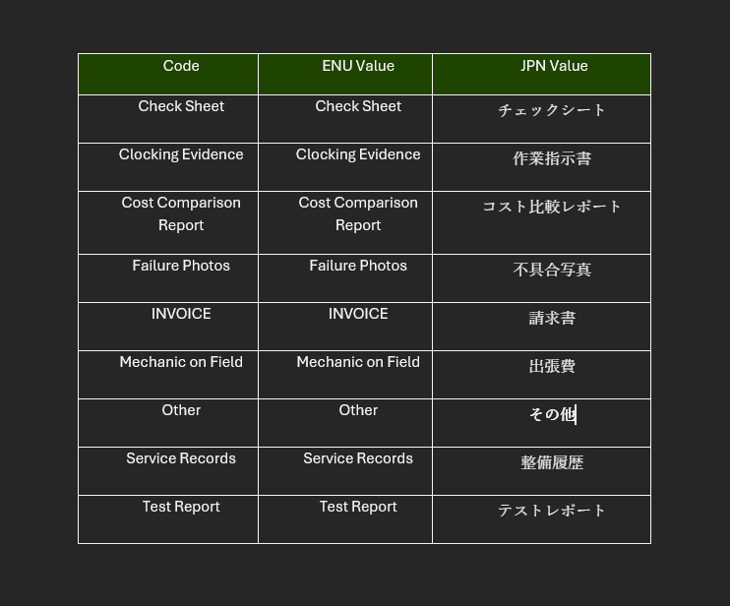
 |  | 7 | MFTBCFFR-5556 | PT_AMS_CR_Add error handling for D2S allocation | PT | Ayaz | BC: MF Parts Allocation Order BC Table: CX_ALLOC_ORDER Workflow: MF D2S Parts Allocation Create WF | BC, Table, Workflow | BC: MF Parts Allocation Order BC Field: Status, Text Length = 15 -> 30 New Field: MF Back Office Order Number, Join = S_ORDER, Column = EAI_ORDER_NUM Table: CX_ALLOC_ORDER Column: STATUS_CD, Length = 30 Workflow: MF D2S Parts Allocation Create WF New Process property: SO Number New BS Block: Fetching Order Number New Decision Step: SO# Check New Siebel Operation Block: Update Status

 |  | 3 | MFTBCFFR-5252 | PT_A blank page was inserted on the second page of the delivery slip. | PT | Ayaz
 |  | 9 | MFTBCFFR-5513 | SV_The accounting entries for Journal Vector are incorrect. | KB | Saad |  |  | BS : MF Get Accounting Codes BS Method : Query Order | Account Code Master | Non Repo Changed Debit Account code for 'Good will_GW' journal item 651-05:651-05 --> 570-00:651-05 Repo searchExpr = "[MF Entity Type] = 'SV' AND [MF Event Name] = 'Job Card' AND [MF Journal Item] = '" + sLineType + "' AND [MF Work Type] = 'External mechanic'"; keeping this search expr for external jc, previously for parts and lubricants, when the outsourcing flag was N, null or "", searchExpr = "[MF Entity Type] = 'SV' AND [MF Event Name] = 'Job Card' AND [MF Journal Item] = 'Outsourcing Parts Carry In Flag' AND [MF Work Type] = 'External mechanic'"; The above search expr was used for account codes

