Fall-2018
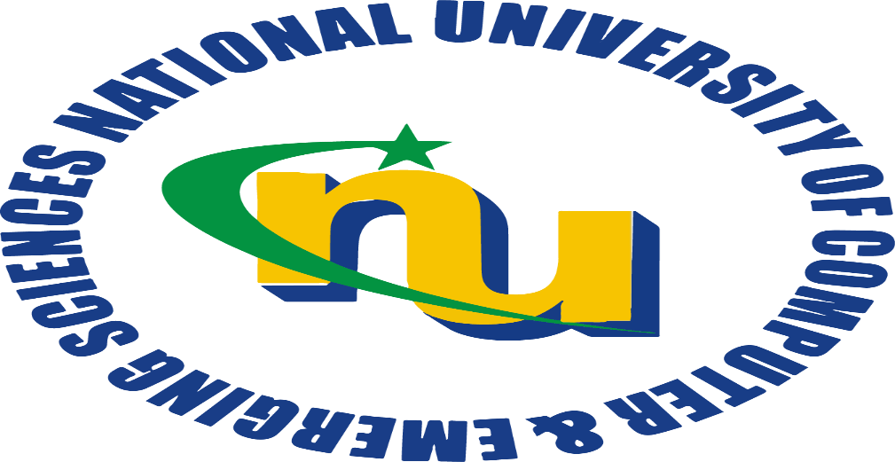

 |  |  | National University
 |  |  | of Computer and Emerging Sciences
 |  |  | Department of Computer Science
 |  |  | KARACHI CAMPUS
 |  |  | TIMETABLE for Fall 2018 Semester

 |  |  |  | Batch 2018 | R
 |  |  |  | Batch 2017 | R
 |  |  |  | Batch 2016 | R
 |  |  |  | Batch 2015 | R
 |  |  |  |  |  | PREPARED BY:
 |  |  |  |  |  | Mr. Shoaib Raza (CS TIMETABLE COORDINATOR) shoaib.raza@nu.edu.pk
Issued: | 22nd September 2018
Effective: |  | 24th September 2018 |  |  |  | CS ACADEMICS - FAST NUCES, KARACHI CAMPUS

