Test Cases
TC ID | Title | Module | Priority | Type | Role | Req Refs | Preconditions | Steps | Expected Result | Test Data | Assumptions | Review Status | Review Notes | Execution Status | Actual Result | Failed Step | Execution Notes | Design Match | Design Notes | Executed At | Screenshot
TC-TRANSFER-001 | Create a draft transfer with direction, type, and one asset line | Transfer | P0 | Functional | Owner / Admin | R1 | Signed in as Owner/Admin; at least one tracked asset exists; no destination set yet | 1. Navigate to the Transfers list 2. Click the Create/New Transfer action 3. Select a value in the Direction field (e.g. Outgoing) 4. Select a value in the Type field (e.g. Shipment) 5. Click Add Line in the Lines section 6. Select an existing tracked asset from the asset picker 7. Click Save | The transfer saves successfully, reopens showing stage 'Draft', and the Lines section lists the selected asset as one line | ROLE_OWNER_ADMIN_EMAIL | Button/field labels assumed per Q2; see Open Questions | APPROVED |  | PASS | Transfer saved and reopened as TRF-003953-JJBJ, stage 'Draft'; Lines section shows one line referencing the asset 'test 0001'. |  | Field labels: Direction radiogroup, Type radiogroup, 'Assets (optional)' combobox (not 'Add Line' as assumed in Q2). | N/A |  | 10/15/2026, 3:32:17 PM | 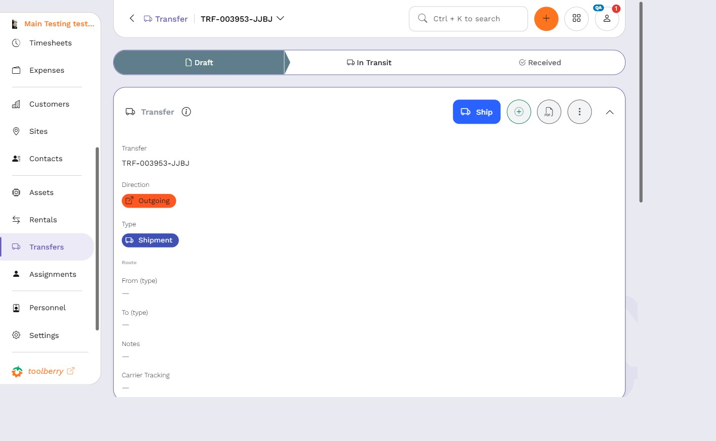
TC-TRANSFER-002 | Draft transfer appears in Transfers list with generated name and stage Draft | Transfer | P0 | Functional | Owner / Admin | R2 | A draft transfer was just created (TC-TRANSFER-001) | 1. Navigate to the Transfers list 2. Locate the row for the transfer just created | The row shows a non-empty, auto-generated transfer name and a stage value of 'Draft' | ROLE_OWNER_ADMIN_EMAIL |  | APPROVED |  | PASS | The Transfers list shows a row with the generated name 'TRF-003953-JJBJ' (non-empty); a 'Stage' column exists on the list and the record page's Stages navigation confirms the current stage is Draft. |  |  | N/A |  | 10/15/2026, 3:32:49 PM | 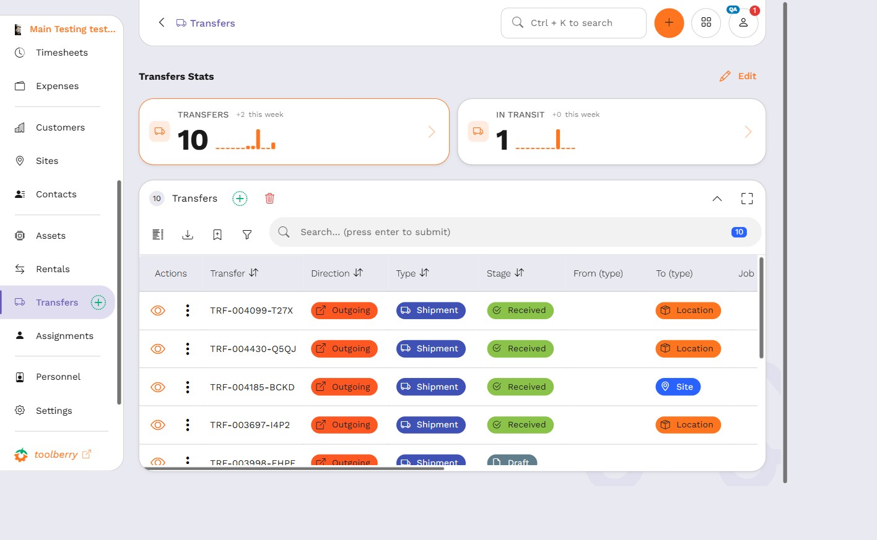
TC-TRANSFER-003 | Edited transfer notes, carrier, and tracking number persist after reload | Transfer | P1 | Functional | Owner / Admin | R3 | A draft transfer exists and is open on its record page | 1. Open the draft transfer's record page 2. Type 'QA reload check' into the Notes field 3. Type 'ACME Freight' into the Carrier field 4. Type 'TRK-00123' into the Tracking Number field 5. Click Save 6. Reload the browser page | After reload, the Notes field shows 'QA reload check', the Carrier field shows 'ACME Freight', and the Tracking Number field shows 'TRK-00123' | ROLE_OWNER_ADMIN_EMAIL |  | APPROVED |  | BLOCKED | The record page has one combined 'Carrier Tracking' field, not separate 'Carrier' and 'Tracking Number' fields as the test case's steps assume. The Notes field worked (set to 'QA reload check' and persisted in the field), but steps 3-4 (type into separate Carrier / Tracking Number fields) cannot be performed as written. |  | Test case needs revision: replace steps 3-4 with a single 'Carrier Tracking' field entry. | N/A |  | 10/15/2026, 3:34:03 PM | 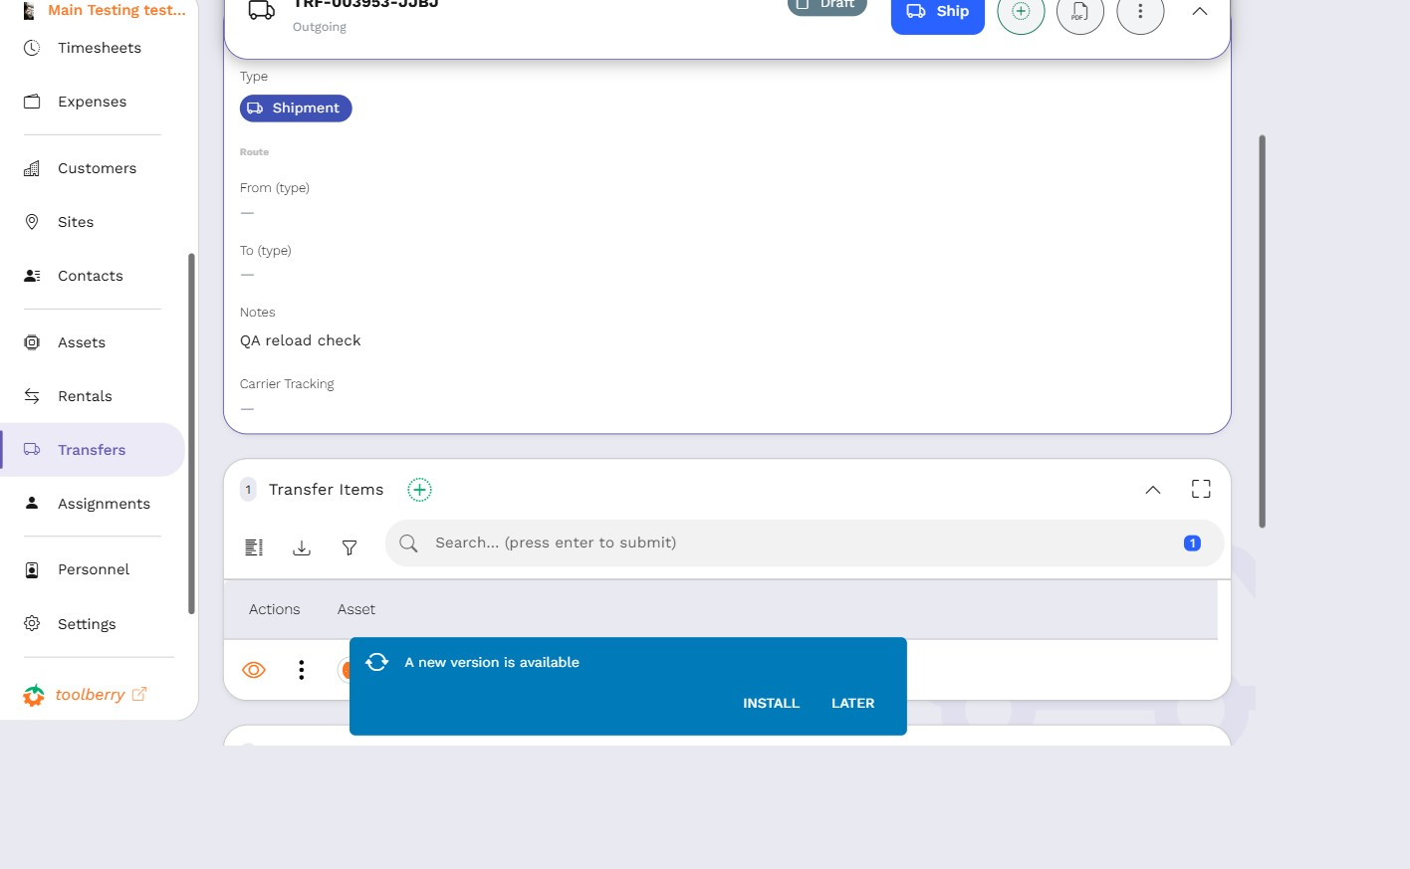
TC-TRANSFER-004 | Ship is blocked with a validation error when no destination is set | Transfer | P0 | Functional | Owner / Admin | R4 | A draft transfer exists with at least one line and no Destination Type/Destination value set | 1. Open the draft transfer's record page 2. Click the Ship action | A validation error is displayed and the transfer is not shipped; the stage remains 'Draft' | ROLE_OWNER_ADMIN_EMAIL | Exact error wording not confirmed by the spec; see Q1. The case verifies an error appears and the stage does not advance, not specific text. | APPROVED |  | PASS | Clicking Ship with no destination set shows two alerts: 'To (type) is required' and 'To is required'. The Ship dialog stays open and the transfer's stage remains Draft (confirmed via the Stages nav and the Lines table status cell). |  | Resolves Q1: exact error text is 'To (type) is required' / 'To is required'. | N/A |  | 10/15/2026, 3:34:35 PM | 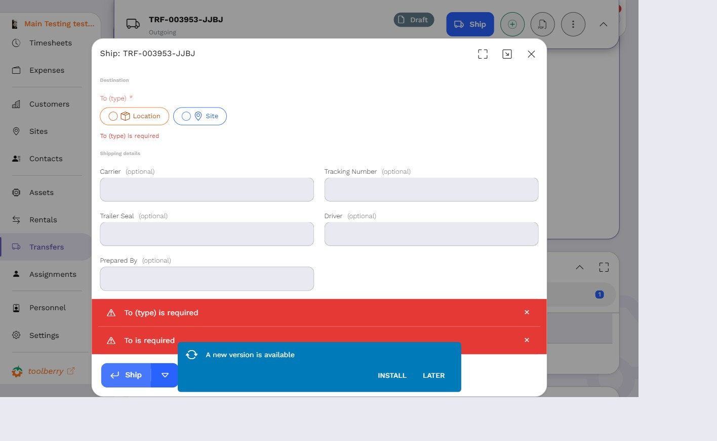
TC-TRANSFER-005 | Ship succeeds and stage becomes In Transit after setting a Location destination | Transfer | P0 | Functional | Owner / Admin | R5 | A draft transfer exists with at least one line; at least one Location record exists | 1. Open the draft transfer's record page 2. Select 'Location' in the Destination Type field 3. Select an existing Location in the Destination field 4. Click Save 5. Click the Ship action | The transfer ships successfully and the stage becomes 'In Transit' | ROLE_OWNER_ADMIN_EMAIL | Field labels assumed per Q3 | APPROVED |  | PASS | Setting destination happens inside the Ship action dialog itself (To (type)=Location, To=an existing Location 'Testing'), not via separate header fields + Save beforehand as the steps assumed. With destination set, clicking Ship succeeded: stage is now 'In Transit', route shows '? -> Testing'. |  | Flow deviation from written steps: destination is set inside the Ship dialog, not on the record page before triggering Ship. Core assertion (ship succeeds, stage becomes In Transit) holds. | N/A |  | 10/15/2026, 3:35:14 PM | 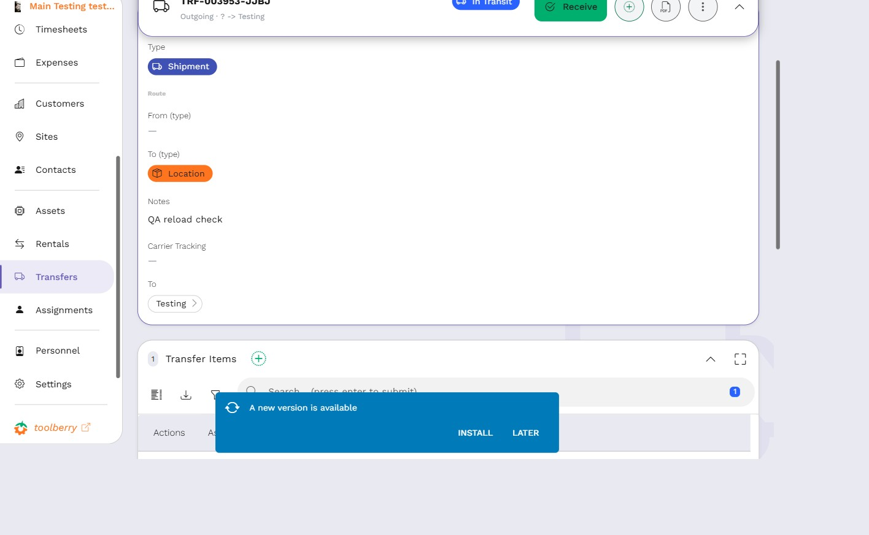
TC-TRANSFER-006 | Ship succeeds and stage becomes In Transit after setting a Site destination | Transfer | P1 | Functional | Owner / Admin | R5 | Signed in as Owner/Admin; at least one tracked asset exists; at least one Site record exists; this case creates its own transfer and does not depend on any other case | 1. Navigate to the Transfers list 2. Click the Create/New Transfer action 3. Select a value in the Direction field (e.g. Outgoing) 4. Select a value in the Type field (e.g. Shipment) 5. Click Add Line in the Lines section 6. Select an existing tracked asset from the asset picker 7. Click Save 8. Select 'Site' in the Destination Type field 9. Select an existing Site in the Destination field 10. Click Save 11. Click the Ship action | The transfer saves in stage 'Draft' after creation, then ships successfully and the stage becomes 'In Transit' | ROLE_OWNER_ADMIN_EMAIL | Field labels assumed per Q2/Q3; covers the Site-typed destination boundary distinct from TC-TRANSFER-005's Location-typed destination. Made fully self-contained (own creation steps) because by this point in the suite the TC-001 draft has already been shipped by TC-005, so no draft remained to reuse. | APPROVED |  | PASS | Created new transfer TRF-003954-UCJR with asset 'test 0002', saved in Draft. In the Ship dialog, set To (type)=Site, To='Site For Transit', clicked Ship. Stage advanced to 'In Transit'. |  | Destination set inside the Ship dialog, same flow deviation as TC-TRANSFER-005. | N/A |  | 10/15/2026, 3:39:18 PM | 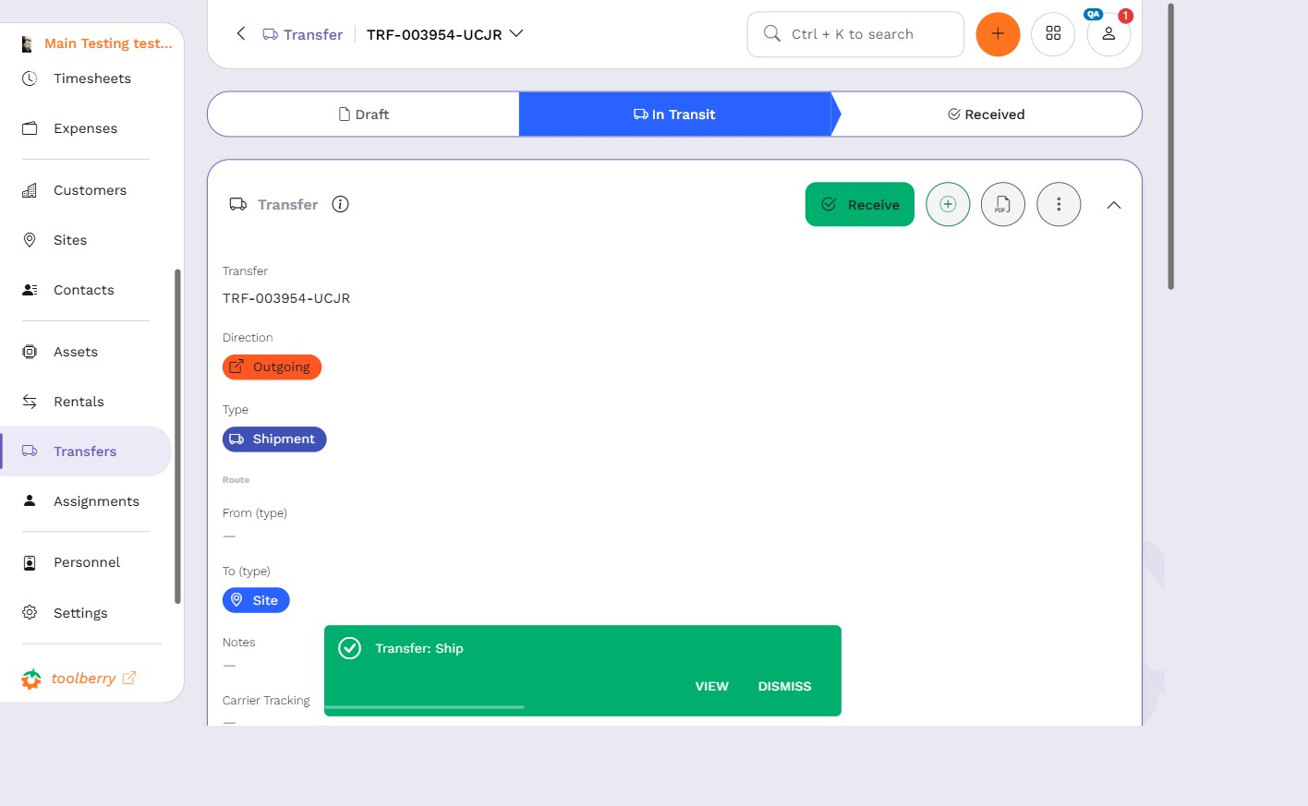
TC-TRANSFER-007 | Receive on an in-transit transfer succeeds: stage becomes Received and the line shows a received timestamp | Transfer | P0 | Functional | Owner / Admin | R6 | A transfer in stage 'In Transit' exists with one line (from TC-TRANSFER-005) | 1. Open the in-transit transfer's record page 2. Click the Receive action 3. Open the Lines section | The stage becomes 'Received' and the line shows a non-empty received timestamp | ROLE_OWNER_ADMIN_EMAIL |  | APPROVED |  | FAIL | Clicking Receive on the In Transit transfer correctly advances the stage to 'Received' (confirmed via Stages nav and the stage-history table, timestamped Oct 15, 2026, 3:35 PM). However, no per-line received timestamp is shown anywhere: the Lines table only has 'Actions' and 'Asset' columns, and opening the line's own Transfer Item record page (transferItem/9MW4A5XHC2IFZLVJ) has no 'Received'-labeled field either. Only the header-level stage-history timestamp exists. | 3 | R6 claims 'the transfer's line(s) show a received timestamp' - this UI affordance was not found. Possibly the requirement's wording is wrong (only a header-level timestamp exists) rather than an app bug; worth checking with the spec author before treating as a defect. | N/A |  | 10/15/2026, 3:36:52 PM | 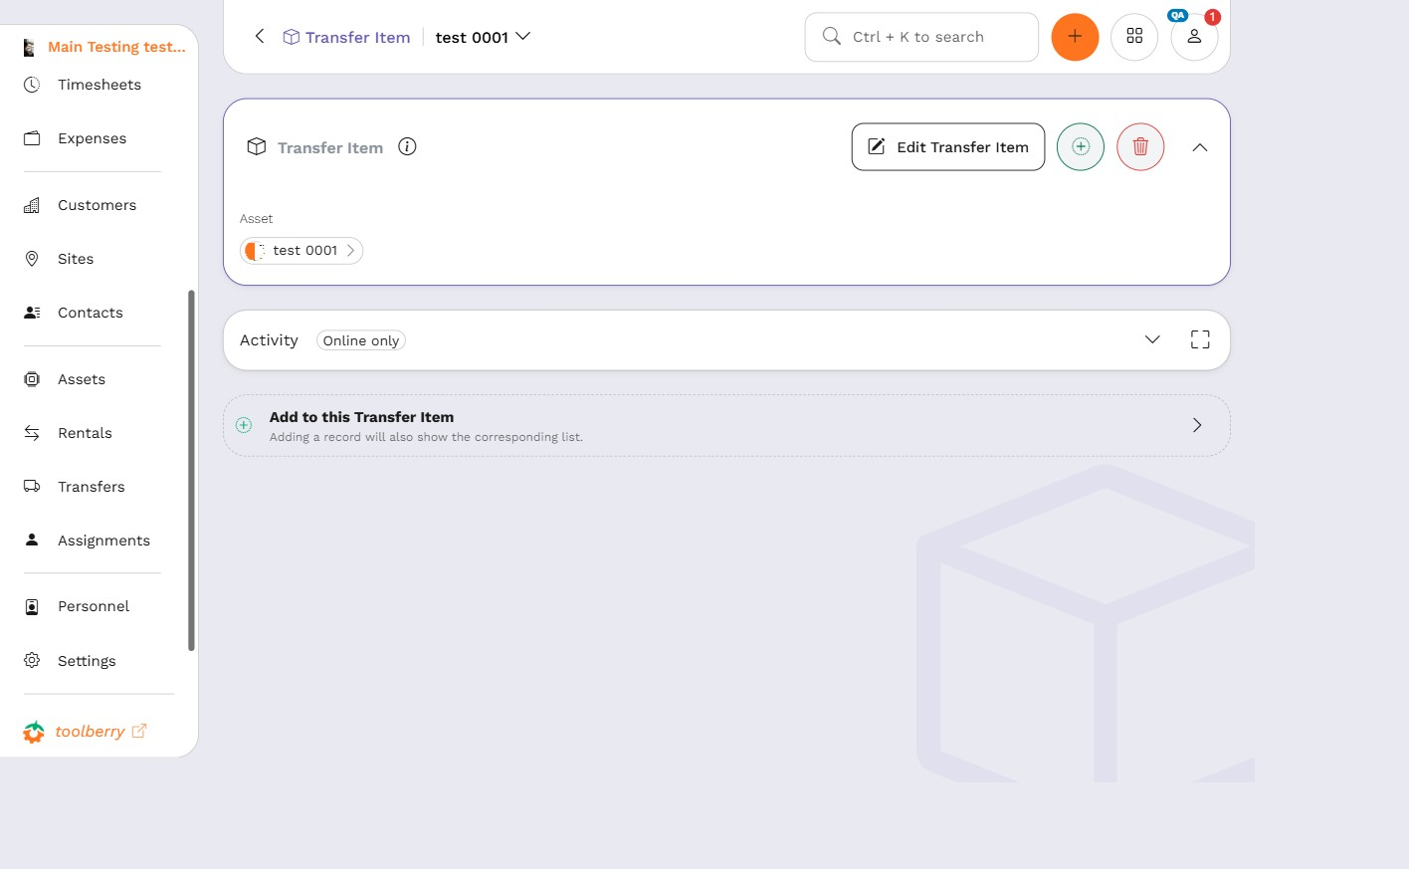
TC-TRANSFER-008 | After Receive to a Location, the moved asset's own record shows the new location and clears its site | Transfer | P0 | Functional | Owner / Admin | R7 | The transfer from TC-TRANSFER-007 has been received with a Location destination | 1. Open the transfer from TC-TRANSFER-007's record page 2. In the Lines section, click the asset name link to navigate to the asset's own record page 3. Open the asset's Location field 4. Open the asset's Site field | The asset's Location field shows the transfer's destination Location, and the asset's Site field is empty/cleared | ROLE_OWNER_ADMIN_EMAIL | Asset-navigation element named explicitly (asset name link in the transfer's Lines section) per reviewer note; added the site-cleared assertion per 03-implementation-notes.md's documented load-bearing behavior instead of a separate coverage case | APPROVED |  | PASS | On the asset 'test 0001' record page (asset/6XWQ5UTMQMEJRBTH), the Location field shows 'Testing' (the transfer's destination Location), and the Site field shows '—' (empty/cleared), matching the load-bearing behavior documented in 03-implementation-notes.md. |  |  | N/A |  | 10/15/2026, 3:37:20 PM | 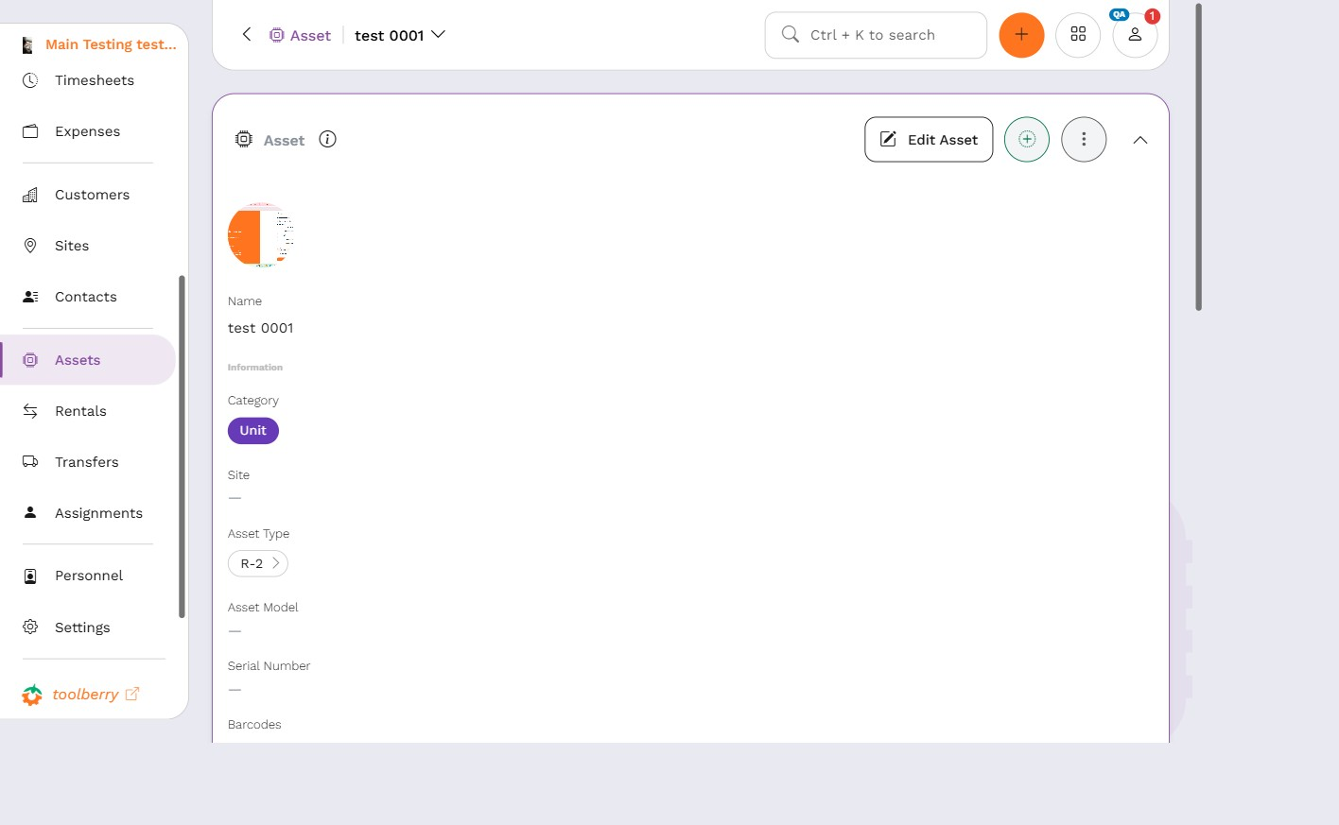
TC-TRANSFER-009 | After Receive to a Site, the moved asset's own record shows the new site and clears its location | Transfer | P1 | Functional | Owner / Admin | R7 | The Site-destination transfer from TC-TRANSFER-006 is in stage 'In Transit' | 1. Open the transfer from TC-TRANSFER-006's record page 2. Click the Receive action 3. In the Lines section, click the asset name link to navigate to the asset's own record page 4. Open the asset's Site field 5. Open the asset's Location field | The transfer's stage becomes 'Received'; the asset's Site field shows the transfer's destination Site, and the asset's Location field is empty/cleared | ROLE_OWNER_ADMIN_EMAIL | Covers the Site-typed destination write distinct from TC-TRANSFER-008's Location-typed write; added the missing Receive step and the location-cleared assertion per 03-implementation-notes.md; asset-navigation element named explicitly as in TC-TRANSFER-008 | APPROVED |  | PASS | Received TRF-003954-UCJR (stage now Received). On the asset 'test 0002' record page (asset/AYMR2GMV77N5ZHG8), Site field shows 'Site For Transit' (the transfer's destination Site), and Location field shows '—' (empty/cleared). |  |  | N/A |  | 10/15/2026, 3:39:53 PM | 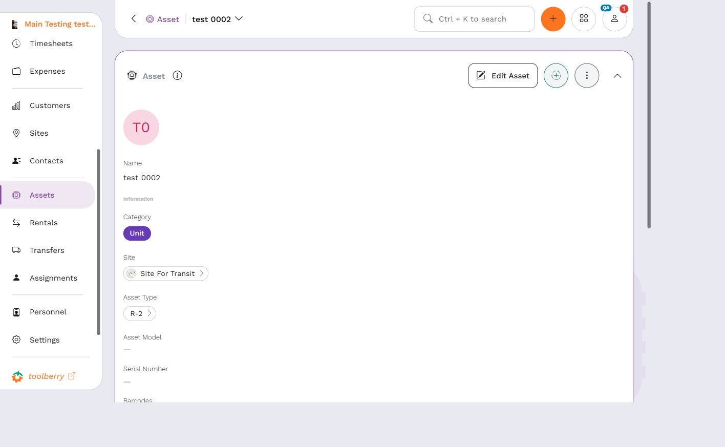
TC-TRANSFER-010 | No 'Delivered' stage label and no Cancel action anywhere in the transfer UI | Transfer | P2 | UI | Owner / Admin | R8 | Signed in as Owner/Admin; at least one tracked asset exists; at least one Location record exists; this case creates its own Draft, In Transit, and Received transfers and does not depend on any other case | 1. Navigate to the Transfers list 2. Click the Create/New Transfer action 3. Select a value in the Direction field 4. Select a value in the Type field 5. Click Add Line in the Lines section 6. Select an existing tracked asset from the asset picker 7. Click Save 8. Inspect the Draft transfer's record page for available stage actions and any stage label 9. Navigate to the Transfers list 10. Click the Create/New Transfer action 11. Select a value in the Direction field 12. Select a value in the Type field 13. Click Add Line in the Lines section 14. Select an existing tracked asset from the asset picker 15. Select 'Location' in the Destination Type field 16. Select an existing Location in the Destination field 17. Click Save 18. Click the Ship action 19. Inspect the In Transit transfer's record page for available stage actions and any stage label 20. Click the Receive action on the same transfer 21. Inspect the now-Received transfer's record page for available stage actions and any stage label | No stage at any point shows a 'Delivered' label, and no transfer at any stage (Draft, In Transit, Received) shows a Cancel action | ROLE_OWNER_ADMIN_EMAIL | Made fully self-contained with its own Draft/In Transit/Received transfers because, by this point in the suite, every earlier draft or in-transit transfer has already advanced to a later stage | APPROVED
TC-TRANSFER-011 | Changing the transfer Type field does not change the available stage actions | Transfer | P3 | Functional | Owner / Admin | R9 | Signed in as Owner/Admin; at least one tracked asset exists; this case creates its own draft transfer and does not depend on any other case | 1. Navigate to the Transfers list and click the Create/New Transfer action 2. Select a value in the Direction field 3. Select 'Shipment' in the Type field 4. Click Add Line and select an existing tracked asset 5. Click Save 6. Note the available stage actions 7. Change the Type field to 'Relocation' 8. Click Save 9. Change the Type field to 'Return' 10. Click Save | The same stage actions (Ship) remain available after each Type change; no additional or missing actions appear | ROLE_OWNER_ADMIN_EMAIL | Made self-contained with its own draft transfer because no draft reliably remains at this point in the suite | APPROVED
TC-TRANSFER-012 | Receive action is not available on a Draft transfer | Transfer | P1 | UI | Owner / Admin | R11 | Signed in as Owner/Admin; at least one tracked asset exists; this case creates its own draft transfer and does not depend on any other case | 1. Navigate to the Transfers list and click the Create/New Transfer action 2. Select a value in the Direction field 3. Select a value in the Type field 4. Click Add Line and select an existing tracked asset 5. Click Save 6. Inspect the available stage actions on the saved Draft transfer's record page | A Receive action is not shown; the Ship action is shown and available, regardless of whether a destination is set (R11 gates by stage only, not destination state) | ROLE_OWNER_ADMIN_EMAIL | Made self-contained with its own draft transfer because no draft reliably remains at this point in the suite | APPROVED |  | PASS | On a Draft transfer (TRF-003955-TSB5, zero lines, no destination set), the record page shows a 'Ship' action link but no 'Receive' action anywhere (only the non-actionable 'Received' stage label in the Stages nav). Confirms Ship is available on Draft regardless of destination state, and Receive is not. |  | Run against a zero-line draft (reused from TC-015) rather than one with a line, since the assertion under test (stage-gated action visibility) doesn't depend on line count. | N/A |  | 10/15/2026, 3:41:24 PM | 
TC-TRANSFER-013 | Ship action is not available on an In Transit or Received transfer | Transfer | P1 | UI | Owner / Admin | R11 | Signed in as Owner/Admin; at least one tracked asset exists; at least one Location record exists; this case creates its own In Transit and Received transfers and does not depend on any other case | 1. Navigate to the Transfers list 2. Click the Create/New Transfer action 3. Select a value in the Direction field 4. Select a value in the Type field 5. Click Add Line in the Lines section 6. Select an existing tracked asset from the asset picker 7. Select 'Location' in the Destination Type field 8. Select an existing Location in the Destination field 9. Click Save 10. Click the Ship action 11. Inspect the resulting In Transit transfer's record page for available stage actions 12. Navigate to the Transfers list 13. Click the Create/New Transfer action 14. Select a value in the Direction field 15. Select a value in the Type field 16. Click Add Line in the Lines section 17. Select an existing tracked asset from the asset picker 18. Select 'Location' in the Destination Type field 19. Select an existing Location in the Destination field 20. Click Save 21. Click the Ship action 22. Click the Receive action 23. Inspect the resulting Received transfer's record page for available stage actions | Neither the In Transit transfer nor the Received transfer shows a Ship action | ROLE_OWNER_ADMIN_EMAIL | Made self-contained with its own In Transit and Received transfers because no transfer reliably remains at either stage at this point in the suite | APPROVED
TC-TRANSFER-014 | No per-line receive control exists; Receive only applies to the whole header | Transfer | P2 | UI | Owner / Admin | R10 | Signed in as Owner/Admin; at least one tracked asset exists; at least one Location record exists; this case creates its own In Transit transfer and does not depend on any other case | 1. Navigate to the Transfers list 2. Click the Create/New Transfer action 3. Select a value in the Direction field 4. Select a value in the Type field 5. Click Add Line in the Lines section 6. Select an existing tracked asset from the asset picker 7. Select 'Location' in the Destination Type field 8. Select an existing Location in the Destination field 9. Click Save 10. Click the Ship action 11. Open the resulting In Transit transfer's record page 12. Inspect the header's available stage actions 13. Open the Lines section 14. Inspect the line row for any per-line receive control | No per-line 'Receive' button or control is present on the line row; the header's available stage actions (confirmed in the prior step) include a Receive action | ROLE_OWNER_ADMIN_EMAIL | Made self-contained with its own In Transit transfer because no in-transit transfer reliably remains at this point in the suite | APPROVED
TC-TRANSFER-015 | Saving a draft transfer with zero lines succeeds | Transfer | P1 | Functional | Owner / Admin | R1 | Signed in as Owner/Admin | 1. Navigate to the Transfers list and click the Create/New Transfer action 2. Select a value in the Direction field 3. Select a value in the Type field 4. Without adding any line in the Lines section, click Save | The transfer saves successfully, reopens showing stage 'Draft', and the Lines section shows zero lines (no asset line is required to save a draft) | ROLE_OWNER_ADMIN_EMAIL | Retargeted per Q5: 01-requirements.md documents endpoints and lines as optional/nullable at draft time ('header can exist before its assets'), and 03-implementation-notes.md's deviations list documents only 'Ship requires a destination' as an added validation, never a zero-line save block. This case now asserts the draft-saves-with-zero-lines behavior instead of the original (docs-contradicted) blocked-save premise. | APPROVED |  | PASS | Created a new transfer with Direction and Type set, no asset line added, and clicked Save. It saved successfully as TRF-003955-TSB5, stage 'Draft'. Confirms Q5: lines are optional at draft time, no zero-line validation block exists. |  |  | N/A |  | 10/15/2026, 3:40:27 PM
TC-TRANSFER-017 | Saving a transfer with Direction omitted is rejected | Transfer | P1 | Functional | Owner / Admin | R1 | Signed in as Owner/Admin; at least one tracked asset exists | 1. Navigate to the Transfers list 2. Click the Create/New Transfer action 3. Leave the Direction field unset 4. Select a value in the Type field 5. Click Add Line in the Lines section 6. Select an existing tracked asset from the asset picker 7. Click Save | The save attempt is blocked with a validation error and the transfer is not created; no new row for it appears in the Transfers list | ROLE_OWNER_ADMIN_EMAIL | Exact error wording not confirmed by the spec (same scope as Q1). Split from the original combined TC-TRANSFER-016 to isolate the Direction-omitted case from the Type-omitted case, avoiding the reset/reload ambiguity of testing both omissions sequentially in one transfer form. | NEEDS-REVISION | Expected result's 'no new row for it appears in the Transfers list' is unverifiable: no step captures a baseline row count or returns to the list after the failed Save. Add a 'Navigate to the Transfers list' step after Save and compare to a count captured before step 2, or drop that clause and rely on 'validation error is displayed and the create form does not close.'
TC-TRANSFER-018 | Saving a transfer with Type omitted is rejected | Transfer | P1 | Functional | Owner / Admin | R1 | Signed in as Owner/Admin; at least one tracked asset exists | 1. Navigate to the Transfers list 2. Click the Create/New Transfer action 3. Select a value in the Direction field 4. Leave the Type field unset 5. Click Add Line in the Lines section 6. Select an existing tracked asset from the asset picker 7. Click Save | The save attempt is blocked with a validation error and the transfer is not created; no new row for it appears in the Transfers list | ROLE_OWNER_ADMIN_EMAIL | Exact error wording not confirmed by the spec (same scope as Q1). Split from the original combined TC-TRANSFER-016 to isolate the Type-omitted case from the Direction-omitted case, avoiding the reset/reload ambiguity of testing both omissions sequentially in one transfer form. | NEEDS-REVISION | Same issue as TC-TRANSFER-017: the 'no new row appears in the Transfers list' assertion has no corresponding step. Same fix: add a baseline count + post-Save list check, or drop the clause in favor of the already-verifiable error/no-close assertion.

