Dashboard_Home
IPL 2026 AUCTION ANALYTICS DASHBOARD
INSIGHTS
1.GT emerged as the strongest overall team with the highest team strength score (113.56), reflecting the best balance of batting, bowling, and squad depth.
2.CSK spent the most in auction (39.95 Cr), but high spending did not directly translate into superior team strength or efficiency.
3.MI delivered the best output per crore (785+), making them the most cost-efficient squad despite mid-table spending.
4.Teams with balanced spending like GT and SRH outperformed several high-spending teams, proving smarter squad construction beats aggressive spending.

BEST TEAM | BEST BATSMAN | BEST BOWLER |  | BEST CAPTAIN | BEST COACH

GT | Vaibhav Suryavanshi | Kagiso Rabada |  | Rajat Patidar | Mahela Jayawardene

Which teams spent the most? |  |  | Which team is strongest overall?
Team Spending Analysis
 | Total
CSK | 39.95
DC | 20.2
GT | 9.7
KKR | 37
LSG | 17.4
MI | 2.75
PBKS | 8
RCB | 17.75
RR | 12.75
SRH | 19.35
Team Strength Ranking
 | Total
CSK | 72.32
DC | 71.32
GT | 113.56
KKR | 66.4
LSG | 87.52
MI | 86.36
PBKS | 73.96
RCB | 61.16
RR | 84.56
SRH | 108.68

Which team got best output per crore?

Squad Efficiency Comparison
 | Total
CSK | 45.256570713
DC | 88.267326733
GT | 292.68041237
KKR | 44.864864865
LSG | 125.74712644
MI | 785.09090909
PBKS | 231.125
RCB | 86.14084507
RR | 165.80392157
SRH | 140.41343669

Auction_Intelligence
AUCTION INTELLIGENCE
INSIGHT
1.Finn Allen emerged as the most undervalued player with the highest value score (1303.94), proving low-cost aggressive batters can generate exceptional returns.
2.Akash Madhwal ranked as the most overpriced player, indicating poor ROI despite premium investment.
3.All-Rounders consumed the highest share of auction budgets (98.6 Cr), highlighting their premium demand due to dual-role flexibility.
4.Punjab Kings showed the best team spending efficiency, suggesting smarter investments compared to squads with heavier total spending.

Which players gave highest performance for lowest price? |  |  |  | Who cost a lot but underperformed?
TOP 5 UNDERVALUED PLAYERS
 |  |  |  | TOP 5 OVERPRICED PLAYERS

Players | Teams | Price | Value Score | Player | Teams |  | Price |  | Overprice Score
1.Finn Allen | KKR | 2 | 1303.94 | 1.Akshat Raghuwanshi | LSG |  | 2 |  | 0.045102300217
2.Pathum Nissanka | DC | 4 | 306.91 | 2.Kartik Sharma | CSK |  | 14 |  | 0.010755598394
3.Mukul Choudhary | LSG | 3 | 262.40 | 3.Mukul Choudhary | LSG |  | 3 |  | 0.0038109268672
4.Kartik Sharma | CSK | 14 | 92.97 | 4.Pathum Nissanka | DC |  | 4 |  | 0.0032582408201
5.Akshat Raghuwanshi | LSG | 2 | 22.17 | 5.Finn Allen | KKR |  | 2 |  | 0.00076690609663

Which role consumed the highest auction budget? |  |  |  | Which low-cost uncapped players can become future stars?

ROLE BUDGET DISTRIBUTION |  |  |  | BEST VALUE UNCAPPPED PLAYERS

Total Spen by ROLE
 | Total
All-Rounder | 98.6
Anchor | 21
Pacer | 30.6
Spinner | 8.8
Wicketkeeper | 25.85
(blank)
 |  |  |  | Player | Team | Role |  | Price |  | Final Uncapped Score
 |  |  |  | Emanjot Chahal | RR | All-Rounder |  | 3 |  | 309.61

 |  |  |  | Prithvi Shaw | DC | Anchor |  | 0.75 |  | 100.02

 |  |  |  | Brijesh Sharma | RR | Spinner |  | 0.3 |  | 92.97

 |  |  |  | Gerald Coetzee | SRH | Pacer |  | 2 |  | 72.29

 |  |  |  | Ruchit Ahir | MI | Anchor |  | 0.3 |  | 66.79

Which teams spent wisely?

TEAM SPENDING EFFICIENCY

TEAM SPEND
 | Total
CSK | 45.256570713
DC | 88.267326733
GT | 292.68041237
KKR | 44.864864865
LSG | 125.74712644
MI | 785.09090909
PBKS | 231.125
RCB | 86.14084507
RR | 165.80392157
SRH | 140.41343669

Role_Analytics
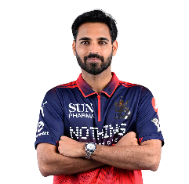
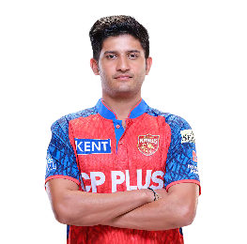
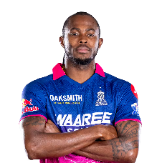
ROLE-BASED PLAYER ANALYTICS
INSIGHT
1.Vaibhav Suryavanshi dominated the anchor category with the highest batting impact, outperforming elite anchors like Shubman Gill and Virat Kohli.
2.Finn Allen recorded the highest strike rate among wicketkeepers, making him the most explosive wicketkeeper-batter in the tournament.
3.Priyansh Arya and Finn Allen emerged as top finisher candidates, but role-context analysis showed Nitish Kumar Reddy as the most balanced finishing option.
4.Kagiso Rabada and Bhuvneshwar Kumar dominated bowling efficiency, proving experienced pacers still drive match-winning impact.

BEST ANCHOR | BEST WICKETKEEPER

BASED ON BATTING IMPACT | BASED ON STRIKE RATE

BEST WICKETKEEPER
 | Total
Finn Allen | 214.11
Ryan Rickelton | 186.66
Vishnu Vinod | 187.5
BEST ANCHOR
 | Total
Shubman Gill | 5459.37678
Vaibhav Suryavanshi | 8931.0228
Virat Kohli | 6296.7375

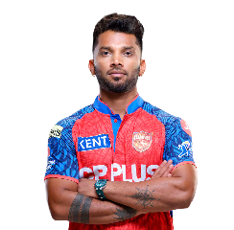

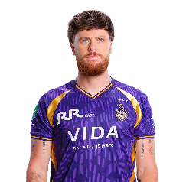

BEST FINISHER | BEST BOWLER

SR v/s B% | BASED ON FINAL BOWLING SCORE

BEST FINISHER
 | Sum of Strike Rate | Sum of Boundary Percentage
Finn Allen | 214.11 | 17.48%
Priyansh Arya | 211.62 | 16.21%
Vaibhav Suryavanshi | 237.3 | 17.40%
BEST BOWLER
 | Total
Bhuvneshwar Kumar | 136.32834452
Jofra Archer | 109.02
Kagiso Rabada | 136.36241935

Leadership_Analytics
COACH & CAPTAIN INTELLIGENCE
INSIGHT
1.Mahela Jayawardene delivered the highest Coach ROI, showing the strongest wins-to-budget conversion among all franchises.
2.Shubman Gill and Pat Cummins recorded the highest captain win percentages, proving leadership consistency directly impacts team success.
3.Ashish Nehra achieved 9 wins with one of the lowest purse spends, making him one of the most cost-efficient coaches of the season.
4.High spending by teams like CSK and KKR did not always convert into better coach efficiency, highlighting the importance of strategic resource utilization.

COACH ROI | WIN %

 | Total
Ashish Nehra | 0.066273932253
Mahela Jayawardene | 0.1038961039
Ricky Ponting | 0.0625
 | Total
Ajinkya Rahane | 42.86
Axar Patel | 50
Hardik Pandya | 28.57
Pat Cummins | 64.29
Rajat Patidar | 64.29
Rishabh Pant | 28.57
Riyan Parag | 57.14
Ruturaj Gaikwad | 42.86
Shreyas Iyer | 50
Shubman Gill | 64.29
(blank)



Coach Efficiency vs Budget

 | Wins
17.75 | 9
39.95 | 6
2.75 | 4
37 | 6
9.7 | 9
12.75 | 8
8 | 7
17.4 | 4
20.2 | 7
19.35 | 9

Best_XI_2026
BEST XI OF IPL 2026

OPENERS

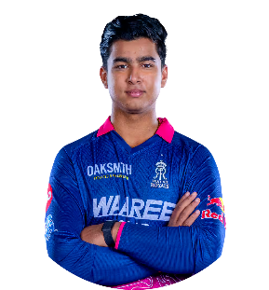
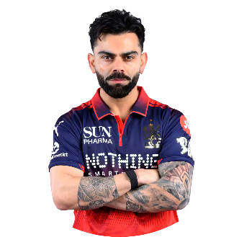

 | VAIBHAV SURYAVANSHI |  | VIRAT KOHLI

MIDDLE ORDER
MIDDLE ORDER
MIDDLE ORDER

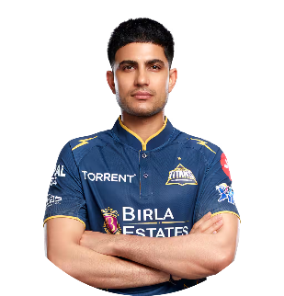
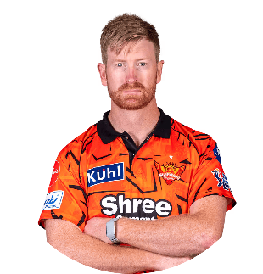
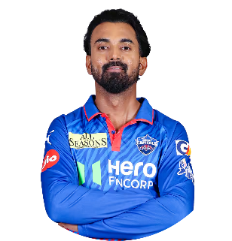

SHUBMAN GILL |  | HEINRICH KLAASEN |  | KL RAHUL

FINISHER

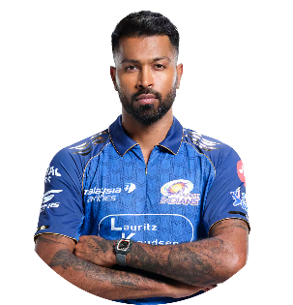

 |  | HARDIK PANDYA

ALL ROUNDER

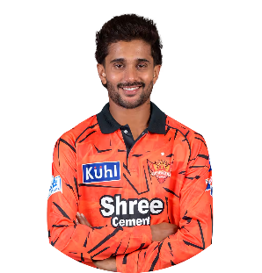

 |  | NITISH KUMAR REDDY

BOWLER 3
BOWLER 1
BOWLER 2

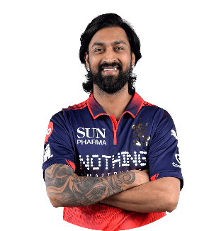
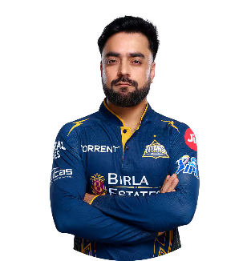
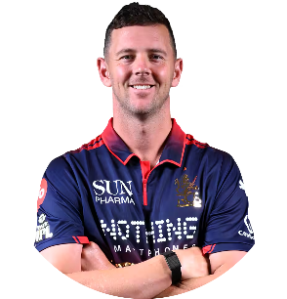

KUNAL PANDYA |  | HAZELWOOD |  |  | RASHID KHAN

BOWLER 4

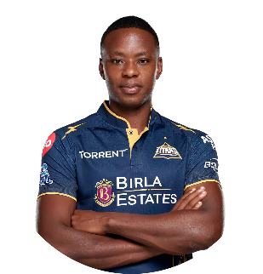

 |  | KAGISO RABADA

