Best_XI_2026
BEST XI OF IPL 2026

OPENERS

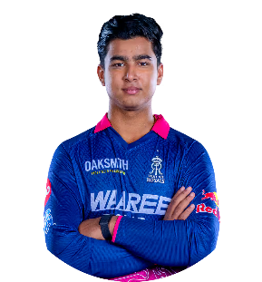
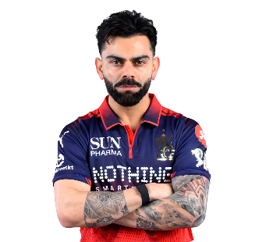

 | VAIBHAV SURYAVANSHI |  | VIRAT KOHLI

MIDDLE ORDER
MIDDLE ORDER
MIDDLE ORDER

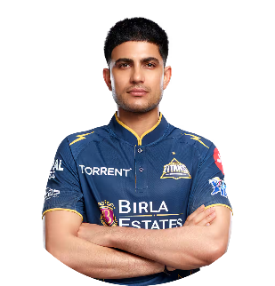
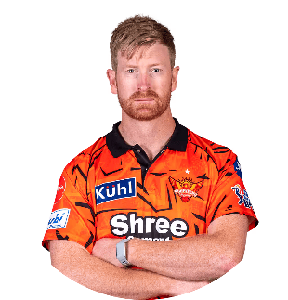
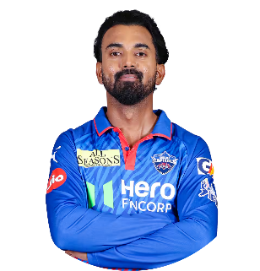

SHUBMAN GILL |  | HEINRICH KLAASEN |  | KL RAHUL

FINISHER

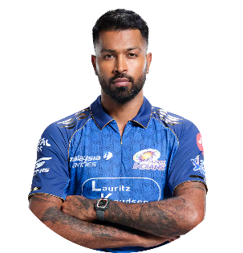

 |  | HARDIK PANDYA

ALL ROUNDER

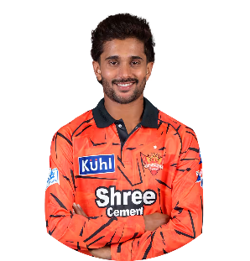

 |  | NITISH KUMAR REDDY

BOWLER 3
BOWLER 1
BOWLER 2

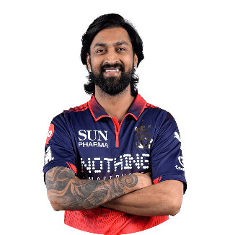
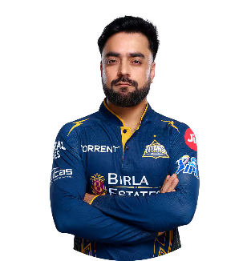
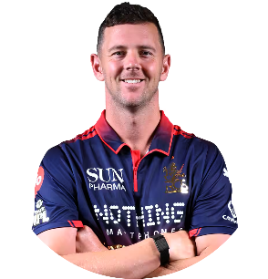

KUNAL PANDYA |  | HAZELWOOD |  |  | RASHID KHAN

BOWLER 4

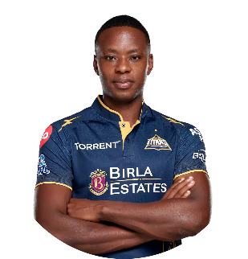

 |  | KAGISO RABADA

