Role_Analytics
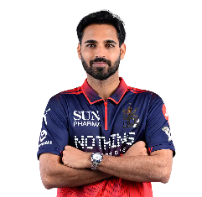
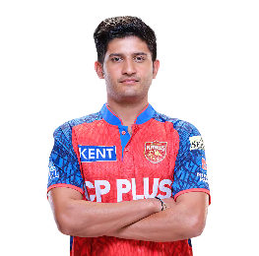

ROLE-BASED PLAYER ANALYTICS

BEST ANCHOR | BEST WICKETKEEPER

BASED ON BATTING IMPACT | BASED ON STRIKE RATE

BEST WICKETKEEPER
 | Total
Finn Allen | 214.11
Ryan Rickelton | 186.66
Vishnu Vinod | 187.5
BEST ANCHOR
 | Total
Shubman Gill | 5459.37678
Vaibhav Suryavanshi | 8931.0228
Virat Kohli | 6296.7375





BEST FINISHER | BEST BOWLER

SR v/s B% | BASED ON FINAL BOWLING SCORE

BEST FINISHER
 | Sum of Strike Rate | Sum of Boundary Percentage
Finn Allen | 214.11 | 0.17478510029
Priyansh Arya | 211.62 | 0.16208791209
Vaibhav Suryavanshi | 237.3 | 0.17396907216
BEST BOWLER
 | Total
Bhuvneshwar Kumar | 136.32834452
Jofra Archer | 109.02
Kagiso Rabada | 136.36241935

