Sheet 1
Data Benchmarking: ODJFS Employment and Wages
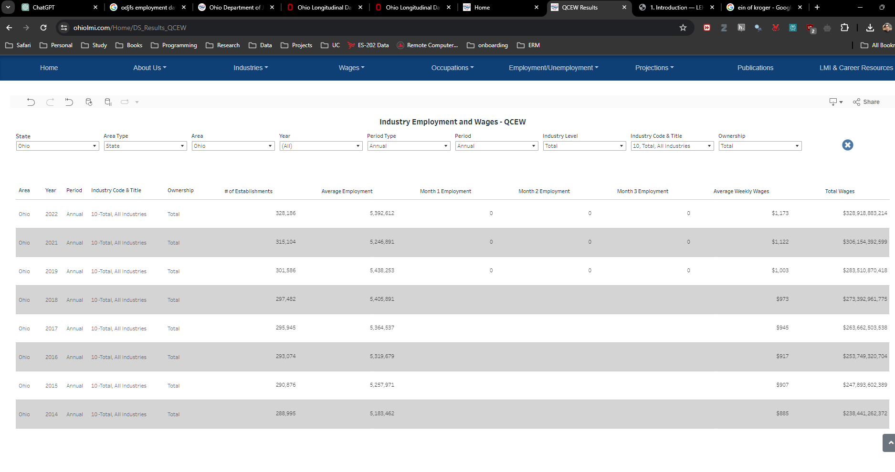

Data from Data tool for Labor Market Information (LMI) by ODJFS:
https://ohiolmi.com/Home/DS_Results_QCEW
Year (copy) | PeriodCode (copy) | Area (copy) | ID | Area | Year | Period | Industry Code & Title | Ownership | Area Type Name | State Name | # of Establishments | Average Employment | Month 1 Employment | Month 2 Employment | Month 3 Employment | Average Weekly Wages | Total Wages
2014 | 0 | Ohio | 190922980 | Ohio | 2014 | Annual | 10 -Total, All Industries | Total | State | Ohio | 288,995 | 5,183,462 |  |  |  | $885 | $238,441,262,372
2015 | 0 | Ohio | 191055044 | Ohio | 2015 | Annual | 10 -Total, All Industries | Total | State | Ohio | 290,876 | 5,257,971 |  |  |  | $907 | $247,893,602,389
2016 | 0 | Ohio | 191184500 | Ohio | 2016 | Annual | 10 -Total, All Industries | Total | State | Ohio | 293,074 | 5,319,679 |  |  |  | $917 | $253,749,320,704
2017 | 0 | Ohio | 191318873 | Ohio | 2017 | Annual | 10 -Total, All Industries | Total | State | Ohio | 295,945 | 5,364,537 |  |  |  | $945 | $263,662,503,538
2018 | 0 | Ohio | 191563471 | Ohio | 2018 | Annual | 10 -Total, All Industries | Total | State | Ohio | 297,482 | 5,405,891 |  |  |  | $973 | $273,392,961,775
2019 | 0 | Ohio | 191786100 | Ohio | 2019 | Annual | 10 -Total, All Industries | Total | State | Ohio | 301,586 | 5,438,253 | 0 | 0 | 0 | $1,003 | $283,510,870,418
2021 | 0 | Ohio | 192007867 | Ohio | 2021 | Annual | 10 -Total, All Industries | Total | State | Ohio | 315,104 | 5,246,891 | 0 | 0 | 0 | $1,122 | $306,154,392,599
2022 | 0 | Ohio | 192120564 | Ohio | 2022 | Annual | 10 -Total, All Industries | Total | State | Ohio | 328,186 | 5,392,612 | 0 | 0 | 0 | $1,173 | $328,918,883,214

Aggregated data from emp_df_agg_yr in employment_data_setup.R
year |  |  | tot_wages_b | avg_persons_mm |  |  |  |  |  |  |  | avg_persons |  |  |  |  | tot_wages
2006 |  |  | 190 | 4.99 |  |  |  |  |  |  |  | 4993172 |  |  |  |  | 189,588,698,545
2007 |  |  | 196 | 4.97 |  |  |  |  |  |  |  | 4972010 |  |  |  |  | 195,916,265,954
2008 |  |  | 197 | 4.91 |  |  |  |  |  |  |  | 4914082 |  |  |  |  | 197,373,904,822
2009 |  |  | 186 | 4.63 |  |  |  |  |  |  |  | 4632148 |  |  |  |  | 186,466,617,730
2010 |  |  | 189 | 4.59 |  |  |  |  |  |  |  | 4591446 |  |  |  |  | 189,240,445,748
2011 |  |  | 196 | 4.65 |  |  |  |  |  |  |  | 4645200 |  |  |  |  | 196,289,905,664
2012 |  |  | 205 | 4.71 |  |  |  |  |  |  |  | 4707162 |  |  |  |  | 205,046,552,942
2013 |  |  | 209 | 4.76 |  |  |  |  |  |  |  | 4755108 |  |  |  |  | 208,813,522,757
2014 |  |  | 217 | 4.81 |  |  |  |  |  |  |  | 4810630 | 93% |  |  |  | 217,306,492,160 | 91%
2015 |  |  | 226 | 4.87 |  |  |  |  |  |  |  | 4873912 | 93% |  |  |  | 225,666,911,272 | 91%
2016 |  |  | 230 | 4.93 |  |  |  |  |  |  |  | 4931185 | 93% |  |  |  | 230,258,073,845 | 91%
2017 |  |  | 239 | 4.96 |  |  |  |  |  |  |  | 4961631 | 92% |  |  |  | 238,830,195,790 | 91%
2018 |  |  | 247 | 4.99 |  |  |  |  |  |  |  | 4993270 | 92% |  |  |  | 247,237,633,605 | 90%
2019 |  |  | 266 | 5.2 |  |  |  |  |  |  |  | 5204830 | 96% |  |  |  | 265,995,723,421 | 94%
2020 |  |  | 257 | 4.71 |  |  |  |  |  |  |  | 4710098 |  |  |  |  | 257,215,242,799

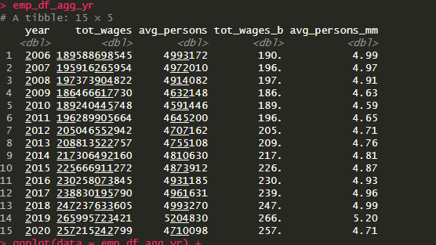
Key Note: | We are able to match more than 90% of the overall Ohio wages and employment data with ODJFS. Matching done between the research dataset used for regressions and official numbers on ODJFS website.

