Sheet1
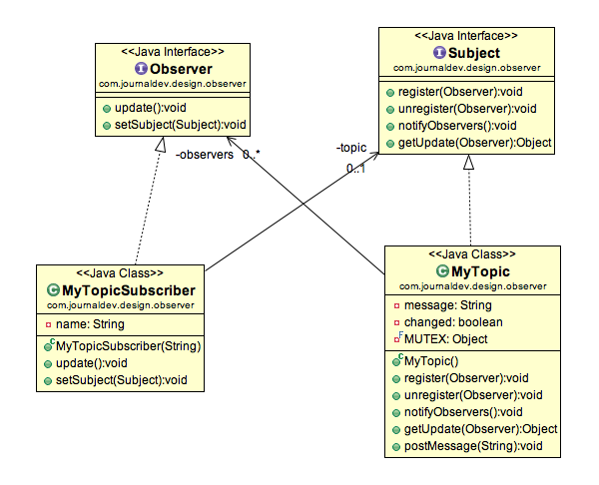
subject 1 (Observable) (Publisher) (Emitter) (Producer) | subject 2 (Observable) (Publisher) (Emitter) (Producer) | https://www.journaldev.com/1739/observer-design-pattern-in-java
2 | 3 | Subject
 |  | Methods for register and unregister themselves public void register(Observer obj); public void unregister(Observer obj); |  |  | Reactive Program uses Observer pattern: https://github.com/ReactiveX/RxJava/wiki http://www.vogella.com/tutorials/RxJava/article.html REST uses Observer Pattern: https://play.google.com/books/reader?id=stRJDwAAQBAJ&pg=GBS.PA11.w.4.0.0
 |  | Methods to notify all the observers of any change to perform updates public void notifyObservers(); public Object getUpdate(Observer obj);
 | PROCESSOR: (MUTEX obj)
 |  | Observer 1 (Subscriber) (Consumer) (Receiver) | Observer 2 (Subscriber) (Consumer) (Receiver) | Observer | //method to update the observer, used by subject public void update(); //attach with subject to observe public void setSubject(Subject sub);
 |  | 5 | -1
 |  |  |  |  | Model-View-Controller (MVC) frameworks also use Observer pattern where Model is the Subject and Views are observers that can register to get notified of any change to the model.

