Imaging Rules
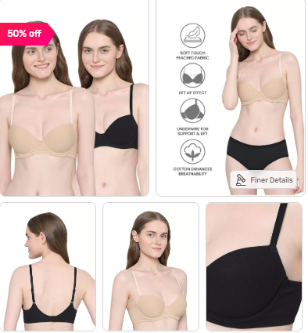
TataCliQ Luxury Guidelines

Image Guidelines-
Important from seller - Images to be delivered in 100 DPI (Dots Per Inch) - Image Aspect Ratio should be 1.11 (1316 X 1468 px)
1- Main/Front View with Model
2- Back View with Model
3-Side View (left)
4-Other Views (Right) / Detailed Zoomed In
5-Full Model View
6-Combo View (In Case of Multi-Pack Products)

Apparels Image –

Model Images are Mandatory (Men-Women: Top wear and Bottom wear). Make sure a complete product view is available from front and back side.

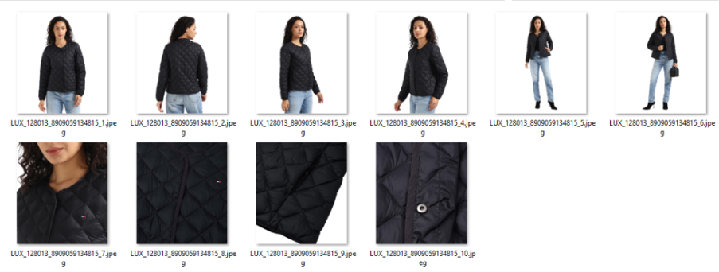

TataCliQ Fashion Guidelines

Mandatory views:
1- Main/Front View with Model
2- Back View with Model
3-Side View (left)
4-Other Views (Right) / Detailed Zoomed In
5-Full Model View
6-Combo View (In Case of Multi-Pack Products)

Dimensions & dpi:
1080 x 1440 or higher
72 dpi or 96 dpi

IMPORTANT Note: For both Platform - Fashion & Luxury
Do not provide tabletop/ghost/hanger views.
Head cropped image is not acceptable
Lifestyle images are accepted. Avoid props which could be misleading.
Images can be shared via Dropbox or Drive link
All images need to be renamed as per style code; images that do not match a style code will not be considered.
Minimum 4 views are mandatory including proper front and back view with model.
Proper combo view and separate front and back view of all the products are mandatory (In case of combo products)

