AMS Advertising Overview
Sponsored Products

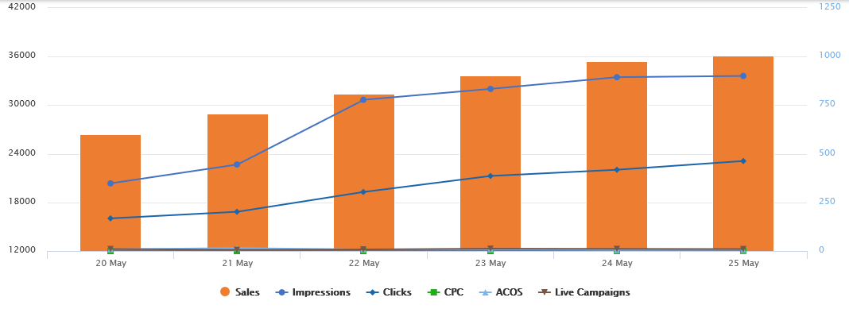

 | Date | Sales | Impressions | Clicks | CPC | ACOS | Live Campaigns
 | 05/20/2018 | $602 | 20,360 | 168 | $0.09 | 9% | 10
 | 05/21/2018 | $706 | 20,680 | 202 | $0.10 | 15% | 6
 | 05/22/2018 | $810 | 31,670 | 304 | $0.16 | 8% | 8
 | 05/23/2018 | $902 | 32,011 | 386 | $0.18 | 9% | 12
 | 05/24/2018 | $975 | 33,457 | 418 | $0.45 | 6% | 11
 | 05/25/2018 | $1,005 | 33,610 | 463 | $1.02 | 7% | 10

Headline Search

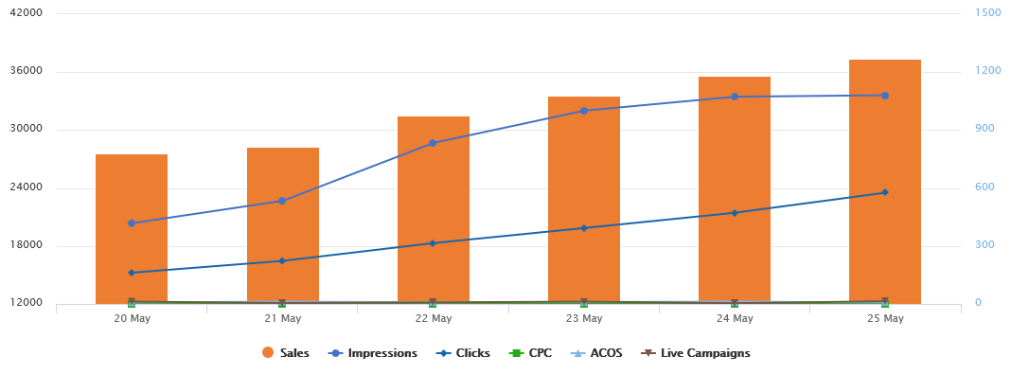

 | Date | Sales | Impressions | Clicks | CPC | ACOS | Live Campaigns
 | 05/20/2018 | $780 | 20,360 | 162 | $0.11 | 8% | 12
 | 05/21/2018 | $812 | 20,680 | 223 | $0.12 | 12% | 5
 | 05/22/2018 | $975 | 28,670 | 315 | $0.15 | 9% | 8
 | 05/23/2018 | $1,077 | 32,011 | 393 | $0.18 | 10% | 12
 | 05/24/2018 | $1,181 | 33,457 | 472 | $0.73 | 12% | 4
 | 05/25/2018 | $1,268 | 33,610 | 576 | $1.02 | 8% | 14

Product Display

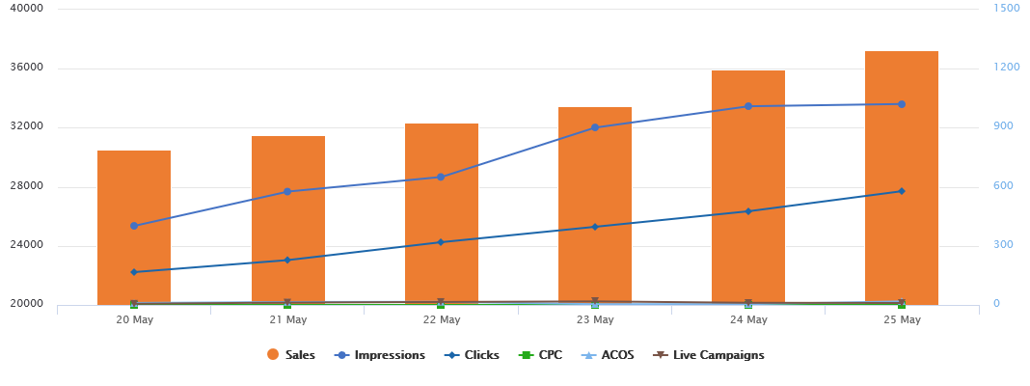

 | Date | Sales | Impressions | Clicks | CPC | ACOS | Live Campaigns
 | 05/20/2018 | $787 | 25,360 | 167 | $0.11 | 10% | 6
 | 05/21/2018 | $863 | 27,680 | 228 | $0.12 | 15% | 12
 | 05/22/2018 | $925 | 28,670 | 319 | $0.15 | 16% | 15
 | 05/23/2018 | $1,011 | 32,011 | 397 | $0.18 | 4% | 18
 | 05/24/2018 | $1,198 | 33,457 | 476 | $0.73 | 4% | 11
 | 05/25/2018 | $1,295 | 33,610 | 578 | $1.02 | 18% | 10

