Overview
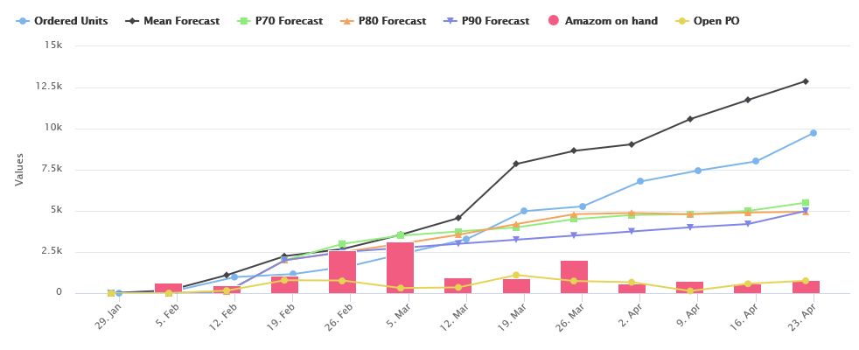

Date | Ordered units | Mean Forecast | P70 Forecast | P80 Forecast | P90 Forecast | Amazon on hand | Open PO
01/29/2018 | 0 | 0 | 0 | 0 | 0 | 0 | 0
02/05/2018 | 180 | 168 | 10 | 10 | 10 | 659 | 4
02/12/2018 | 980 | 1100 | 100 | 100 | 100 | 479 | 156
02/19/2018 | 1158 | 2253 | 2000 | 2000 | 2000 | 1076 | 785
02/26/2018 | 1658 | 2685 | 3000 | 2500 | 2500 | 2587 | 768
03/05/2018 | 2487 | 3548 | 3500 | 3000 | 2750 | 3144 | 309
03/12/2018 | 3285 | 4568 | 3750 | 3550 | 3000 | 966 | 351
03/19/2018 | 4985 | 7854 | 4000 | 4200 | 3250 | 889 | 1103
03/26/2018 | 5274 | 8652 | 4500 | 4800 | 3500 | 2027 | 738
04/02/2018 | 6785 | 9050 | 4750 | 4870 | 3750 | 568 | 663
04/09/2018 | 7455 | 10578 | 4800 | 4800 | 4000 | 763 | 131
04/16/2018 | 8012 | 11745 | 5000 | 4900 | 4200 | 589 | 572
04/23/2018 | 9754 | 12895 | 5500 | 4950 | 5000 | 810 | 756

