Overview Charts
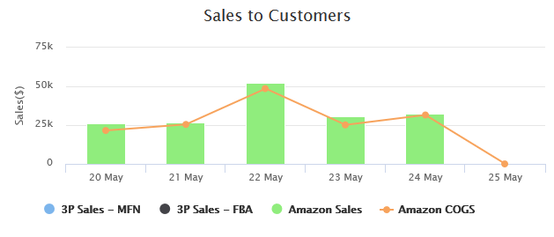

Date | 3p Sales - MFN | 3p Sales - FBA | Amazon Sales | Amazon COGS
05/20/2018 | $105 | $119 | $25,960 | 21,545
05/21/2018 | $0 | $0 | $26,450 | 25,443
05/22/2018 | $35 | $52 | $52,480 | 48,564
05/23/2018 | $35 | $39 | $30,897 | 25,153
05/24/2018 | $0 | $26 | $32,584 | 31,544
05/25/2018 | $140 | $0 | $0 | 0

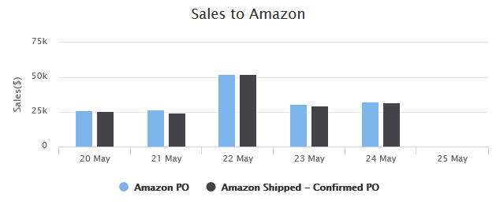

Date | Amazon PO | Amazon shipped-confirmed PO
05/20/2018 | $25,960 | $25,450
05/21/2018 | $26,450 | $24,343
05/22/2018 | $52,480 | $52,130
05/23/2018 | $30,897 | $29,765
05/24/2018 | $32,584 | $31,575
05/25/2018 | $0 | $0

Geographic Chart
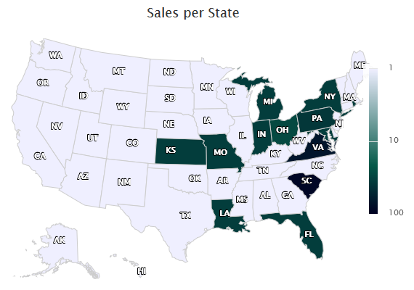
State | Sales | Units
SC | $89.99 | 1
VA | $69.98 | 1
PA | $39.21 | 1
RI | $34.99 | 1
MD | $34.99 | 1
NY | $34.99 | 1
FL | $34.99 | 1
MI | $34.99 | 1
IN | $34.99 | 1
LA | $34.99 | 1
MO | 34.99 | 1
KS | 34.99 | 1
OH | 28.67 | 1

