Sheet1
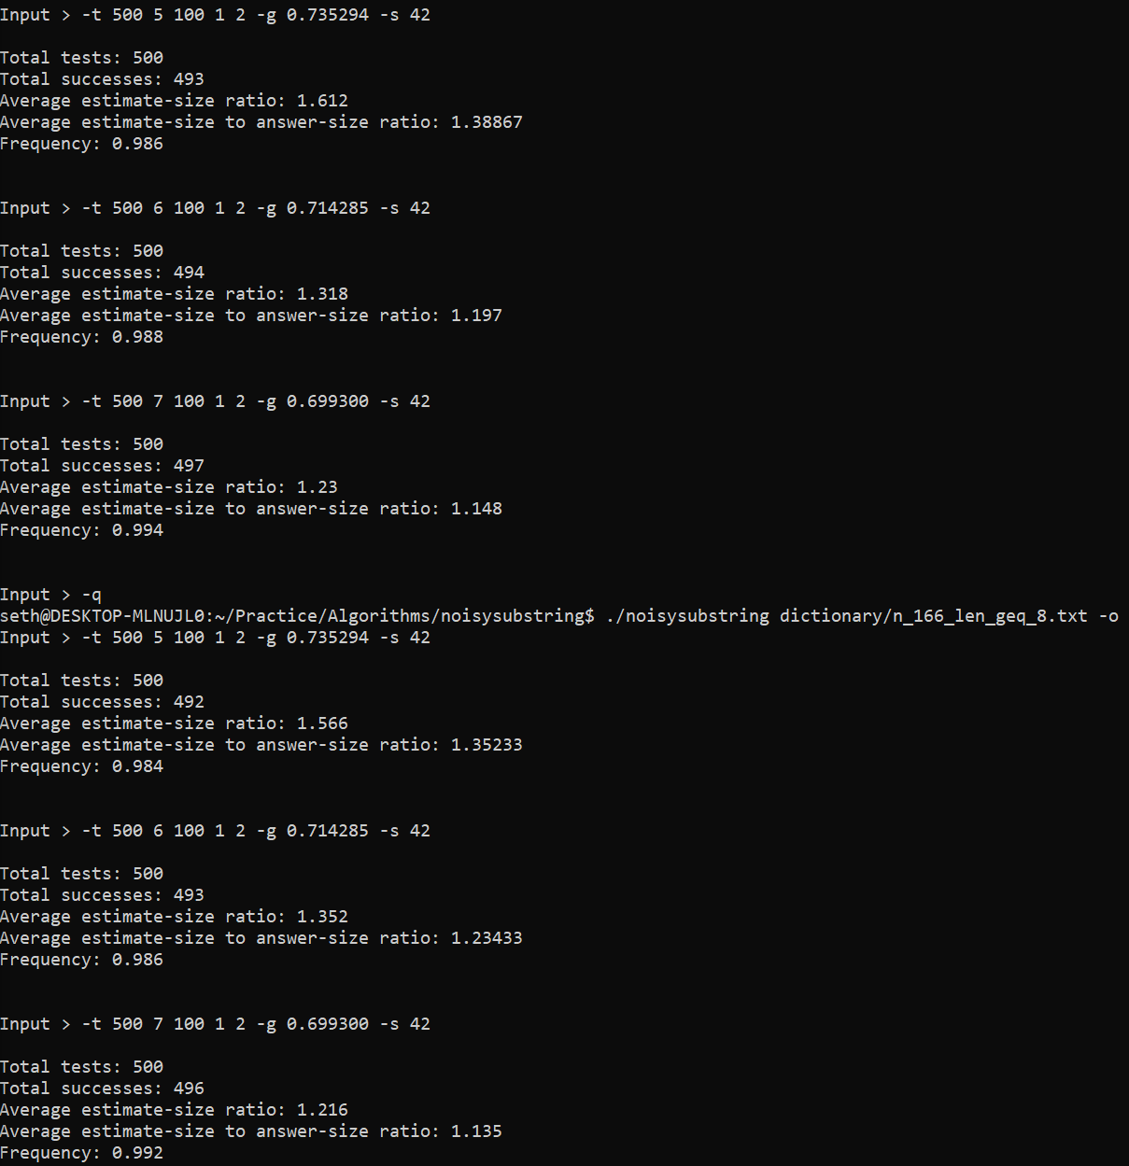
Word | Substr | Noisy | Est Size | Ans Size | Ratio | Success
promised | romis | romiss | 2 | 1 | 2 | TRUE
government | nment | nmenz | 1 | 1 | 1 | TRUE
suddenly | sudde | sugde | 1 | 1 | 1 | TRUE
provided | vided | videdh | 1 | 1 | 1 | TRUE
greatest | reatest | retest | 1 | 1 | 1 | TRUE
original | origina | otrgina | 2 | 1 | 2 | TRUE
existence | stence | stenceb | 1 | 1 | 1 | TRUE
american | merican | meican | 1 | 1 | 1 | TRUE
themselves | hemse | hemset | 1 | 1 | 1 | TRUE
original | origi | jrigi | 1 | 1 | 1 | TRUE
although | lthoug | lthodqg | 1 | 1 | 1 | TRUE
government | governme | giovernme | 1 | 1 | 1 | TRUE
possessed | posses | pfsses | 2 | 2 | 1 | TRUE
intended | ended | endeud | 1 | 1 | 1 | TRUE
directly | ectly | ecty | 6 | 2 | 3 | TRUE
exclaimed | laime | laimae | 1 | 1 | 1 | TRUE
according | ccord | ccor | 1 | 1 | 1 | TRUE
official | fficial | ffimal | 3 | 1 | 3 | TRUE
beginning | eginning | inning | 1 | 1 | 1 | TRUE
daughter | ghter | gmhter | 1 | 1 | 1 | TRUE
gutenberg | tenber | penber | 1 | 1 | 1 | TRUE
provided | rovided | rovide | 1 | 1 | 1 | TRUE
accepted | accepte | ascepte | 1 | 1 | 1 | TRUE
conversation | ersat | rsat | 1 | 1 | 1 | TRUE
questions | question | uestion | 2 | 2 | 1 | TRUE
required | quire | quiro | 1 | 1 | 1 | TRUE
difference | feren | ferenn | 2 | 2 | 1 | TRUE
religion | religio | rlifio | 2 | 2 | 1 | TRUE
direction | irection | iretion | 1 | 1 | 1 | TRUE
paragraph | aragraph | ragraph | 1 | 1 | 1 | TRUE
possessed | essed | assed | 1 | 1 | 1 | TRUE
considerable | nsider | nider | 6 | 3 | 2 | TRUE
scarcely | scarcel | crcel | 1 | 1 | 1 | TRUE
answered | swere | zswee | 1 | 1 | 1 | TRUE
supposed | uppose | uppoe | 1 | 1 | 1 | TRUE
attention | ttentio | ttentieo | 1 | 1 | 1 | TRUE
circumstances | mstances | mswtances | 1 | 1 | 1 | TRUE
everything | everythin | eveoythin | 1 | 1 | 1 | TRUE
father's | fathe | fatbe | 1 | 1 | 1 | TRUE
important | impor | impora | 1 | 1 | 1 | TRUE
foundation | foundatio | fouqdatio | 1 | 1 | 1 | TRUE
direction | irect | irece | 3 | 2 | 1.5 | TRUE
interesting | intere | iintere | 2 | 2 | 1 | TRUE
language | angua | ngua | 1 | 1 | 1 | TRUE
certainly | rtainly | rtanly | 1 | 1 | 1 | TRUE
individual | individua | indeividda | 1 | 1 | 1 | TRUE
promised | promi | prosi | 4 | 1 | 4 | TRUE
declared | clared | claed | 1 | 1 | 1 | TRUE
determined | ermine | erminde | 1 | 1 | 1 | TRUE
religion | igion | gion | 1 | 1 | 1 | TRUE
government | overnm | ovenm | 2 | 1 | 2 | TRUE
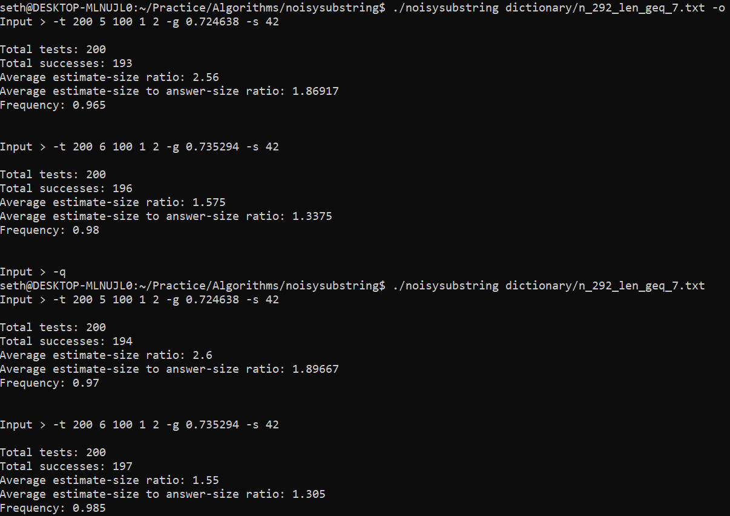
question | questio | gquestio | 2 | 2 | 1 | TRUE
government | vernmen | vejnmen | 1 | 1 | 1 | TRUE
religion | religio | religiot | 2 | 2 | 1 | TRUE
therefore | refor | refo | 1 | 1 | 1 | TRUE
understand | nderst | ndersr | 2 | 2 | 1 | TRUE
difference | ifferenc | iaferenc | 1 | 1 | 1 | TRUE
standing | nding | ndging | 1 | 1 | 1 | TRUE
followed | ollowed | ollonwed | 1 | 1 | 1 | TRUE
expression | pression | pressign | 1 | 1 | 1 | TRUE
foundation | foundat | fouxdat | 1 | 1 | 1 | TRUE
government | overnment | overnmenx | 1 | 1 | 1 | TRUE
appeared | ppeare | pparde | 2 | 1 | 2 | TRUE
knowledge | nowled | nowlex | 1 | 1 | 1 | TRUE
blockquote | blockqu | lockqu | 1 | 1 | 1 | TRUE
beginning | beginnin | begwnnin | 1 | 1 | 1 | TRUE
standing | standi | stadi | 1 | 1 | 1 | TRUE
expression | xpressi | xupressi | 1 | 1 | 1 | TRUE
particularly | particula | pzrticula | 2 | 2 | 1 | TRUE
trademark | demar | dlmar | 1 | 1 | 1 | TRUE
provided | ovided | ovidd | 1 | 1 | 1 | TRUE
particularly | rticularly | ticularly | 1 | 1 | 1 | TRUE
therefore | theref | therf | 3 | 1 | 3 | TRUE
different | ifferen | rffeen | 2 | 2 | 1 | TRUE
considered | onsider | onsidmr | 3 | 3 | 1 | TRUE
possession | ossess | osqsess | 2 | 2 | 1 | TRUE
direction | irection | irectioo | 1 | 1 | 1 | TRUE
original | origina | oripgina | 1 | 1 | 1 | TRUE
electronic | lectr | ltectr | 1 | 1 | 1 | TRUE
evidence | vidence | videdtnce | 1 | 1 | 1 | TRUE
thinking | hinki | hini | 5 | 1 | 5 | TRUE
wonderful | onder | otnder | 1 | 1 | 1 | TRUE
gentlemen | ntlem | ntlrm | 2 | 2 | 1 | TRUE
property | roperty | ropertfy | 1 | 1 | 1 | TRUE
official | offici | offic | 2 | 1 | 2 | TRUE
distance | distan | diistan | 1 | 1 | 1 | TRUE
scarcely | scarce | sare | 6 | 1 | 6 | FALSE
interest | ntere | otere | 3 | 2 | 1.5 | TRUE
entirely | ntire | ntinre | 2 | 1 | 2 | TRUE
military | milita | qilita | 1 | 1 | 1 | TRUE | |Y| | S*(Y) | SM(Y) |  | |Y| | S*(Y) | SM(Y)
concerning | concern | concemn | 1 | 1 | 1 | TRUE | 5 | 0.92125 | 0.67075 |  | 5 | 92125 | 67075
condition | onditio | onditiio | 1 | 1 | 1 | TRUE | 6 | 1.1055 | 0.6546 |  | 6 | 110550 | 65460
attention | ttentio | ttentilo | 1 | 1 | 1 | TRUE | 7 | 1.28975 | 0.55328 |  | 7 | 128975 | 55328
military | militar | miliar | 1 | 1 | 1 | TRUE | 8 | 1.474 | 0.48392 |  | 8 | 147400 | 48392
generally | erally | rally | 1 | 1 | 1 | TRUE | 9 | 1.65825 | 0.44289 |  | 9 | 165825 | 44289
ourselves | urselve | urserve | 1 | 1 | 1 | TRUE | 10 | 1.8425 | 0.4345 |  | 10 | 184250 | 43450
knowledge | nowled | nowledo | 1 | 1 | 1 | TRUE | 11 | 2.02675 | 0.45705 |  | 11 | 202675 | 45705
thousand | thous | thos | 4 | 1 | 4 | TRUE | 12 | 2.211 | 0.4854 |  | 12 | 221100 | 48540
remained | emain | emainl | 1 | 1 | 1 | TRUE | 13 | 2.39525 | 0.52117 |  | 13 | 239525 | 52117
interest | nteres | ntexres | 2 | 2 | 1 | TRUE | 14 | 2.5795 | 0.56126 |  | 14 | 257950 | 56126
provided | rovided | roided | 1 | 1 | 1 | TRUE
beginning | eginning | egnning | 1 | 1 | 1 | TRUE
scarcely | scarcel | scarcej | 1 | 1 | 1 | TRUE
somewhat | mewhat | mewha | 1 | 1 | 1 | TRUE
position | ositio | osicio | 1 | 1 | 1 | TRUE
military | litary | lfitay | 1 | 1 | 1 | TRUE
expected | xpected | xpecten | 1 | 1 | 1 | TRUE
government | rnment | rnxment | 1 | 1 | 1 | TRUE
wouldn't | ldn't | dn't | 2 | 2 | 1 | TRUE
situation | situati | situZi | 2 | 1 | 2 | TRUE
answered | nswere | nswre | 1 | 1 | 1 | TRUE
influence | nfluenc | nflcuenz | 1 | 1 | 1 | TRUE
wouldn't | wouldn' | wouljn' | 1 | 1 | 1 | TRUE
suddenly | ddenly | ddenlye | 1 | 1 | 1 | TRUE
especially | espec | esphec | 1 | 1 | 1 | TRUE
thinking | thinki | thivnki | 1 | 1 | 1 | TRUE
existence | existenc | exjnstenc | 1 | 1 | 1 | TRUE
interesting | interes | interexs | 2 | 2 | 1 | TRUE
probably | probabl | probl | 1 | 1 | 1 | TRUE
physical | ysica | yica | 1 | 1 | 1 | TRUE |  |  | Dict | Min |U| | Est | Acc | Av. Size
everything | veryth | verytm | 1 | 1 | 1 | TRUE |  |  | H1 | 5 | S*(Y)
observed | obser | obfsef | 1 | 1 | 1 | TRUE |  |  | H1 | 5 | SM(Y)
ordinary | rdinary | rdingy | 1 | 1 | 1 | FALSE |  |  | H1 | 6 | S*(Y)
thousand | thous | tous | 2 | 1 | 2 | TRUE |  |  | H1 | 6 | SM(Y)
observed | observ | oesehv | 1 | 1 | 1 | TRUE |  |  | H2 | 5 | S*(Y)
business | sines | sineys | 1 | 1 | 1 | TRUE |  |  | H2 | 5 | SM(Y)
accepted | accep | acccp | 1 | 1 | 1 | TRUE |  |  | H2 | 6 | S*(Y)
finished | finish | fihish | 1 | 1 | 1 | TRUE |  |  | H2 | 6 | SM(Y)
distribution | stributio | stridutio | 1 | 1 | 1 | TRUE |  |  | H2 | 7 | S*(Y)
required | quired | qusired | 1 | 1 | 1 | TRUE |  |  | H2 | 7 | SM(Y)
consider | nside | nsikp | 3 | 3 | 1 | TRUE |  |  | H3 | 6 | S*(Y)
together | gethe | getheu | 1 | 1 | 1 | TRUE |  |  | H3 | 6 | SM(Y)
ourselves | ourselve | ouselve | 1 | 1 | 1 | TRUE |  |  | H3 | 7 | S*(Y)
although | lthoug | lthotg | 1 | 1 | 1 | TRUE |  |  | H3 | 7 | SM(Y)
occasion | ccasio | ccsio | 1 | 1 | 1 | TRUE |  |  | H3 | 8 | S*(Y)
gentleman | tleman | klemanm | 1 | 1 | 1 | TRUE |  |  | H3 | 8 | SM(Y)
occasion | casion | casionl | 1 | 1 | 1 | TRUE
described | cribed | cribeo | 1 | 1 | 1 | TRUE |  |  |  | H1 | H2 | H3 | H4
different | fferent | ffernt | 1 | 1 | 1 | TRUE |  |  | 3 | 29 | 29 | 27 | 126
american | meric | xeic | 28 | 1 | 28 | TRUE |  |  | 4 | 35 | 33 | 29 | 133 | 385
condition | nditi | diti | 2 | 1 | 2 | TRUE |  |  | 5 | 42 | 37 | 32 | 126
particular | rticular | rticularh | 2 | 2 | 1 | TRUE |  |  | 6 | 48 | 40 | 34 | 106
thousand | thousa | thxousa | 1 | 1 | 1 | TRUE |  |  | 7 | 53 | 42 | 35 | 81 | 308
intended | ntende | nrtenne | 1 | 1 | 1 | TRUE |  |  | 8 | 55 | 44 | 36 | 55
themselves | hemse | hfmse | 1 | 1 | 1 | TRUE |  |  | 9 | 52 | 42 | 35 | 33
certainly | rtainly | rtainl | 1 | 1 | 1 | TRUE |  |  | 10 | 43 | 37 | 32 | 18
language | langua | angu | 1 | 1 | 1 | TRUE |  |  | 11 | 31 | 28 | 26 | 9
copyright | opyri | opyii | 1 | 1 | 1 | TRUE |  |  | 12 | 18 | 18 | 18 | 4
difference | iffer | ifler | 2 | 2 | 1 | TRUE |  |  | 13 | 8 | 10 | 10 | 1
exclaimed | exclaime | xxclaime | 1 | 1 | 1 | TRUE |  |  | 14 | 3 | 4 | 5 | 1
considered | onsidered | ownsidered | 1 | 1 | 1 | TRUE |  |  | 15 | 1 | 1 | 2 | 0
american | merican | emerican | 1 | 1 | 1 | TRUE |  |  | 16 | 0 | 0 | 1 | 0
associated | associate | associates | 1 | 1 | 1 | TRUE |  |  |  | 418 | 365 | 322
prepared | repar | reparr | 1 | 1 | 1 | TRUE
paragraph | ragra | rara | 4 | 1 | 4 | TRUE
information | ormat | trmat | 2 | 1 | 2 | TRUE |  |  |  | 87 |  |  | 377
excellent | cellent | cellenyt | 1 | 1 | 1 | TRUE |  |  |  | 105 |  |  | 399 | 1153
electronic | elect | delect | 1 | 1 | 1 | TRUE |  |  |  | 126 |  |  | 377
possible | ossible | nssile | 5 | 2 | 2.5 | TRUE |  |  |  | 144 |  |  | 319
question | uestion | udstion | 2 | 2 | 1 | TRUE |  |  |  | 159 |  |  | 242 | 921
instance | nstanc | nstanl | 1 | 1 | 1 | TRUE |  |  |  | 165 |  |  | 164
possible | ossible | jssible | 2 | 2 | 1 | TRUE |  |  |  | 156 |  |  | 99
pleasure | leasur | jleasur | 1 | 1 | 1 | TRUE |  |  |  | 129 |  |  | 54
thoughts | oughts | oughtsf | 1 | 1 | 1 | TRUE |  |  |  | 93 |  |  | 26
possessed | ossesse | ossbesse | 1 | 1 | 1 | TRUE |  |  |  | 54 |  |  | 11
condition | nditio | npitio | 1 | 1 | 1 | TRUE |  |  |  | 24 |  |  | 4
speaking | speakin | speaknp | 1 | 1 | 1 | TRUE |  |  |  | 9 |  |  | 2
government | rnment | rnmezt | 1 | 1 | 1 | TRUE |  |  |  | 3 |  |  | 0
together | ogether | ogther | 1 | 1 | 1 | TRUE |  |  |  | 0 |  |  | 0
thousand | housan | housa | 1 | 1 | 1 | TRUE |  |  |  | 1254 |  |  | 2074
father's | ather' | aher' | 1 | 1 | 1 | TRUE
impossible | impossibl | impyossibl | 1 | 1 | 1 | TRUE
complete | complet | complept | 1 | 1 | 1 | TRUE
provided | provide | proviwe | 1 | 1 | 1 | TRUE
understood | unders | tnders | 2 | 2 | 1 | TRUE
according | accordin | acordbin | 1 | 1 | 1 | TRUE
probably | bably | babEy | 1 | 1 | 1 | TRUE
daughter | daughte | daughteg | 1 | 1 | 1 | TRUE
remember | member | meber | 1 | 1 | 1 | TRUE
business | sines | sinos | 1 | 1 | 1 | TRUE
gentlemen | entle | enthle | 2 | 2 | 1 | TRUE
position | ositio | ositgo | 1 | 1 | 1 | TRUE
advantage | vantag | vdantag | 1 | 1 | 1 | TRUE
opportunity | opportunit | oppgrtuknit | 1 | 1 | 1 | TRUE
footnote | ootnote | ootnonte | 1 | 1 | 1 | TRUE
whatever | whateve | whaxeve | 1 | 1 | 1 | TRUE
interesting | eresti | eressti | 1 | 1 | 1 | TRUE
christian | christi | christ | 1 | 1 | 1 | TRUE
distance | istance | istawnce | 1 | 1 | 1 | TRUE
impossible | ssible | sisible | 2 | 2 | 1 | TRUE
whatever | tever | teveri | 1 | 1 | 1 | TRUE
consider | onsider | onsier | 3 | 3 | 1 | TRUE
certainly | ertain | extain | 1 | 1 | 1 | TRUE
considered | consid | connsid | 3 | 3 | 1 | TRUE
conversation | conversati | conversatig | 1 | 1 | 1 | TRUE
property | propert | propern | 1 | 1 | 1 | TRUE
certainly | ertainly | erstainly | 1 | 1 | 1 | TRUE
presented | resent | rsnt | 4 | 1 | 4 | FALSE
required | require | rpequirw | 1 | 1 | 1 | TRUE
existence | existe | eiste | 1 | 1 | 1 | TRUE
gentlemen | entleme | tntleme | 1 | 1 | 1 | TRUE
children | hildre | mhilsre | 1 | 1 | 1 | TRUE
political | litic | ltitim | 1 | 1 | 1 | TRUE
everything | every | eery | 1 | 1 | 1 | TRUE
direction | irect | iret | 5 | 2 | 2.5 | TRUE
happiness | happin | happi | 1 | 1 | 1 | TRUE
somewhat | omewha | omexha | 1 | 1 | 1 | TRUE
different | feren | fernn | 2 | 2 | 1 | TRUE
in't 2 | 2 | 1 true
together | gethe | getwe | 1 | 1 | 1 | TRUE
although | lthoug | lthug | 1 | 1 | 1 | TRUE
repeated | epeate | epte | 1 | 1 | 1 | FALSE
additional | dditiona | ddiqtiona | 1 | 1 | 1 | TRUE
additional | itiona | itiota | 1 | 1 | 1 | TRUE
character | aract | aracl | 1 | 1 | 1 | TRUE
government | overnm | oevnm | 2 | 1 | 2 | TRUE
conversation | versatio | vesatio | 1 | 1 | 1 | TRUE
marriage | marriag | mariag | 1 | 1 | 1 | TRUE
everything | every | eeery | 1 | 1 | 1 | TRUE
although | lthough | lthougdh | 1 | 1 | 1 | TRUE
something | somethin | sometein | 1 | 1 | 1 | TRUE
personal | persona | ersona | 1 | 1 | 1 | TRUE
entirely | entire | ventire | 1 | 1 | 1 | TRUE
expected | xpecte | xpfte | 7 | 1 | 7 | TRUE
foundation | ndati | natiy | 1 | 1 | 1 | FALSE
understand | nderstand | nderstanb | 1 | 1 | 1 | TRUE
strength | stren | strenr | 1 | 1 | 1 | TRUE
exclaimed | xclaimed | Zclaimed | 1 | 1 | 1 | TRUE
although | lthou | lqtho | 1 | 1 | 1 | TRUE
daughter | aughter | auaghterx | 1 | 1 | 1 | TRUE
trademark | ademark | adeark | 1 | 1 | 1 | TRUE
received | receiv | receijv | 1 | 1 | 1 | TRUE
presented | presente | prtseate | 1 | 1 | 1 | TRUE
themselves | emsel | msel | 1 | 1 | 1 | TRUE
distribution | tribut | rbut | 2 | 2 | 1 | TRUE
pleasant | leasant | leassant | 1 | 1 | 1 | TRUE
conversation | nversat | nversatg | 1 | 1 | 1 | TRUE
attention | attent | artent | 1 | 1 | 1 | TRUE
particular | particula | xparicula | 2 | 2 | 1 | TRUE
christian | ristian | ristaan | 1 | 1 | 1 | TRUE
presence | esence | esencn | 1 | 1 | 1 | TRUE
thinking | thinki | thinkmi | 1 | 1 | 1 | TRUE
instance | instan | instbn | 1 | 1 | 1 | TRUE
whatever | atever | atelver | 1 | 1 | 1 | TRUE
provided | rovided | rovidexd | 1 | 1 | 1 | TRUE
opportunity | rtunity | rcunity | 1 | 1 | 1 | TRUE
children | childre | crildre | 1 | 1 | 1 | TRUE
paragraph | aragraph | ajagraph | 1 | 1 | 1 | TRUE
knowledge | owled | owlead | 1 | 1 | 1 | TRUE
happiness | happines | happins | 1 | 1 | 1 | TRUE
perfectly | fectl | fctl | 2 | 1 | 2 | TRUE
considered | sidered | siderf | 3 | 1 | 3 | TRUE
afterwards | afterwar | aferwar | 1 | 1 | 1 | TRUE
important | portant | puortant | 1 | 1 | 1 | TRUE
influence | influen | inyquen | 1 | 1 | 1 | TRUE
discovered | scove | ove | 3 | 1 | 3 | TRUE
official | fficial | ffcial | 1 | 1 | 1 | TRUE
including | ncludin | pcluuin | 1 | 1 | 1 | TRUE
yourself | yoursel | yourselm | 1 | 1 | 1 | TRUE
accepted | cepted | ceptekd | 1 | 1 | 1 | TRUE
children | childre | cchilvdre | 1 | 1 | 1 | TRUE
original | rigin | riguic | 1 | 1 | 1 | TRUE
according | ccordin | ccordi | 1 | 1 | 1 | TRUE
expression | xpression | cfpression | 1 | 1 | 1 | TRUE
accepted | ccept | ccvept | 1 | 1 | 1 | TRUE
authority | uthorit | uthoorit | 1 | 1 | 1 | TRUE
father's | her's | hej's | 1 | 1 | 1 | TRUE
including | uding | uqding | 1 | 1 | 1 | TRUE
property | ropert | rapert | 1 | 1 | 1 | TRUE
appeared | appeare | aplare | 3 | 1 | 3 | TRUE
promised | omised | omisetd | 1 | 1 | 1 | TRUE
distribute | distrib | distribw | 2 | 2 | 1 | TRUE
observed | erved | ervind | 4 | 1 | 4 | TRUE
difficult | fficult | fficuzlt | 2 | 2 | 1 | TRUE
opposite | opposi | posi | 2 | 1 | 2 | TRUE
strength | streng | steng | 3 | 1 | 3 | TRUE
speaking | speakin | sptakin | 1 | 1 | 1 | TRUE
appeared | ppeared | ppleared | 1 | 1 | 1 | TRUE
therefore | therefor | theremor | 1 | 1 | 1 | TRUE
produced | duced | duled | 1 | 1 | 1 | TRUE
foundation | oundat | ouqndat | 1 | 1 | 1 | TRUE
individual | vidual | viual | 1 | 1 | 1 | TRUE
mentioned | mentio | menuio | 1 | 1 | 1 | TRUE
agreement | agreemen | agremen | 1 | 1 | 1 | TRUE
sometimes | metime | metimye | 1 | 1 | 1 | TRUE
following | llowi | leoqi | 1 | 1 | 1 | TRUE
copyright | yrigh | yrigt | 1 | 1 | 1 | TRUE
movement | ement | emenat | 2 | 2 | 1 | TRUE
standing | tanding | tcanding | 1 | 1 | 1 | TRUE
yourself | yours | oyours | 1 | 1 | 1 | TRUE
interest | teres | tpves | 10 | 2 | 5 | TRUE
difficult | ifficul | ifticul | 2 | 2 | 1 | TRUE
information | nformation | nformatwon | 1 | 1 | 1 | TRUE
distance | dista | isha | 2 | 1 | 2 | TRUE
suddenly | sudden | sudkden | 1 | 1 | 1 | TRUE
remember | emember | eember | 1 | 1 | 1 | TRUE
donations | donation | donbation | 1 | 1 | 1 | TRUE
generally | nerally | necrally | 1 | 1 | 1 | TRUE
perfectly | erfectly | erectl | 2 | 1 | 2 | TRUE
property | propert | proert | 1 | 1 | 1 | TRUE
perfectly | rfectly | rferctlyv | 1 | 1 | 1 | TRUE
beginning | nning | nnin | 1 | 1 | 1 | TRUE
difference | ifferen | iffrey | 2 | 2 | 1 | TRUE
copyright | pyrig | wpyrig | 1 | 1 | 1 | TRUE
official | offic | wlffic | 5 | 2 | 2.5 | TRUE
mentioned | mentione | mentine | 1 | 1 | 1 | TRUE
electronic | lectron | lecytron | 1 | 1 | 1 | TRUE
returned | urned | rnd | 25 | 1 | 25 | TRUE
particularly | articularly | aprticularl | 1 | 1 | 1 | TRUE
remember | remembe | rremembk | 1 | 1 | 1 | TRUE
influence | luenc | luernc | 1 | 1 | 1 | TRUE
therefore | efore | efbre | 1 | 1 | 1 | TRUE
different | iffere | ifferez | 2 | 2 | 1 | TRUE
different | fferent | ffercet | 2 | 1 | 2 | TRUE
presence | presen | frescn | 2 | 2 | 1 | TRUE
children | hildren | hzildren | 1 | 1 | 1 | TRUE
information | mation | maion | 2 | 1 | 2 | TRUE
something | mething | methlng | 1 | 1 | 1 | TRUE
beautiful | eautiful | eautful | 1 | 1 | 1 | TRUE
movement | oveme | ovemee | 1 | 1 | 1 | TRUE
pleasure | pleas | pwlnas | 2 | 2 | 1 | TRUE
whatever | ateve | teve | 1 | 1 | 1 | TRUE
expected | expecte | expepcte | 1 | 1 | 1 | TRUE
questions | uestio | uesbtio | 2 | 2 | 1 | TRUE
presented | ented | enyted | 1 | 1 | 1 | TRUE
property | propert | pcopert | 1 | 1 | 1 | TRUE
declared | clare | clar | 1 | 1 | 1 | TRUE
wonderful | onder | ondr | 2 | 1 | 2 | TRUE
direction | rection | reltion | 1 | 1 | 1 | TRUE
immediately | mmediate | mmdikate | 1 | 1 | 1 | TRUE
declared | eclar | ecliar | 1 | 1 | 1 | TRUE
understood | rstood | rystood | 1 | 1 | 1 | TRUE
considered | idere | iere | 14 | 1 | 14 | TRUE
directly | ectly | ectl | 2 | 2 | 1 | TRUE
terrible | rrible | rrivlp | 1 | 1 | 1 | TRUE
official | ficia | fkcia | 1 | 1 | 1 | TRUE
standing | tandi | trndi | 1 | 1 | 1 | TRUE
influence | fluen | fhuen | 1 | 1 | 1 | TRUE
impossible | impossib | imposib | 1 | 1 | 1 | TRUE
produced | roduced | rogduced | 1 | 1 | 1 | TRUE
appeared | appear | appger | 3 | 2 | 1.5 | TRUE
distribute | distribut | distrwbut | 2 | 2 | 1 | TRUE
expression | pressio | pessiou | 2 | 1 | 2 | TRUE
couldn't | couldn' | couln' | 1 | 1 | 1 | TRUE
difference | ifferen | ffern | 3 | 2 | 1.5 | TRUE
beginning | inning | iningo | 3 | 1 | 3 | TRUE
accepted | accepte | aclepte | 1 | 1 | 1 | TRUE
agreement | greeme | greem | 1 | 1 | 1 | TRUE
possessed | ossessed | ossessedd | 1 | 1 | 1 | TRUE
personal | rsona | rsonra | 1 | 1 | 1 | TRUE
interest | intere | ilntere | 2 | 2 | 1 | TRUE
information | formation | formatimn | 1 | 1 | 1 | TRUE
appearance | ppearance | ppearnce | 1 | 1 | 1 | TRUE
complete | omplet | omelet | 1 | 1 | 1 | TRUE
permission | ermissi | ermiss | 1 | 1 | 1 | TRUE
considerable | considerabl | considwrabl | 1 | 1 | 1 | TRUE
conversation | ersatio | ewsatio | 1 | 1 | 1 | TRUE
strength | strengt | strent | 1 | 1 | 1 | TRUE
american | merica | merca | 1 | 1 | 1 | TRUE
electronic | lectron | lecron | 1 | 1 | 1 | TRUE
possession | ssess | bssess | 2 | 2 | 1 | TRUE
evidence | evidenc | fevidenc | 1 | 1 | 1 | TRUE
gentleman | tlema | tlelma | 1 | 1 | 1 | TRUE
possession | possessio | possemsio | 1 | 1 | 1 | TRUE
religious | religiou | religikau | 1 | 1 | 1 | TRUE
supposed | upposed | uppwsed | 1 | 1 | 1 | TRUE
understand | nders | nqer | 9 | 2 | 4.5 | TRUE
interest | terest | teret | 2 | 2 | 1 | TRUE
experience | perienc | oerienc | 1 | 1 | 1 | TRUE
determined | etermine | eter+ine | 1 | 1 | 1 | TRUE
scarcely | arcely | arcly | 2 | 1 | 2 | TRUE
information | mation | matio | 1 | 1 | 1 | TRUE
literary | terary | tervary | 1 | 1 | 1 | TRUE
influence | nfluence | nfuencb | 1 | 1 | 1 | TRUE
particular | particul | partiul | 2 | 2 | 1 | TRUE
influence | influen | influenk | 1 | 1 | 1 | TRUE
provided | rovide | rbvide | 1 | 1 | 1 | TRUE
complete | comple | compmle | 1 | 1 | 1 | TRUE
mentioned | entione | entone | 1 | 1 | 1 | TRUE
experience | perienc | perrienc | 1 | 1 | 1 | TRUE
including | ncludi | ncludei | 1 | 1 | 1 | TRUE
appeared | peare | pare | 1 | 1 | 1 | FALSE
excellent | cellen | celleen | 1 | 1 | 1 | TRUE
continued | contin | onin | 5 | 1 | 5 | TRUE
influence | influe | nflur | 1 | 1 | 1 | TRUE
finished | finis | fisnis | 1 | 1 | 1 | TRUE
position | osition | ositien | 1 | 1 | 1 | TRUE
thinking | hinking | hinkingx | 1 | 1 | 1 | TRUE
personal | ersonal | ersonl | 1 | 1 | 1 | TRUE
illustration | lustrati | lunstyati | 1 | 1 | 1 | TRUE
discovered | discovere | discovre | 1 | 1 | 1 | TRUE
questions | question | questioni | 2 | 2 | 1 | TRUE
government | overnment | kvernmnt | 1 | 1 | 1 | TRUE
paragraph | paragr | rpargr | 1 | 1 | 1 | TRUE
information | inform | infory | 1 | 1 | 1 | TRUE
considerable | sider | sidr | 3 | 3 | 1 | TRUE
observed | bserved | bsered | 1 | 1 | 1 | TRUE
therefore | therefo | thefo | 8 | 1 | 8 | TRUE
wouldn't | uldn't | aldn't | 2 | 2 | 1 | TRUE
information | informati | inforati | 1 | 1 | 1 | TRUE
pleasant | leasan | ledsan | 1 | 1 | 1 | TRUE
scarcely | arcely | arczly | 1 | 1 | 1 | TRUE
interesting | ntere | stere | 4 | 2 | 2 | TRUE
answered | swered | sweed | 1 | 1 | 1 | TRUE
certainly | certain | certai | 1 | 1 | 1 | TRUE
suddenly | udden | fudden | 1 | 1 | 1 | TRUE
authority | autho | itho | 7 | 1 | 7 | TRUE
religious | religi | relig | 2 | 2 | 1 | TRUE
necessary | cessary | cessanry | 1 | 1 | 1 | TRUE
conversation | versation | versativon | 1 | 1 | 1 | TRUE
paragraph | agrap | agap | 1 | 1 | 1 | TRUE
received | receive | rreceiva | 1 | 1 | 1 | TRUE
probably | obably | obabldy | 1 | 1 | 1 | TRUE
instance | tance | tane | 7 | 3 | 2.33333 | TRUE
copyright | yrigh | yigh | 2 | 1 | 2 | TRUE
distance | distanc | disttanc | 1 | 1 | 1 | TRUE
including | uding | udin | 1 | 1 | 1 | TRUE
probably | probabl | robabl | 1 | 1 | 1 | TRUE
foundation | ation | atpaon | 6 | 6 | 1 | TRUE
complete | omplet | mclet | 1 | 1 | 1 | TRUE
presented | presente | pressente | 1 | 1 | 1 | TRUE
pleasure | leasur | lemsur | 1 | 1 | 1 | TRUE
evidence | evide | evde | 5 | 1 | 5 | TRUE
described | descr | zscr | 1 | 1 | 1 | TRUE
remember | member | membler | 1 | 1 | 1 | TRUE
property | propert | prpert | 1 | 1 | 1 | TRUE
probably | probab | praobab | 1 | 1 | 1 | TRUE
especially | especial | especiaal | 1 | 1 | 1 | TRUE
everything | erythi | eryhi | 1 | 1 | 1 | TRUE
authority | authorit | uthyorit | 1 | 1 | 1 | TRUE
complete | omple | omrle | 1 | 1 | 1 | TRUE
questions | stions | sions | 6 | 1 | 6 | TRUE
trademark | radema | wadema | 1 | 1 | 1 | TRUE
knowledge | nowledge | owledge | 1 | 1 | 1 | TRUE
advantage | vantag | vantkag | 1 | 1 | 1 | TRUE
together | toget | tojet | 1 | 1 | 1 | TRUE
whatever | ateve | aeve | 3 | 1 | 3 | TRUE
business | sines | hines | 2 | 1 | 2 | TRUE
questions | question | questiokn | 2 | 2 | 1 | TRUE
expected | expec | exnec | 1 | 1 | 1 | TRUE
children | hildren | hiodren | 1 | 1 | 1 | TRUE
exclaimed | xclaim | xcllaim | 1 | 1 | 1 | TRUE
circumstances | rcumsta | rvcmsta | 1 | 1 | 1 | TRUE
continued | contin | contei | 1 | 1 | 1 | TRUE
speaking | eaking | aking | 1 | 1 | 1 | TRUE
important | impor | impos | 1 | 1 | 1 | FALSE
government | ernment | erment | 4 | 1 | 4 | TRUE
appearance | appearanc | appearanxc | 1 | 1 | 1 | TRUE
accepted | accep | ccep | 1 | 1 | 1 | TRUE
provided | ovide | ovidie | 1 | 1 | 1 | TRUE
entirely | tirely | tiregy | 1 | 1 | 1 | TRUE
military | litar | titar | 1 | 1 | 1 | TRUE
scarcely | rcely | rely | 1 | 1 | 1 | FALSE
promised | promise | romise | 1 | 1 | 1 | TRUE
physical | hysic | sysic | 1 | 1 | 1 | TRUE
according | cording | cordtng | 1 | 1 | 1 | TRUE
evidence | evide | evidei | 1 | 1 | 1 | TRUE
supposed | suppo | sppo | 3 | 1 | 3 | TRUE
position | positio | ositio | 1 | 1 | 1 | TRUE
gentleman | entleman | enjtleman | 1 | 1 | 1 | TRUE
soldiers | soldier | sozldier | 1 | 1 | 1 | TRUE
couldn't | ouldn' | oouldn' | 2 | 2 | 1 | TRUE
evidence | evidenc | esvidenc | 1 | 1 | 1 | TRUE
thousand | usand | uzsand | 1 | 1 | 1 | TRUE
soldiers | soldier | soldiyer | 1 | 1 | 1 | TRUE
thousand | usand | usad | 1 | 1 | 1 | TRUE
immediately | mediate | nediate | 1 | 1 | 1 | TRUE
religious | ligiou | Tiiou | 1 | 1 | 1 | TRUE
circumstances | rcumstances | rcumstancesx | 1 | 1 | 1 | TRUE
questions | tions | tionk | 15 | 2 | 7.5 | TRUE
direction | irection | irecwon | 1 | 1 | 1 | TRUE
ordinary | inary | nay | 8 | 1 | 8 | TRUE
advantage | advanta | madvanta | 1 | 1 | 1 | TRUE
trademark | radem | adem | 1 | 1 | 1 | TRUE
something | omething | jmeting | 1 | 1 | 1 | TRUE
including | includi | incldi | 1 | 1 | 1 | TRUE
christian | ristia | risfia | 1 | 1 | 1 | TRUE
donations | donat | dznat | 1 | 1 | 1 | TRUE
situation | uatio | uaitio | 1 | 1 | 1 | TRUE
gentlemen | gentleme | gentlbme | 1 | 1 | 1 | TRUE
declared | clared | clred | 1 | 1 | 1 | TRUE
remained | emaine | emaie | 1 | 1 | 1 | TRUE
following | followi | foliowi | 1 | 1 | 1 | TRUE
remained | remain | rmazn | 7 | 1 | 7 | TRUE
thoughts | thought | thoght | 1 | 1 | 1 | TRUE
agreement | reement | reemzent | 1 | 1 | 1 | TRUE
interesting | nteres | ntees | 2 | 2 | 1 | TRUE
complete | omplete | oplete | 1 | 1 | 1 | TRUE
individual | vidua | vudga | 1 | 1 | 1 | TRUE
evidence | videnc | vidnc | 1 | 1 | 1 | TRUE
copyright | pyright | pyrigqht | 1 | 1 | 1 | TRUE
physical | hysic | hysiqc | 1 | 1 | 1 | TRUE
afternoon | ternoo | xernoo | 1 | 1 | 1 | TRUE
occasion | asion | wasion | 1 | 1 | 1 | TRUE
distance | stanc | sthanc | 3 | 3 | 1 | TRUE
sometimes | ometimes | oetimes | 1 | 1 | 1 | TRUE
knowledge | nowledge | nnwldge | 1 | 1 | 1 | TRUE
thoughts | houghts | ioughts | 1 | 1 | 1 | TRUE
consider | conside | conide | 3 | 3 | 1 | TRUE
gentleman | entleman | sntleman | 1 | 1 | 1 | TRUE

