Form-7a
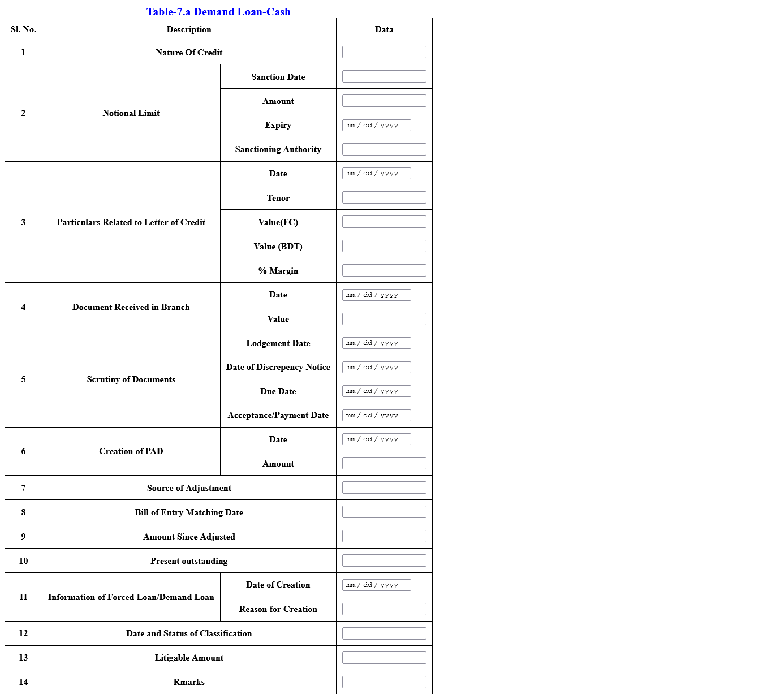
7a001
7a004
7a003
7a002
7a005
7a006
7a009
7a008
7a007
7a010
7a011
7a014
7a013
7a012
7a015
7a016
7a019
7a018
7a017
7a020
7a021
7a024
7a023
7a022
7a025
7a026
7a027

Form-7b
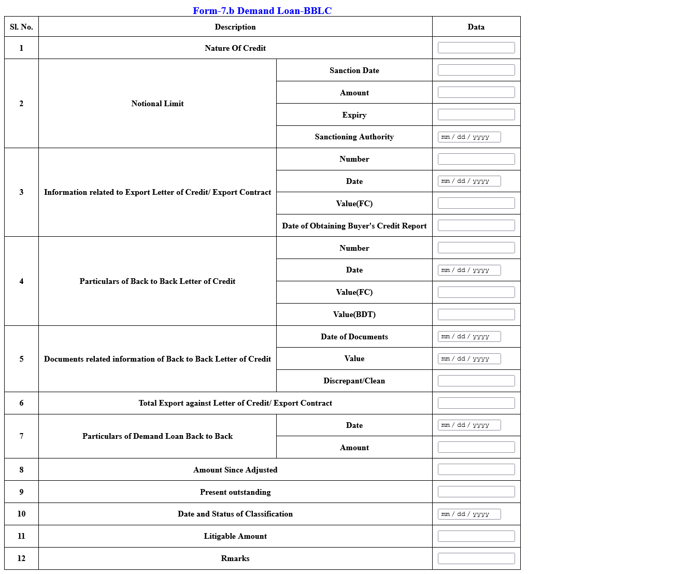
7b001
7b004
7b003
7b002
7b005
7b006
7b009
7b008
7b007
7b010
7b011
7b014
7b013
7b012
7b015
7b016
7b019
7b018
7b017
7b020
7b021
7b024
7b023
7b022

Form-7c
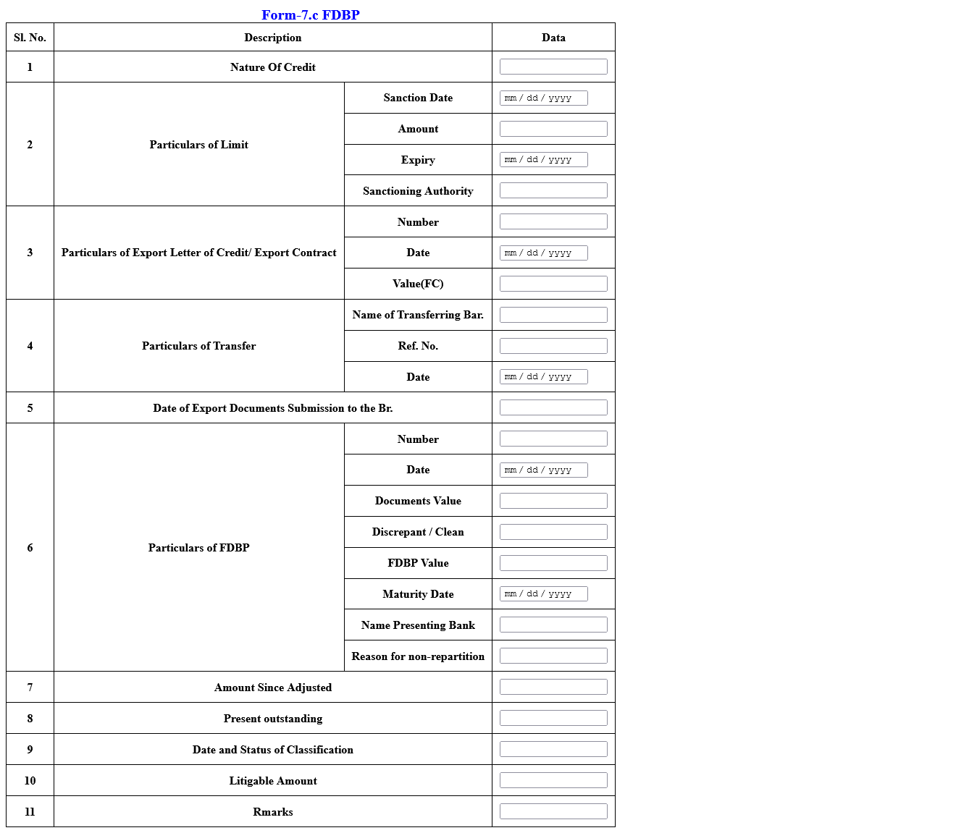
7c001
7c004
7c003
7c002
7c005
7c006
7c009
7c008
7c007
7c010
7c011
7c014
7c013
7c012
7c015
7c016
7c019
7c018
7c017
7c020
7c021
7c024
7c023
7c022
7c025

