Amine Plate
BioRedAm Activity Assay | Spectrophotometric Determination of NADPH Consumption

Enzyme: |  |  |  | IR00020
Assay Method: |  |  |  | photometric, robotic pipetting
Assay Conditions: |  |  |  | 50 mM carbonyl compound, 50 mM amine, 2 mM NADPH, 1 mg/mL IRED (crude lysate), 10% (v/v) DMSO, bicine–NaOH buffer (100 mM, pH 8.0)
Instrument Settings: |  |  |  | FLUOstar Omega plate reader; wavelength 370 nm; 30 °C, 1 h, measurement interval 30 s, pathlength mean of previous inital screening pathlenghts
Lab Journal Code: |  |  |  | BES-BC-001
Experiment Date: |  |  |  | 13.01.2022

Plate Layout: |  |  |  |  |  |  |  |  |  |  |  |  | Analysis:
 | 1 | 2 | 3 | 4 | 5 | 6 | 7 | 8 | 9 | 10 | 11 | 12 | ε370(NADPH) [M–1 cm–1]: |  | 2216
A | C003–A004 | C029–A004 | C046–A004 | C054–A004 | C105–A004 | C139–A004 | C003–A024 | C029–A024 | C046–A024 | C054–A024 | C105–A024 | C139–A024 | c(lysate) [mg mL–1]: |  | 1.0
B | C003–A009 | C029–A009 | C046–A009 | C054–A009 | C105–A009 | C139–A009 | C003–A027 | C029–A027 | C046–A027 | C054–A027 | C105–A027 | C139–A027
C | C003–A010 | C029–A010 | C046–A010 | C054–A010 | C105–A010 | C139–A010 | C003–A029 | C029–A029 | C046–A029 | C054–A029 | C105–A029 | C139–A029 | substrate combination | biotransformation slope |  | EVC slope [mAU min–1 cm–1] |  | activity [mU mg–1]
D | C003–A012 | C029–A012 | C046–A012 | C054–A012 | C105–A012 | C139–A012 | C003–A032 | C029–A032 | C046–A032 | C054–A032 | C105–A032 | C139–A032 |  | raw [mAU min–1] | corr [mAU min–1 cm–1] | mean | SD | value | EVC SD | Hit Finder
E | C003–A013 | C029–A013 | C046–A013 | C054–A013 | C105–A013 | C139–A013 | C003–A033 | C029–A033 | C046–A033 | C054–A033 | C105–A033 | C139–A033 | C003–A004 | -3.48 | -34.52 | -5.59 | 2.54 | 13.1 | 1.1 | Hit
F | C003–A014 | C029–A014 | C046–A014 | C054–A014 | C105–A014 | C139–A014 | C003–A034 | C029–A034 | C046–A034 | C054–A034 | C105–A034 | C139–A034 | C003–A009 | -3.69 | -33.74 | -4.86 | 1.16 | 13.0 | 0.5 |  | not verified
G | C003–A019 | C029–A019 | C046–A019 | C054–A019 | C105–A019 | C139–A019 | C003–A050 | C029–A050 | C046–A050 | C054–A050 | C105–A050 | C139–A050 | C003–A010 | -20.47 | -173.37 | -3.18 | 4.68 | 76.8 | 2.1 | Hit
H | C003–A022 | C029–A022 | C046–A022 | C054–A022 | C105–A022 | C139–A022 | C003–A055 | C029–A055 | C046–A055 | C054–A055 | C105–A055 | C139–A055 | C003–A012 | -118.24 | -991.31 | 0.15 | 3.18 | 447.4 | 1.4 | Hit
 |  |  |  |  |  |  |  |  |  |  |  |  | C003–A013 | -8.51 | -67.30 | -3.97 | 5.30 | 28.6 | 2.4 | Hit
PathCheck Data: |  |  |  | pathlength [cm] |  |  |  |  |  |  |  |  | C003–A014 | -7.94 | -67.66 | -3.37 | 2.42 | 29.0 | 1.1 | Hit
 | 1 | 2 | 3 | 4 | 5 | 6 | 7 | 8 | 9 | 10 | 11 | 12 | C003–A019 | -0.40 | -3.79 | -2.32 | 1.53 | 0.7 | 0.7
A | 0.101 | 0.122 | 0.123 | 0.121 | 0.135 | 0.122 | 0.127 | 0.137 | 0.134 | 0.123 | 0.129 | 0.117 | C003–A022 | -4.73 | -54.51 | -4.88 | 4.20 | 22.4 | 1.9 | Hit
B | 0.109 | 0.143 | 0.150 | 0.144 | 0.161 | 0.151 | 0.151 | 0.151 | 0.148 | 0.146 | 0.142 | 0.129 | C029–A004 | -6.68 | -54.55 | -6.00 | 5.67 | 21.9 | 2.6 | Hit
C | 0.118 | 0.151 | 0.153 | 0.147 | 0.144 | 0.154 | 0.157 | 0.156 | 0.157 | 0.142 | X | X | C029–A009 | -2.95 | -20.62 | -3.31 | 3.33 | 7.8 | 1.5
D | 0.119 | 0.153 | 0.142 | 0.152 | 0.131 | 0.153 | 0.140 | 0.132 | 0.139 | 0.132 | X | X | C029–A010 | -29.18 | -192.87 | -7.78 | 7.83 | 83.5 | 3.5 | Hit
E | 0.126 | 0.155 | 0.152 | 0.147 | 0.154 | 0.148 | 0.133 | 0.114 | 0.133 | 0.118 | X | X | C029–A012 | -20.69 | -134.80 | -2.27 | 5.68 | 59.8 | 2.6 | Hit
F | 0.117 | 0.144 | 0.149 | 0.141 | 0.129 | 0.154 | 0.138 | 0.145 | 0.145 | 0.135 | 0.100 | 0.104 | C029–A013 | -10.49 | -67.71 | 0.54 | 1.66 | 30.8 | 0.7 | Hit
G | 0.106 | 0.133 | 0.135 | 0.134 | 0.153 | 0.139 | 0.144 | 0.134 | 0.144 | 0.139 | 0.128 | 0.125 | C029–A014 | -6.20 | -42.93 | 0.36 | 3.75 | 19.5 | 1.7 | Hit
H | 0.087 | 0.117 | 0.111 | 0.106 | 0.122 | 0.104 | 0.118 | 0.115 | 0.111 | 0.114 | 0.106 | 0.100 | C029–A019 | -2.41 | -18.16 | -0.45 | 0.71 | 8.0 | 0.3
 |  |  |  |  |  |  |  |  |  |  |  |  | C029–A022 | -2.94 | -25.16 | -0.87 | 3.66 | 11.0 | 1.7
 | X | erroneous PathCheck reading due to precipitation –> kinetic data not analysed |  |  |  |  |  |  |  |  |  |  | C046–A004 | -3.26 | -26.39 | -2.99 | 6.00 | 10.6 | 2.7
 |  |  |  |  |  |  |  |  |  |  |  |  | C046–A009 | -1.94 | -12.92 | 0.08 | 2.26 | 5.9 | 1.0
Kinetic Data: |  |  |  | max. absorbance change [mAU/min] |  |  |  |  |  |  |  |  | C046–A010 | -24.31 | -159.07 | -6.24 | 2.35 | 69.0 | 1.1 | Hit
 | 1 | 2 | 3 | 4 | 5 | 6 | 7 | 8 | 9 | 10 | 11 | 12 | C046–A012 | -40.37 | -284.52 | -4.78 | 3.14 | 126.2 | 1.4 | Hit
A | -3.4753496503 | -6.6764506443 | -3.2583916084 | -1.3600524476 | -59.316293142 | -2.5499125874 | -0.31914335664 | -1.8129370629 | -0.31940559441 | 0.68697552448 | -2.1493881119 | -1.0820804196 | C046–A013 | -11.30 | -74.48 | -3.55 | 2.24 | 32.0 | 1.0 | Hit
B | -3.6909412685 | -2.945541958 | -1.9411449973 | -2.1215909091 | -6.9229020979 | -0.6722027972 | -2.4118881119 | -3.1245629371 | -2.1903846154 | -1.3132867133 | -3.3676573427 | -0.98863636364 | C046–A014 | -5.96 | -40.12 | -1.18 | 2.52 | 17.6 | 1.1 | Hit
C | -20.465169948 | -29.183615726 | -24.314188849 | -7.0201352394 | -102.25231726 | -3.2387237762 | -4.2608391608 | -2.0466783217 | -1.3558566434 | -0.64038461538 | X | X | C046–A019 | -2.01 | -14.84 | -12.42 | 8.78 | 1.1 | 4.0
D | -118.24077745 | -20.68605076 | -40.371974997 | -15.644522327 | -99.767818336 | -3.9471153846 | -1.6307692308 | -0.50480769231 | -1.6829545455 | -1.8125874126 | X | X | C046–A022 | -1.62 | -14.57 | -3.18 | 2.04 | 5.1 | 0.9
E | -8.5127622378 | -10.486318131 | -11.30189099 | -3.5741258741 | -10.402797203 | -1.5062062937 | -1.572194098 | -1.9773601399 | -1.9243006993 | -2.2410667984 | X | X | C054–A004 | -1.36 | -11.19 | -2.24 | 3.76 | 4.0 | 1.7
F | -7.9418706294 | -6.1954545455 | -5.9602460465 | -3.0375874126 | -16.531056643 | -0.9743006993 | -1.7892482517 | -2.9805944056 | -1.7680944056 | -1.1193181818 | -8.2788461538 | -1.8313811189 | C054–A009 | -2.12 | -14.78 | -4.70 | 4.18 | 4.5 | 1.9
G | -0.40236013986 | -2.4073426573 | -2.0061188811 | -1.0491258741 | -1.0661713287 | -0.21826923077 | -1.6361361485 | -1.8300699301 | -1.6527972028 | -1.3874125874 | -1.1537587413 | -1.1096153846 | C054–A010 | -7.02 | -47.67 | -2.08 | 2.08 | 20.6 | 0.9 | Hit
H | -4.7284965035 | -2.9372377622 | -1.6230769231 | -1.4343531469 | -3.0916958042 | -0.74090909091 | -1.1675699301 | -1.2952797203 | -1.2979895105 | -0.59571678322 | -0.84003786476 | -85.275502692 | C054–A012 | -15.64 | -102.71 | -0.43 | 1.42 | 46.2 | 0.6 | Hit
 |  |  |  |  |  |  |  |  |  |  |  |  | C054–A013 | -3.57 | -24.34 | -4.97 | 3.71 | 8.7 | 1.7 | Hit
 |  | artifact fit method |  |  |  |  |  |  |  |  |  |  | C054–A014 | -3.04 | -21.59 | -1.40 | 1.60 | 9.1 | 0.7 | Hit
 |  | fast fit method |  |  |  |  |  |  |  |  |  |  | C054–A019 | -1.05 | -7.86 | -7.33 | 4.28 | 0.2 | 1.9
 |  | manuel |  |  |  |  |  |  |  |  |  |  | C054–A022 | -1.43 | -13.57 | -4.52 | 3.25 | 4.1 | 1.5
 |  |  |  |  |  |  |  |  |  |  |  |  | C105–A004 | -59.32 | -439.33 | -4.22 | 2.06 | 196.4 | 0.9 | Hit
fast | INSERT IMAGE OF KINETIC CURVES HERE |  |  |  |  |  |  |  |  |  |  |  | C105–A009 | -6.92 | -42.87 | -2.28 | 4.99 | 18.3 | 2.3
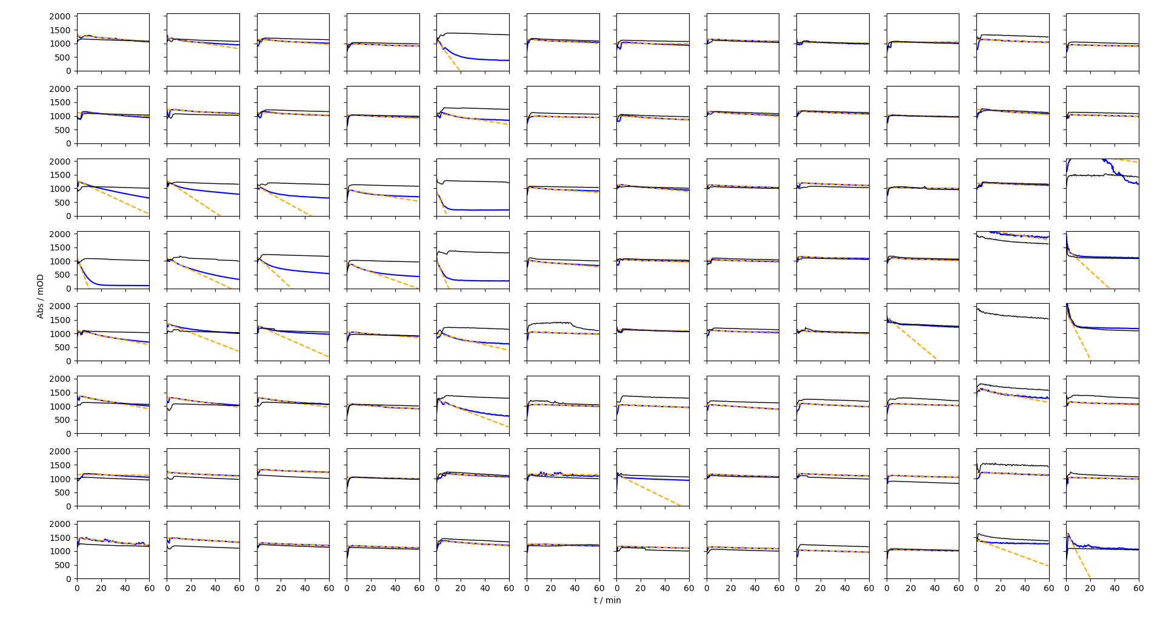
 |  |  |  |  |  |  |  |  |  |  |  |  | C105–A010 | -102.25 | -711.29 | -6.68 | 5.14 | 318.0 | 2.3 | Hit
 |  |  |  |  |  |  |  |  |  |  |  |  | C105–A012 | -99.77 | -761.82 | -4.03 | 19.12 | 342.0 | 8.6 | Hit
 |  |  |  |  |  |  |  |  |  |  |  |  | C105–A013 | -10.40 | -67.73 | -4.16 | 4.10 | 28.7 | 1.9 | Hit
 |  |  |  |  |  |  |  |  |  |  |  |  | C105–A014 | -16.53 | -128.30 | -6.68 | 7.37 | 54.9 | 3.3 | Hit
 |  |  |  |  |  |  |  |  |  |  |  |  | C105–A019 | -1.07 | -6.96 | -1.88 | 4.47 | 2.3 | 2.0
 |  |  |  |  |  |  |  |  |  |  |  |  | C105–A022 | -3.09 | -25.24 | -2.03 | 1.83 | 10.5 | 0.8 | Hit
 |  |  |  |  |  |  |  |  |  |  |  |  | C139–A004 | -2.55 | -20.90 | -4.58 | 4.88 | 7.4 | 2.2
 |  |  |  |  |  |  |  |  |  |  |  |  | C139–A009 | -0.67 | -4.46 | -5.39 | 3.94 | -0.4 | 1.8
 |  |  |  |  |  |  |  |  |  |  |  |  | C139–A010 | -3.24 | -21.10 | -3.61 | 3.90 | 7.9 | 1.8
 |  |  |  |  |  |  |  |  |  |  |  |  | C139–A012 | -3.95 | -25.86 | -2.07 | 1.82 | 10.7 | 0.8 | Hit
 |  |  |  |  |  |  |  |  |  |  |  |  | C139–A013 | -1.51 | -10.20 | -2.58 | 2.21 | 3.4 | 1.0
 |  |  |  |  |  |  |  |  |  |  |  |  | C139–A014 | -0.97 | -6.34 | -1.06 | 7.09 | 2.4 | 3.2
 |  |  |  |  |  |  |  |  |  |  |  |  | C139–A019 | -0.22 | -1.57 | -24.78 | 7.60 | -10.5 | 3.4
 |  |  |  |  |  |  |  |  |  |  |  |  | C139–A022 | -0.74 | -7.10 | -6.47 | 6.78 | 0.3 | 3.1
 |  |  |  |  |  |  |  |  |  |  |  |  | C003–A024 | -0.32 | -2.51 | -3.09 | 4.89 | -0.3 | 2.2
 |  |  |  |  |  |  |  |  |  |  |  |  | C003–A027 | -2.41 | -16.00 | -6.94 | 6.42 | 4.1 | 2.9
 |  |  |  |  |  |  |  |  |  |  |  |  | C003–A029 | -4.26 | -27.18 | -5.73 | 4.17 | 9.7 | 1.9 | Hit
 |  |  |  |  |  |  |  |  |  |  |  |  | C003–A032 | -1.63 | -11.63 | -2.65 | 5.42 | 4.1 | 2.4
 |  |  |  |  |  |  |  |  |  |  |  |  | C003–A033 | -1.57 | -11.81 | -5.21 | 6.26 | 3.0 | 2.8
 |  |  |  |  |  |  |  |  |  |  |  |  | C003–A034 | -1.79 | -12.94 | -3.69 | 4.82 | 4.2 | 2.2
 |  |  |  |  |  |  |  |  |  |  |  |  | C003–A050 | -1.64 | -11.35 | -7.81 | 3.34 | 1.6 | 1.5
 |  |  |  |  |  |  |  |  |  |  |  |  | C003–A055 | -1.17 | -9.90 | -8.21 | 5.92 | 0.8 | 2.7
 |  |  |  |  |  |  |  |  |  |  |  |  | C029–A024 | -1.81 | -13.23 | -6.13 | 2.71 | 3.2 | 1.2
 |  |  |  |  |  |  |  |  |  |  |  |  | C029–A027 | -3.12 | -20.76 | -2.48 | 4.00 | 8.2 | 1.8
artifacts |  |  |  |  |  |  |  |  |  |  |  |  | C029–A029 | -2.05 | -13.14 | -13.13 | 4.42 | 0.0 | 2.0
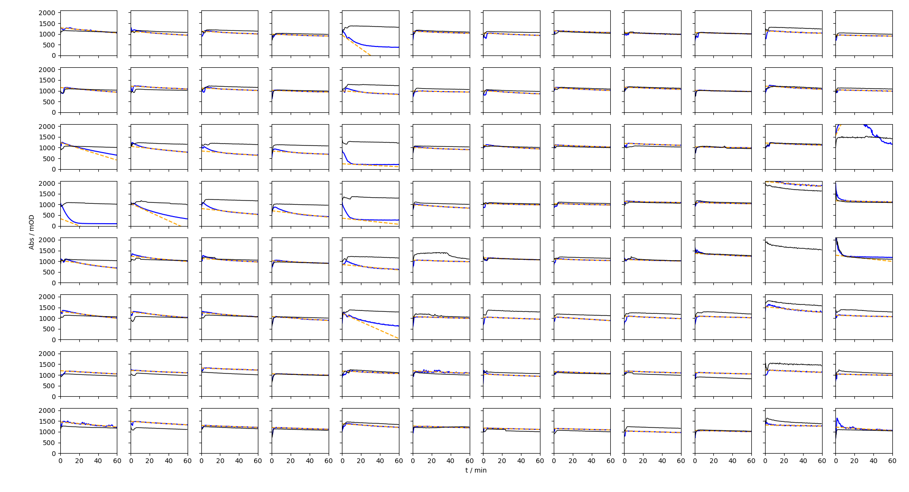
 |  |  |  |  |  |  |  |  |  |  |  |  | C029–A032 | -0.50 | -3.81 | -12.36 | 18.34 | -3.9 | 8.3
 |  |  |  |  |  |  |  |  |  |  |  |  | C029–A033 | -1.98 | -17.32 | -2.96 | 5.14 | 6.5 | 2.3
 |  |  |  |  |  |  |  |  |  |  |  |  | C029–A034 | -2.98 | -20.58 | -1.51 | 4.48 | 8.6 | 2.0
 |  |  |  |  |  |  |  |  |  |  |  |  | C029–A050 | -1.83 | -13.66 | -3.37 | 3.93 | 4.6 | 1.8
 |  |  |  |  |  |  |  |  |  |  |  |  | C029–A055 | -1.30 | -11.25 | -0.15 | 2.75 | 5.0 | 1.2
 |  |  |  |  |  |  |  |  |  |  |  |  | C046–A024 | -0.32 | -2.38 | -10.28 | 8.40 | -3.6 | 3.8
 |  |  |  |  |  |  |  |  |  |  |  |  | C046–A027 | -2.19 | -14.78 | -3.52 | 3.38 | 5.1 | 1.5
 |  |  |  |  |  |  |  |  |  |  |  |  | C046–A029 | -1.36 | -8.65 | -3.65 | 2.24 | 2.3 | 1.0
 |  |  |  |  |  |  |  |  |  |  |  |  | C046–A032 | -1.68 | -12.13 | -3.27 | 1.54 | 4.0 | 0.7 | Hit
 |  |  |  |  |  |  |  |  |  |  |  |  | C046–A033 | -1.92 | -14.45 | -4.90 | 3.62 | 4.3 | 1.6
 |  |  |  |  |  |  |  |  |  |  |  |  | C046–A034 | -1.77 | -12.21 | -2.20 | 3.89 | 4.5 | 1.8
 |  |  |  |  |  |  |  |  |  |  |  |  | C046–A050 | -1.65 | -11.48 | -16.32 | 8.74 | -2.2 | 3.9
 |  |  |  |  |  |  |  |  |  |  |  |  | C046–A055 | -1.30 | -11.67 | -7.94 | 4.66 | 1.7 | 2.1
 |  |  |  |  |  |  |  |  |  |  |  |  | C054–A024 | 0.69 | 5.58 | -8.18 | 3.78 | -6.2 | 1.7
 |  |  |  |  |  |  |  |  |  |  |  |  | C054–A027 | -1.31 | -9.02 | -7.30 | 3.75 | 0.8 | 1.7
 |  |  |  |  |  |  |  |  |  |  |  |  | C054–A029 | -0.64 | -4.52 | -10.55 | 6.40 | -2.7 | 2.9
 |  |  |  |  |  |  |  |  |  |  |  |  | C054–A032 | -1.81 | -13.71 | -1.82 | 4.40 | 5.4 | 2.0
 |  |  |  |  |  |  |  |  |  |  |  |  | C054–A033 | -2.24 | -18.97 | -14.30 | 7.08 | 2.1 | 3.2
 |  |  |  |  |  |  |  |  |  |  |  |  | C054–A034 | -1.12 | -8.29 | 0.00 | 3.77 | 3.7 | 1.7
 |  |  |  |  |  |  |  |  |  |  |  |  | C054–A050 | -1.39 | -9.95 | -6.55 | 7.40 | 1.5 | 3.3
 |  |  |  |  |  |  |  |  |  |  |  |  | C054–A055 | -0.60 | -5.20 | -4.33 | 2.55 | 0.4 | 1.2
 |  |  |  |  |  |  |  |  |  |  |  |  | C105–A024 | -2.15 | -16.60 | -7.83 | 7.47 | 4.0 | 3.4
 |  |  |  |  |  |  |  |  |  |  |  |  | C105–A027 | -3.37 | -23.64 | -6.68 | 5.32 | 7.7 | 2.4
 |  |  |  |  |  |  |  |  |  |  |  |  | C105–A029 | X | #VALUE! | -0.08 | 8.26 | #VALUE! | 3.7 | #VALUE!
fast |  |  |  |  |  |  |  |  |  |  |  |  | C105–A032 | X | #VALUE! | -5.78 | 5.71 | #VALUE! | 2.6 | #VALUE!
-3.4753496503 | -6.6764506443 | -3.2583916084 | -1.3600524476 | -59.316293142 | -2.5499125874 | -0.31914335664 | -1.8129370629 | -0.31940559441 | 0.68697552448 | -2.1493881119 | -1.0820804196 |  | C105–A033 | X | #VALUE! | -8.94 | 1.64 | #VALUE! | 0.7 | #VALUE!
-2.2149475524 | -2.945541958 | -1.6574300699 | -2.1215909091 | -6.9229020979 | -0.6722027972 | -2.4118881119 | -3.1245629371 | -2.1903846154 | -1.3132867133 | -3.3676573427 | -0.98863636364 |  | C105–A034 | -8.28 | -82.71 | -7.50 | 2.97 | 33.9 | 1.3 | Hit
-20.465169948 | -29.183615726 | -24.314188849 | -7.0201352394 | -102.25231726 | -3.2387237762 | -4.2608391608 | -2.0466783217 | -1.3558566434 | -0.64038461538 | -0.58155594406 | -5.8975524476 |  | C105–A050 | -1.15 | -9.05 | -9.22 | 2.80 | -0.1 | 1.3
-118.24077745 | -20.68605076 | -40.371974997 | -15.644522327 | -99.767818336 | -3.9471153846 | -1.6307692308 | -0.50480769231 | -1.6829545455 | -1.8125874126 | -7.1064289128 | -40.4242797 |  | C105–A055 | -0.84 | -7.89 | -6.20 | 4.89 | 0.8 | 2.2
-8.5127622378 | -17.080023631 | -19.396990589 | -3.5741258741 | -10.402797203 | -1.5062062937 | -0.72106643357 | -1.9773601399 | -1.9243006993 | -36.951008248 | -3.3505244755 | -86.610813809 |  | C139–A024 | -1.08 | -9.26 | -16.31 | 7.57 | -3.2 | 3.4
-7.9418706294 | -6.1954545455 | -5.9602460465 | -3.0375874126 | -16.531056643 | -0.9743006993 | -1.7892482517 | -2.9805944056 | -1.7680944056 | -1.1193181818 | -8.2788461538 | -1.8313811189 |  | C139–A027 | -0.99 | -7.68 | -7.54 | 4.83 | 0.1 | 2.2
-0.40236013986 | -2.4073426573 | -2.0061188811 | -1.0491258741 | -1.0661713287 | -0.21826923077 | -21.751665321 | -1.8300699301 | -1.6527972028 | -1.3874125874 | -1.1537587413 | -1.1096153846 |  | C139–A029 | X | #VALUE! | -4.21 | 2.91 | #VALUE! | 1.3 | #VALUE!
-4.7284965035 | -2.9372377622 | -1.6230769231 | -1.4343531469 | -3.0916958042 | -0.74090909091 | -1.1675699301 | -1.2952797203 | -1.2979895105 | -0.59571678322 | -16.209113599 | -85.275502692 |  | C139–A032 | X | #VALUE! | -4.23 | 1.08 | #VALUE! | 0.5 | #VALUE!
 |  |  |  |  |  |  |  |  |  |  |  |  | C139–A033 | X | #VALUE! | -4.54 | 2.89 | #VALUE! | 1.3 | #VALUE!
artifacts |  |  |  |  |  |  |  |  |  |  |  |  | C139–A034 | -1.83 | -17.58 | -1.41 | 2.71 | 7.3 | 1.2 | Hit
-3.949969132 | -3.0913281475 | -2.1226982755 | -1.4539737416 | -31.57789986 | -1.4615631559 | -1.8088488291 | -1.4132608964 | -1.3948882578 | -1.0746347286 | -1.826612339 | -0.78896983167 |  | C139–A050 | -1.11 | -8.88 | -13.89 | 8.59 | -2.3 | 3.9
-3.6909412685 | -2.2582211796 | -1.9411449973 | -1.288422439 | -2.8680742478 | -0.8199860065 | -2.4603037412 | -2.1589990534 | -1.648433963 | -0.89802033173 | -2.4791208791 | -0.98461538462 |  | C139–A055 | -85.28 | -849.52 | -2.96 | 1.29 | 382.0 | 0.6 |  | not verified
-13.705663555 | -4.6627484875 | -3.5181133473 | -2.6355681771 | -2.2744733396 | -1.682067745 | -2.8738033502 | -1.5141457793 | -1.5269868708 | -0.78151212084 | -1.6414701403 | 90.305148754
-16.830420103 | -20.081918016 | -4.8234102976 | -4.9819319258 | -4.7224110197 | -2.6557517389 | -1.045939828 | -1.0434539244 | -0.86096225872 | -0.90756883566 | -3.6882578096 | -0.9806478166 |  |  | one datapoint removed
-6.3156109808 | -4.1203770013 | -2.8010042392 | -2.0549862123 | -4.1948059431 | -1.2789068609 | -1.572194098 | -1.1198419558 | -1.1172572746 | -2.2410667984 | -1.5162036465 | -4.8217125334 |  |  | outlier
-5.3771412108 | -4.4668395275 | -3.2510021813 | -3.1350866362 | -19.686803649 | -1.3771741367 | -1.6230810388 | -2.8626744042 | -1.9795694942 | -1.2207103758 | -4.4167921966 | -1.0621064329
-2.5237189777 | -1.8724451578 | -1.5848047084 | -1.0480306211 | -1.9976457999 | -1.8266288019 | -1.6361361485 | -1.5697740462 | -1.427665967 | -1.1156932955 | -1.7290858954 | -0.91743013541
-3.8736469523 | -2.711050747 | -1.5403877022 | -1.3977692719 | -2.809252171 | -1.4276165782 | -1.0971724904 | -1.1330452319 | -1.2706095403 | -0.85306004857 | -0.84003786476 | -2.6977486933

