Sheet1
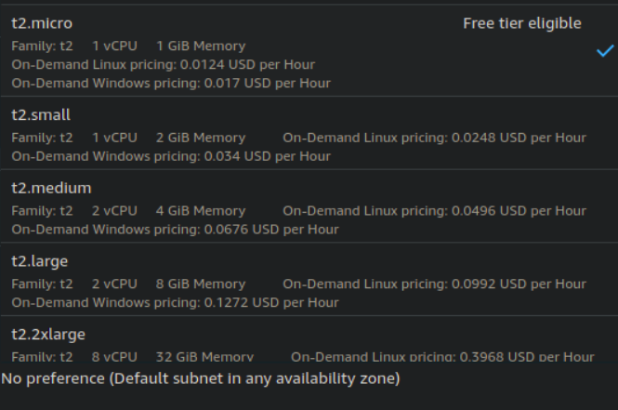
Modules | System Type | No of Users | Requests per second | Response TIme (ms) | CPU Utilization (%) | GPU Utilization | Remarks
Keyword_final | t2.medium | 1 | 1.1 | 1001(90th) | 50 | No GPU | Very less memory consumption
 | t2.medium | 2 | 1.4 | 1700(90th) | 50-70 | No GPU | Very less memory consumption
Hashtag_final | t2.micro | 1 | 0.9 | 1300 (90th percentile) | 1 | No GPU | Very less CPU Utilization. Network IO bound call
 | t2.micro | 60 | 50.3 | 1654(90th percentile) | < 15 | No GPU | Very less CPU Utilization. Network IO bound call
topic_final | t2.medium | 20 | 7.8 | 1000(90th percentile) | 95 - 100 | No GPU | Looks fine
Zeroshot_final | g4dn.large | 1 | 1.7 | 560(90th) | < 15 | 98 | Seperate instances for register and three instances for prediction
 | g4dn.large | 2 | 2.2 | 910(90th) | < 85 | 98

