Sheet1
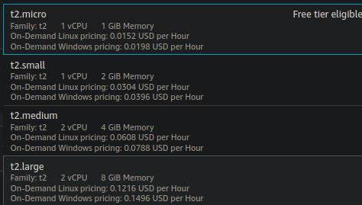
Modules | System | CPU | RAM (GB) | GPU | server side | client
Keyword module | ec2 - t2.micro | 1 x CPU | 1 | no gpu | 0.78185269364
Keyword module | EC2 - t2.medium | 2 x CPU | 4 | no gpu | 0.762518 | 0.765987
Keyword module | EC2 t2 small | 1 CPU | 2 | no gpu | 0.821347 | 0.8254476
Topic Module | EC2 - t2.medium | 2 x CPU | 4 | no gpu | 0.164748 | 0.1692
Topic Module | EC2 t2 small | 1 CPU | 2 | no gpu | 0.29997 | 0.304834
Zero shot | VastAI 1080 | 2 x Core i3-6100 | no info | GTX 1080 | 0.7052671 (called from inside)
Zero shot | EC2 t2 large | 2 x CPU | 8 | no gpu |  | 5.8327246714
Zero shot | EC2 - t2.medium | 2 x CPU | 4 | no gpu |  | 6.0031279325

