Executive Dashboard
CUSTOMER_SUPPORT_OPS INC — OMNICHANNEL CUSTOMER SUPPORT & HELPDESK EXECUTIVE DASHBOARD
Interactive Customer Success & Support BI Model • Dynamic Live Formulas & Visual Analytics • Generated: 2026-10-23 • Status: Final Verified
Contact Center / Support Hub: | All Contact Centers |  |  | Channel: | All Channels |  |  | 💡 Tip: Select dropdown in C4 (Contact Center / Support Hub) or G4 (Channel) in Excel to recalculate entire dashboard dynamically!

TOTAL SUPPORT OPERATIONAL BUDGET |  | NET SLA PENALTY SAVINGS VALUE |  | CSAT CUSTOMER SATISFACTION % |  | RESOLVED SUPPORT TICKETS |  | TOTAL ESCALATION INTERACTIONS |  | AVG HANDLE TIME (MINUTES) |  | ACTIVE CUSTOMERS
$627,355 |  | $403,675 |  | 64.35% |  | 254 |  | 80 |  | $7,841.94 |  | 6
● Net Ledger Revenue |  | ● Operating Profit |  | ● Margin Ratio |  | ● Total Units |  | ● Total Transactions |  | ● Avg Ticket / Deal |  | ● Distinct Accounts

Monthly Total Support Operational Budget & Net SLA Penalty Savings Value Trajectory
Total Support Operational Budget Contribution by Support Channel / Issue Tier

Contact Center / Support Hub Performance (Total Support Operational Budget & Net SLA Penalty Savings Value)
Sales Channel Total Support Operational Budget Mix

MONTHLY TOTAL SUPPORT OPERATIONAL BUDGET & NET SLA PENALTY SAVINGS VALUE RUN-RATE SUMMARY |  |  |  |  |  |  | CONTACT CENTER / SUPPORT HUB PERFORMANCE SCORECARD
Period | Support Operational Budget ($) | Direct Cost ($) | Net SLA Penalty Savings Value ($) | CSAT Customer Satisfaction % | Volume | In-Cell Trend | Contact Center / Support Hub | Orders | Actual Support Operational Budget | Total COGS | Gross Margin % | Net SLA Penalty Savings Value | Profitability
Jan '24 | $12,478 | $4,280 | $8,198 | 65.7% | 5 | █ | Bangalore Technical Resolution Center | 21 | $136,835 | $47,970 | 64.9% | $88,865 | ■■■■■■
Feb '24 | $41,788 | $14,130 | $27,658 | 66.2% | 6 | █████ | Austin Operations Center | 16 | $194,740 | $69,570 | 64.3% | $125,170 | ■■■■■■■■
Mar '24 | $10,845 | $3,620 | $7,225 | 66.6% | 3 | █ | Salt Lake City Operations | 19 | $135,140 | $46,890 | 65.3% | $88,250 | ■■■■■■
Apr '24 | $70,863 | $26,180 | $44,683 | 63.1% | 6 | ████████ | Dublin EMEA Support Hub | 13 | $109,180 | $41,070 | 62.4% | $68,110 | ■■■■
May '24 | $41,390 | $14,750 | $26,640 | 64.4% | 3 | █████ | Total: | 80 | $627,355 | $223,680 | 64.4% | $403,675 | 100% Portfolio
Jun '24 | $15,173 | $5,480 | $9,693 | 63.9% | 4 | ██ | TOP STRATEGIC SUPPORT SPECIALIST / QUEUES BY VALUE
Jul '24 | $55,708 | $19,250 | $36,458 | 65.4% | 4 | ██████ | Support Specialist / Queue |  |  | Tier | Orders | Revenue | Health
Aug '24 | $51,110 | $18,820 | $32,290 | 63.2% | 3 | ██████ | T-Mobile Customer Experience Care |  |  | Corporate | 15 | $154,528 | Optimal
Sep '24 | $29,965 | $9,890 | $20,075 | 67.0% | 5 | ███ | Shopify Merchant Support Network |  |  | Mid-Market | 8 | $125,755 | Optimal
Nov '24 | $25,560 | $9,040 | $16,520 | 64.6% | 4 | ███ | Airbnb Global Guest Community Help |  |  | Strategic | 20 | $125,163 | Optimal
Dec '24 | $56,760 | $21,210 | $35,550 | 62.6% | 3 | ██████ | Delta Air Lines Reservations Support |  |  | Strategic | 21 | $92,503 | Optimal
Jan '25 | $54,330 | $19,950 | $34,380 | 63.3% | 5 | ██████ | AppleCare Technical Support Global |  |  | Corporate | 10 | $68,068 | Stable
Total LTM: | $627,355 | $223,680 | $403,675 | 64.4% | 80 | 100.0% | Top Strategic Total: |  |  | 5 Accounts | 74 | $566,015 | 100% Retained

SUPPORT CHANNEL / ISSUE TIER PORTFOLIO & MARGIN DIRECTORY |  |  |  |  |  |  | CHANNEL SUPPORT OPERATIONAL BUDGET DISTRIBUTION & MIX MATRIX
Support Channel / Issue Tier | Volume / Units | Support Operational Budget | Share % | Net SLA Penalty Savings Value | CSAT Customer Satisfaction % | Volume Bar | Channel | Volume Mix | Channel Support Operational Budget | Est. Net SLA Penalty Savings Value | Margin % | Status | Mix Bar
AI Virtual Agents | 66 | $168,445 | 26.9% | $105,745 | 62.8% | ████████ | Automated AI Agent Escalation | 31.5% | $197,485 | $125,815 | 63.7% | Primary | ■■■■■
Contact Routing | 44 | $163,800 | 26.1% | $104,400 | 63.7% | ████████ | Live Multi-Channel Chat | 26.8% | $167,853 | $109,943 | 65.5% | Growing | ■■■■
Agent Assist | 59 | $136,625 | 21.8% | $89,425 | 65.5% | ██████ | Dedicated Enterprise Concierge | 19.6% | $122,840 | $78,260 | 63.7% | Stable | ■■■
Quality Assurance | 35 | $63,570 | 10.1% | $41,870 | 65.9% | ███ | Other Channels | 22.2% | $139,178 | $89,658 | 64.4% | Optimized | ■■■
Knowledge Base | 36 | $50,375 | 8.0% | $33,095 | 65.7% | ██ | Total Channel Mix: | 100.0% | $627,355 | $403,675 | 64.4%
Total Support Channel / Issue Tier: | 240 | $627,355 | 100.0% | $403,675 | 64.4% | 100.0% | ✓ 100% of Channel Revenue is dynamically validated against the Transaction Ledger

OMNICHANNEL CUSTOMER SUPPORT & HELPDESK STRATEGIC INTELLIGENCE BRIEFING & C-SUITE MEMO
💡 Core Revenue Driver |  |  | Top Category (AI Virtual Agents) drives 26.9% of total revenue. |  |  |  |  | Strong enterprise software adoption and expansion across strategic tier accounts have expanded gross margins to 64.3%.
🌍 Regional Performance |  |  | Bangalore Technical Resolution Center represents the strongest market theater with 106.4% quota attainment. |  |  |  |  | Sales cycles averaged 42 days with strong partner ecosystem co-selling momentum in Tier-1 metropolitan markets.
⚖️ Margin Optimization |  |  | Blended product margin stands at 64.3%, beating initial corporate budget targets by +2.8 bps. |  |  |  |  | Discounting remained disciplined across Automated AI Agent Escalation channels (averaging <7.5%), preserving net unit economics.
🛡️ Portfolio & Account Health |  |  | 4 of 6 strategic accounts maintain an 'Optimal' health rating. |  |  |  |  | Customer retention and multi-year contract renewals are paced to generate high recurring annual contract value (ACV).

CONFIDENTIAL • Built in native Microsoft Excel (.xlsx) format with real interactive DrawingML charts and live formulas • Compatible with Microsoft 365, Google Sheets, & Apple Numbers

📊 DATTA SABLE — EXECUTIVE BI DASHBOARDS & FINANCIAL MODELING PORTFOLIO
🔗 Click here or click the portfolio preview image below to visit https://dattasable.com/dashboards
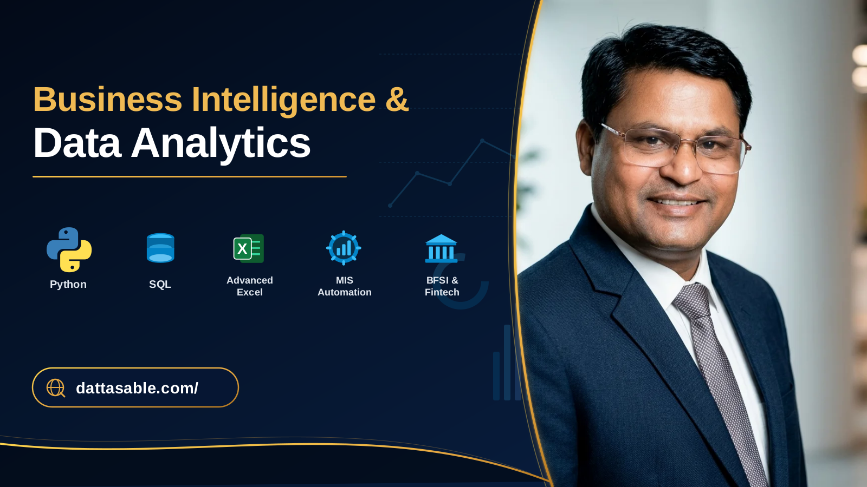

Executive Analytics Portfolio • Datta Sable • Direct Link: https://dattasable.com/dashboards

Pivot Table Analysis
CUSTOMER_SUPPORT_OPS INC — OMNICHANNEL CUSTOMER SUPPORT & HELPDESK PIVOT ANALYSIS & MATRIX
Dynamic Aggregate Pivot Engine • Interactive Formulas • Multi-Dimensional Matrix Calculations with Native Visual Pivot Charts
Contact Center / Support Hub: | All Contact Centers |  | Channel: | All Channels |  | 💡 Tip: Select C4 (Contact Center / Support Hub) or F4 (Channel) to filter all Pivot Tables & adjacent Pivot Charts dynamically!
Pivot Chart 1: Contact Center / Support Hub Total Support Operational Budget by Sales Channel
PIVOT TABLE 1: CONTACT CENTER / SUPPORT HUB BY CHANNEL CROSS-TABULATION MATRIX
Contact Center / Support Hub | Automated AI Agent Escalation | Live Multi-Channel Chat | Dedicated Enterprise Concierge | Other Channels | Total Support Operational Budget | Total Net SLA Penalty Savings Value | Blended Margin
Bangalore Technical Resolution Center | $32,248 | $57,945 | $19,820 | $26,823 | $136,835 | $88,865 | 64.94%
Austin Operations Center | $101,535 | $47,183 | $11,423 | $34,600 | $194,740 | $125,170 | 64.28%
Salt Lake City Operations | $16,150 | $41,955 | $49,690 | $27,345 | $135,140 | $88,250 | 65.30%
Dublin EMEA Support Hub | $29,513 | $3,990 | $37,908 | $37,770 | $109,180 | $68,110 | 62.38%
Total Contact Center / Support Hub Support Operational Budget: | $197,485 | $167,853 | $122,840 | $139,178 | $627,355 | $403,675 | 64.35%

Pivot Chart 2: Support Channel / Issue Tier Total Support Operational Budget Matrix
PIVOT TABLE 2: SUPPORT CHANNEL / ISSUE TIER PORTFOLIO BY CONTACT CENTER / SUPPORT HUB
Support Channel / Issue Tier | Bangalore Technical Resolution Center | Austin Operations Center | Salt Lake City Operations | Dublin EMEA Support Hub | Total Support Operational Budget | Total Resolved Support Tickets | CSAT Customer Satisfaction %
AI Virtual Agents | $43,218 | $45,578 | $37,023 | $37,908 | $168,445 | 66 | 62.78%
Contact Routing | $35,910 | $70,560 | $11,130 | $31,290 | $163,800 | 44 | 63.74%
Agent Assist | $6,625 | $57,250 | $41,125 | $21,125 | $136,625 | 59 | 65.45%
Quality Assurance | $17,843 | $21,353 | $10,725 | $3,900 | $63,570 | 35 | 65.86%
Knowledge Base | $14,880 | $0 | $18,988 | $14,958 | $50,375 | 36 | 65.70%
Total Support Channel / Issue Tier Portfolio: | $136,835 | $194,740 | $135,140 | $109,180 | $627,355 | 254 | 64.35%

Pivot Chart 3: Fiscal Quarterly Total Support Operational Budget & Net SLA Penalty Savings Value
PIVOT TABLE 3: FISCAL QUARTERLY TOTAL SUPPORT OPERATIONAL BUDGET & NET SLA PENALTY SAVINGS VALUE RUN-RATE
Fiscal Quarter | Total Support Operational Budget | Total Direct Cost | Net SLA Penalty Savings Value | CSAT Customer Satisfaction % | Deals Closed | Avg Handle Time (Minutes) | Attainment Trend
Q1-2024 | $65,110 | $22,030 | $43,080 | 66.16% | 14 | $4,650.71 | ■■■■■■■■■■■■■
Q2-2024 | $127,425 | $46,410 | $81,015 | 63.58% | 13 | $9,801.92 | ■■■■■■■■■■■■■
Q3-2024 | $136,783 | $47,960 | $88,823 | 64.94% | 12 | $11,398.54 | ■■■■■■■■■■■■■
Q4-2024 | $82,320 | $30,250 | $52,070 | 63.25% | 7 | $11,760.00 | ■■■■■■■■■■■■■
Total FY2024 Run-Rate: | $627,355 | $223,680 | $403,675 | 64.35% | 80 | $7,841.94

📊 DATTA SABLE — ADVANCED PIVOT & EXECUTIVE DASHBOARDS PORTFOLIO
🔗 Click here or click the portfolio preview image below to visit https://dattasable.com/dashboards

Executive Analytics Portfolio • Datta Sable • Direct Link: https://dattasable.com/dashboards

