Analysis and Chart
KPI'S
Average of Mental_Health_Score | Count of Affects_Academic_Performance | Average of Avg_Daily_Usage_Hours | Average of Sleep_Hours_Per_Night
6.2151319648 | 1705 | 5.1036363636 | 6.5987096774 |  | Count of Affects_Academic_Performance | Column Labels
 |  |  |  |  | Usage | No | Yes | Grand Total
62 | 1705 | 5.1 Hours | 6.6 Hours |  | Low | 87.0% | 13.0% | 100.0%
 |  |  |  |  | Medium | 44.7% | 55.3% | 100.0%
 | 0 |  |  |  | High | 15.6% | 84.4% | 100.0%
 |  |  |  |  | Grand Total | 40.7% | 59.3% | 100.0%

most used platform
platform | Count of Student_ID
YouTube | 165
WhatsApp | 54
WeChat | 15
VKontakte | 12
Twitter | 170
TikTok | 295
Snapchat | 149
LinkedIn | 176
LINE | 12
KakaoTalk | 12
Instagram | 389
Facebook | 256
Grand Total | 1705

usage vs sleep
platform | Average of Sleep_Hours_Per_Night
Low | 8.0015
Medium | 6.9545454545
High | 5.4030418251
Grand Total | 6.5987096774

Student Distribution by Usage Level and Academic Level
Row Labels | Count of Overall_Impact
Undergraduate | 721
Low | 78
Medium | 409
High | 234
Graduate | 632
Low | 77
Medium | 386
High | 169
High School | 352
Low | 45
Medium | 184
High | 123
Grand Total | 1705

Row Labels | Count of Student_ID
No | 694
Yes | 1011
Grand Total | 1705

Academic_Level | (All)

Sum of Student_ID | Column Labels
Row Labels | Low | Medium | High | Grand Total
No | 26.27% | 60.58% | 13.15% | 100.00%
Yes | 3.02% | 47.97% | 49.00% | 100.00%
Grand Total | 12.54% | 53.13% | 34.33% | 100.00%

dashboard
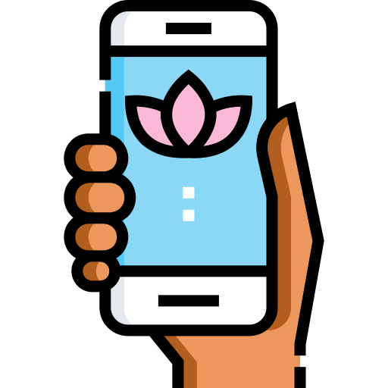
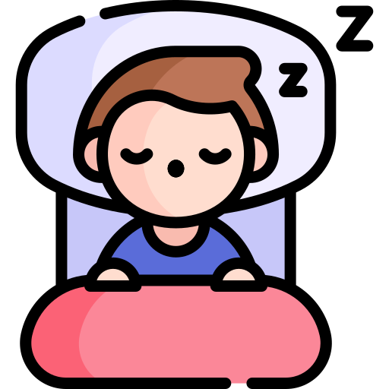
SOCIAL MEDIA IMPACT ON STUDENTS LIFE

Avg Daily Usage
Avg Sleep
Mental Health Score

5.1 Hours
6.6 Hours
62

Social Media Usage vs Academic Performance
 | No | Yes
Low | 87.0% | 13.0%
Medium | 44.7% | 55.3%
High | 15.6% | 84.4%
Most Used Platform By Students
 | Total
YouTube | 165
WhatsApp | 54
WeChat | 15
VKontakte | 12
Twitter | 170
TikTok | 295
Snapchat | 149
LinkedIn | 176
LINE | 12
KakaoTalk | 12
Instagram | 389
Facebook | 256

Student Distribution by Usage Level and Academic Level
 | Total
Low | 78
Medium | 409
High | 234
Low | 77
Medium | 386
High | 169
Low | 45
Medium | 184
High | 123
Students Academic Perfomacce
 | Total
No | 694
Yes | 1011
Social Media Usage vs Sleep Hours
 | Total
Low | 8.0015
Medium | 6.9545454545
High | 5.4030418251

