Screenshots
<<<TestScenario | <<<AuthAPITestScenario
<<<APITestScenario
<<<API-UPLOAD-FILE-006

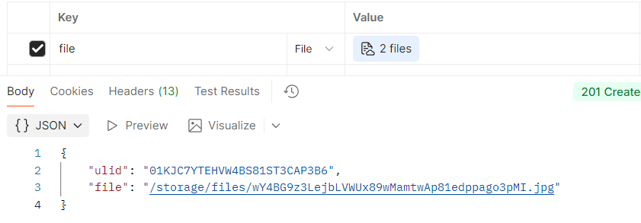
<<<API-UPLOAD-FILE-013

