Flow chart
Total number of 2015-2016 and 2017-2020 respondents n = 25,531
Asthma patients
n = 3,765 (14.7%)
Non asthma patients n = 21,766
20 years or older
n = 2,284 (8.9%)
Less than 20 years old n = 1,481
Non-missing values for insurance status
n = 2,275 (8.9%)
Missing values for insurance n = 9
Non-missing values for COPD, emphysema, or chronic bronchitis
n = 2,264 (8.9%)
Missing values for COPD, emphysema, or chronic bronchitis n = 9

Table1
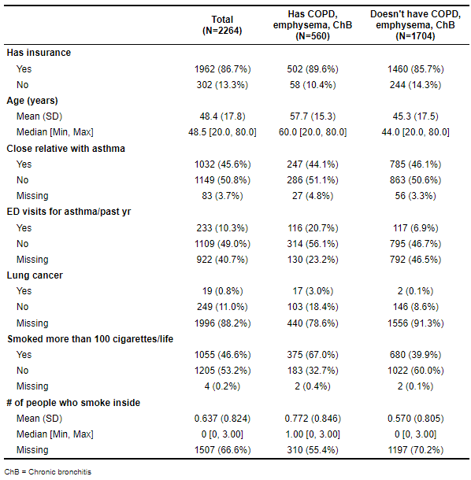
N is coming from the analytic sample, whereas %s are coming from the population.

