Flow chart
Total number of 2015-2016 and 2017-2020 respondents n = 25,531
Asthma patients
n = 3,765 (14.7%)
Non asthma patients n = 21,766
20 - 80 years old
n = 2,172 (8.5%)
Less than 20 years old or older than 80 years n = 1,593
Non-missing values for insurance status
n = 2,164 (8.5%)
Missing values for insurance n = 8
Non-missing values for COPD, emphysema, or chronic bronchitis
n = 2,154 (8.4%)
Missing values for COPD, emphysema, or chronic bronchitis n = 10

Table1
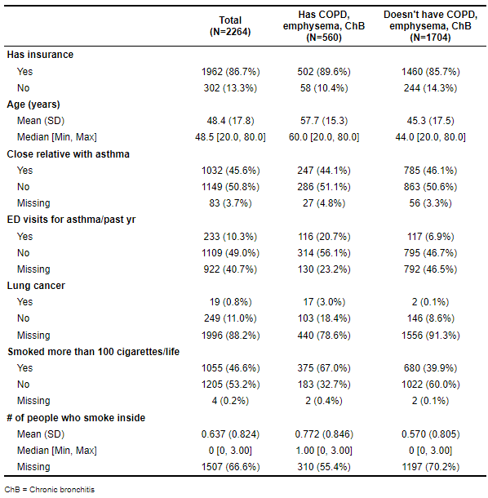
N is coming from the analytic sample, whereas %s are coming from the population.

