Sheet1
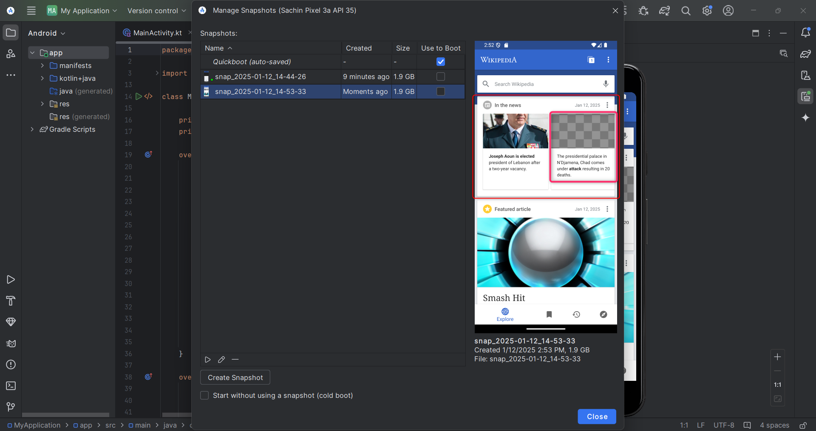
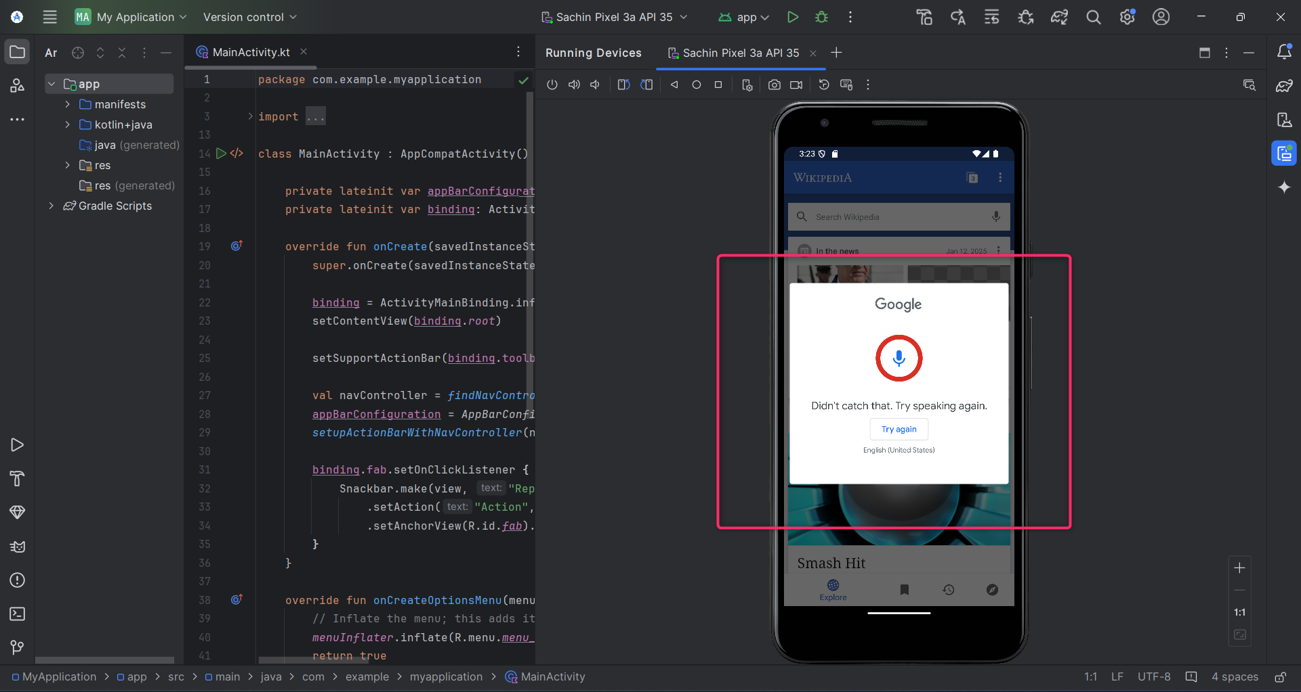
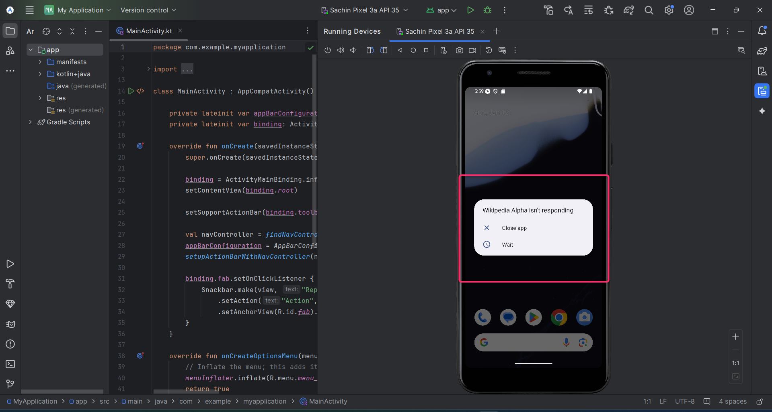
Bug ID | Title | Description | Steps to Reproduce | Expected Result | Actual Result | Severity | Priority | Status | Device | Assigned To | Reported By | Date Reported | Remarks
BUG-001 | Sometimes app is not responding | When user opens app, it says: app is't reponding | 1. Navigate to the app and open it | It should repond properly | Sometimes the app does not repond properly | High | High | Open | Google Pixel 3a | Sachin Ade | QA Team | 2025-01-12
BUG-002 | App is very slow | When user navigates to the Wikipedia app and clicks on the app, app opens but it takes time to load | 1. Navigate to the app and open it | It should load properly all the times without lagging issue | It does not load properly all the times | High | High | Open | Google Pixel 3a | Sachin Ade | QA Team | 2025-01-12
BUG-003 | Image is not loading | At the top of the app home page the image at the right side is not displayed, even after user kept on the setting for loading the images. | 1. Navigate to the app and open it 2. Go to the home page screen | Image should load properly | Image is not loading properly | High | High | Open | Google Pixel 3a | Sachin Ade | QA Team | 2025-01-12
BUG-004 | Sometimes shows seach field error | When user tries to search something, sometimes, the UI shows error. | 1. Navigate to the app and open it 2. Go to the home page screen 3. Click on the search bar 4. Start typing | The search error should not encounter | Seach field shows error after searching something | High | High | Open | Google Pixel 3a | Sachin Ade | QA Team | 2025-01-12
BUG-005 | The voice search is not working properly | When user try to do voice search it shows some error | 1. Navigate to the app and open it 2. Go to the home page screen 3. Click on the search bar 4. Click on voice search button | The voice search should work properly | The voice search is not working properly | High | High | Open | Google Pixel 3a | Sachin Ade | QA Team | 2025-01-12
BUG-006 | Refresh is not happening properly | When user refreshes or reloads the page, app shows old posts only | 1. Navigate to the app and open it 2. Go to the home page screen 3. Reload/Refresh | Reload/Refresh should load new posts or news | Reload/Refresh shows old posts or news | High | High | Open | Google Pixel 3a | Sachin Ade | QA Team | 2025-01-12

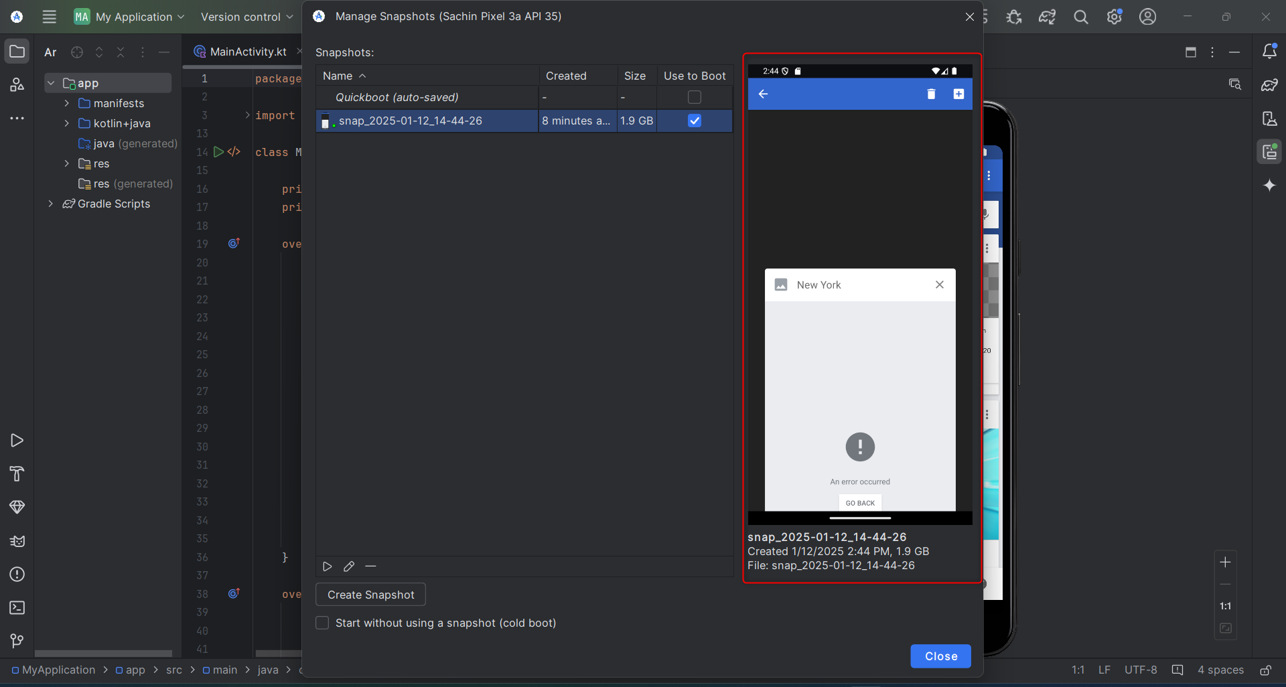
Screenshots

