Sheet1
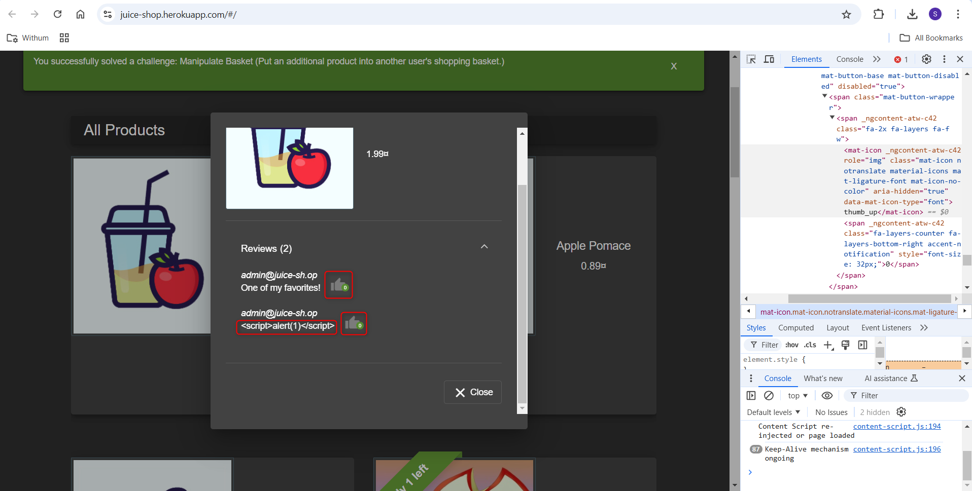
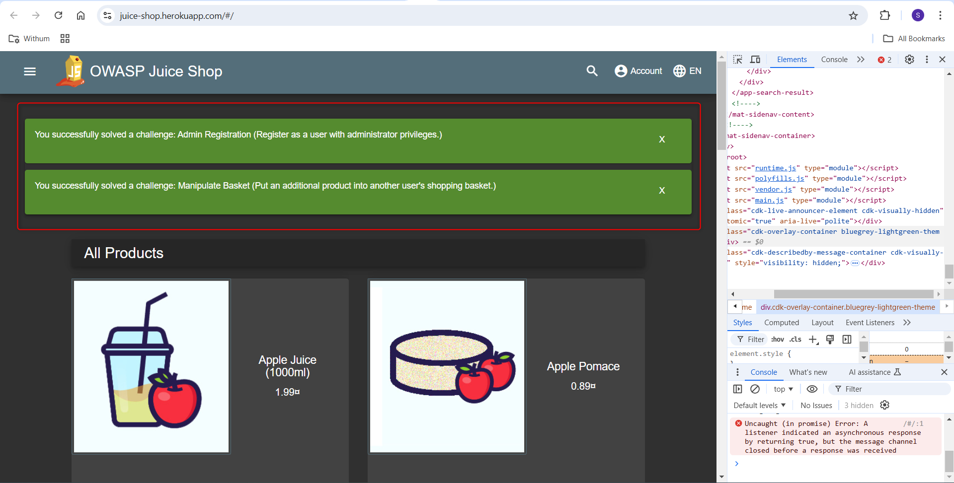
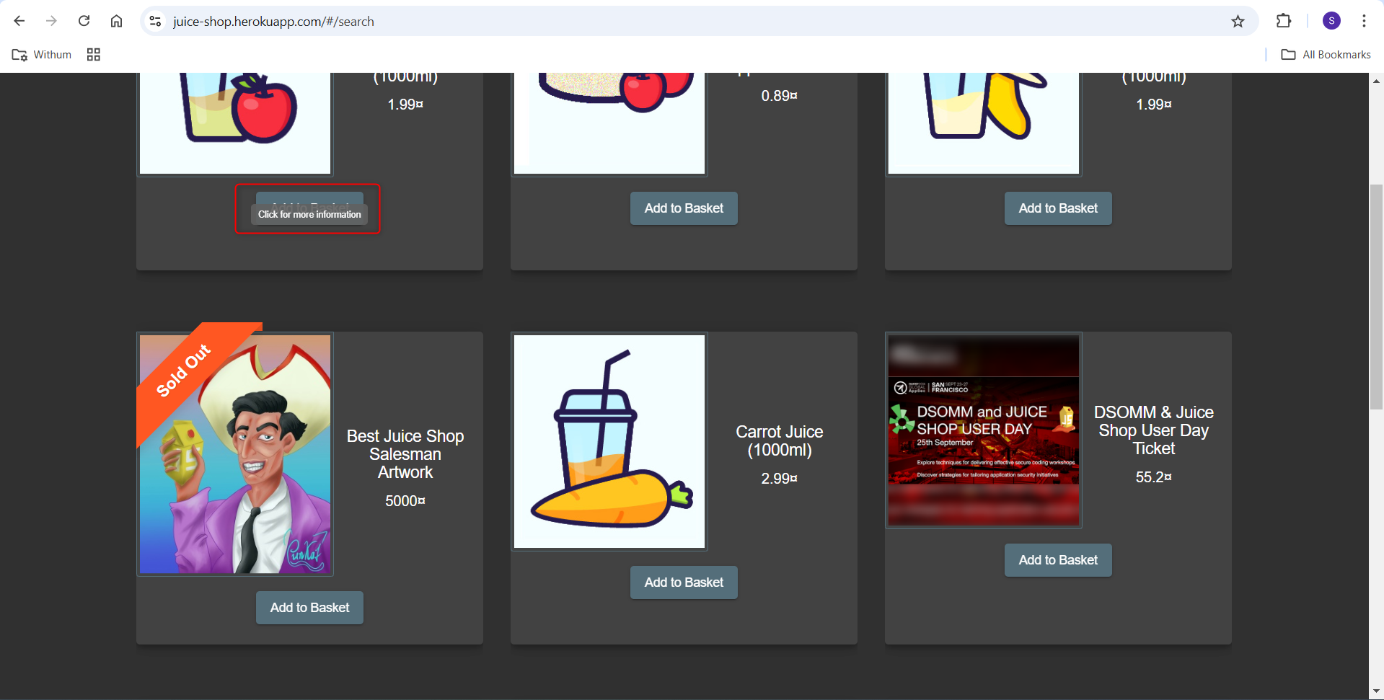
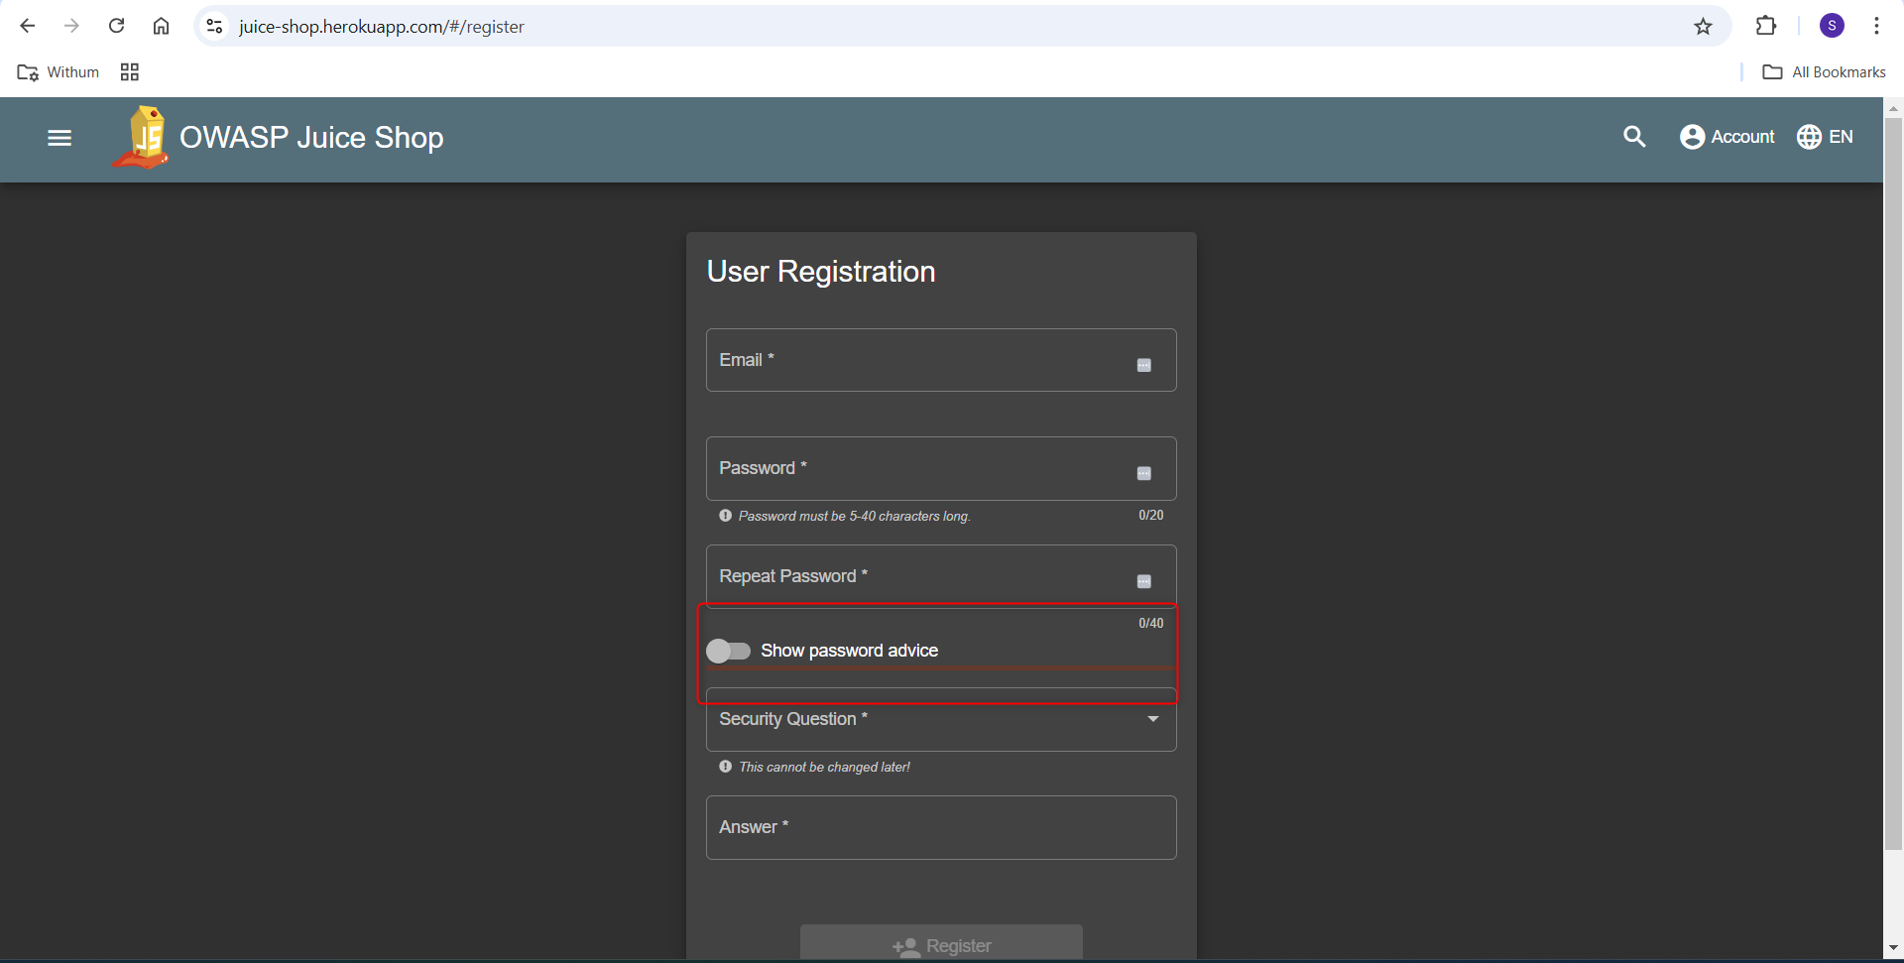
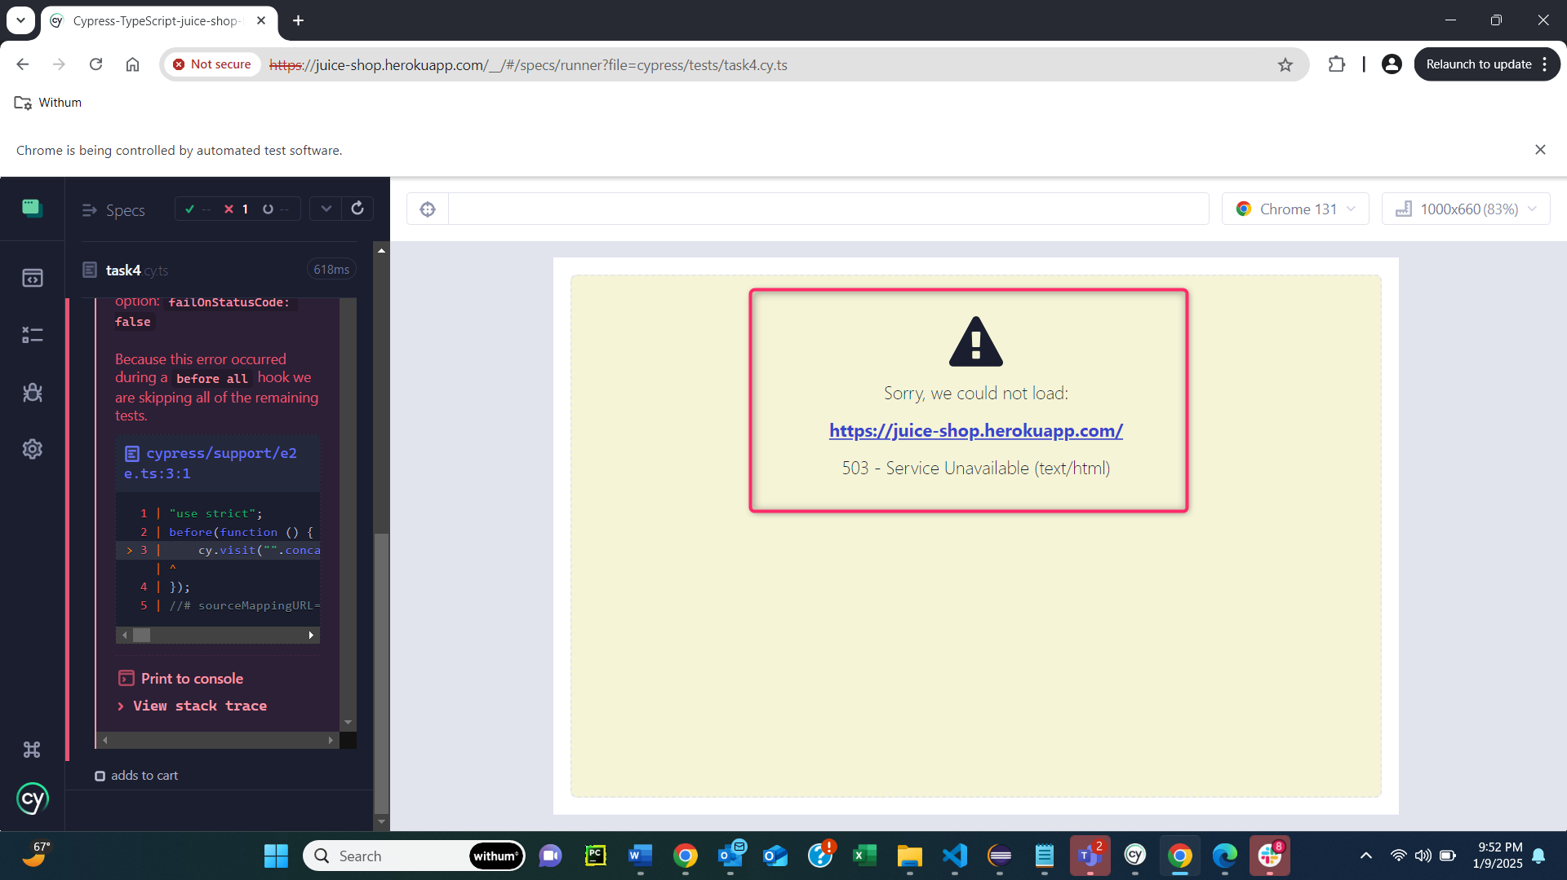
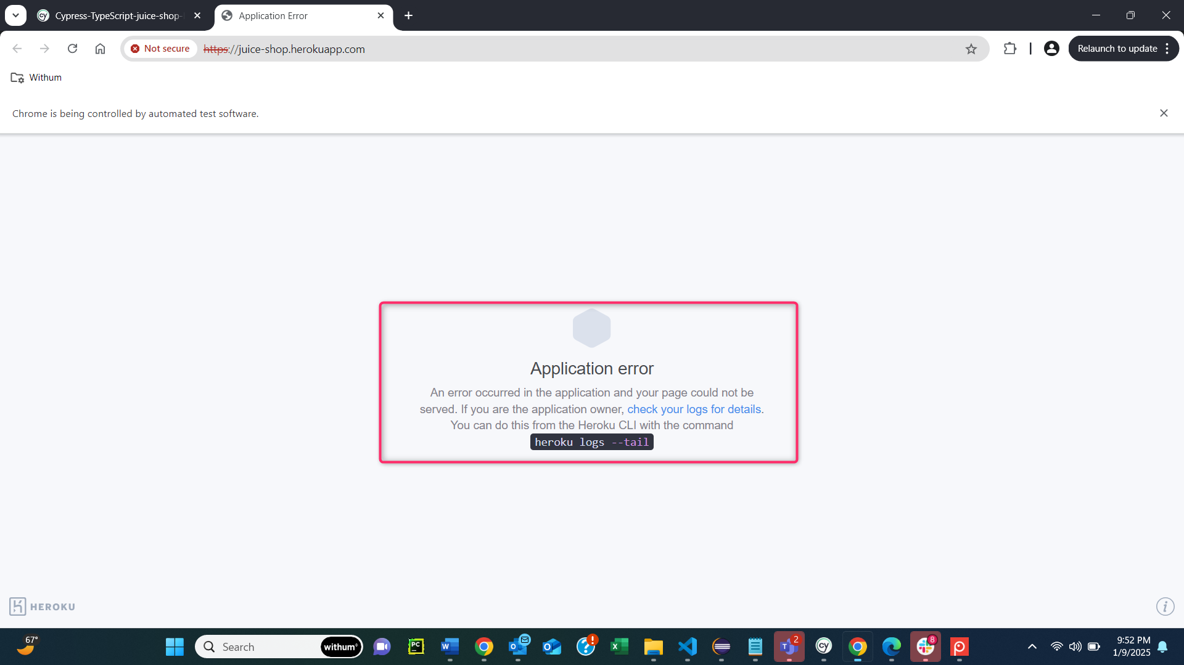
Bug ID | Title | Description | Steps to Reproduce | Expected Result | Actual Result | Severity | Priority | Status | Assigned To | Reported By | Date Reported | Remarks
BUG-001 | Some times URL does not load properly | When user enters URL: 1. Sometimes URL loads properly 2. Sometime URL does not load properly | 1. Navigate to the home page | It should load properly all the times | It does not load properly all the times | High | High | Open | Sachin Ade | QA Team | 2025-01-12
BUG-002 | Unnecessary blank space in every product field/area | When user reaches to the home page, the unnecessary blank space can be observed within the square area, just below, where the product image is displayed. | 1. Navigate to the home page 2. Go to the product | The blank space should not be there | The blank space is present below the product image and description. | Low | Low | Open | Sachin Ade | QA Team | 2025-01-12
BUG-003 | Shows weird messages, if user stays 5 minutes on the home page, without performing any action | Shows following weird message in green color background: "You successfully solved a challenge: Admin Registration (Register as a user with administrator privileges.)" | 1. Navigate to the home page 2. Go to the product | Should not show unnecessary messages | Shows unnecessary messages | High | High | Open | Sachin Ade | QA Team | 2025-01-12
BUG-004 | Unnecessary blank space after the number of items displayed in each page and that blank space is clickable | When user reaches to the bottom of the page, user can see the dropdown where the number of products per page, have been displayed. There is unnecessary blanck space after the displayed digit. | 1. Navigate to the home page 2. Go to the bottom of the page i.e. footer section | The blank space should not be there | The blank space is present below the product image and description. | Low | Low | Open | Sachin Ade | QA Team | 2025-01-12
BUG-005 | The 'click for more information' tooltip does not stay at the same place while hovering over the product and scrolling up and down. | When user reaches to the product and hover over the product and at the same time scrolls up and down, the The 'click for more information' tooltip does not stay at the same expected place. It slitely moves up and down. | 1. Navigate to the home page 2. Go to the product 3. Hover over the product 4. Scroll up and down | The tooltip should stay stable | The tooltip does not stay stable | Low | Low | Open | Sachin Ade | QA Team | 2025-01-12
BUG-006 | The 'thumbs up' in the 'Review' section, is not clickable. | When user reaches to home page and clicks on the product, a popup opens. When user clicks on the review and then clicks on the thumbs up, user finds that it is not clickable | 1. Navigate to the home page 2. Go to the product 3. Click on the product 4. Click on the Review 5. Click on the thumbs up | Thumbs up should be clickable | Thumbs up is not clickable | High | High | Open | Sachin Ade | QA Team | 2025-01-12
BUG-007 | The weird text observed in the review comment section | When user navigates to the product review section and clicks on Review., user observes that there is the following weird text is present in comment section: "<script>alert(1)</script>" | 1. Navigate to the home page 2. Go to the product 3. Click on the product 4. Click on the Review | The weird text should not exist | The weird text exists | Medium | Medium | Open | Sachin Ade | QA Team | 2025-01-12
BUG-008 | The weird red line is present on Registration page, below the 'Show password advice' toggle button | When user navigates to the Registration page, and scroll down to the 'Show password advice' toggle button, user observes unnecessary red line. | 1. Navigate to the home page 2. Click on the 'Account' 3. Click on 'Login' 4. Click on 'Not yet a customer?' 5. Scroll down to the 'Show password advice' toggle button | It should not show that weird red line | It is showing the weird red line. Unnecessary red line is looking like a UI bug | Low | Low | Open | Sachin Ade | QA Team | 2025-01-12
BUG-009 | The 'click for more information' tooltip tool tip overlaps on 'Add to Basket' button | When user login, navigate to the products page, hover over the product and scrolling down to the 'Add to Basket', the user observes that the 'click for more information' tooltip overlaps on 'Add to Basket' button | 1. Navigate to the home page 2. Complete the login process 3. Navigate to product page 4. Hover over any product 5. Scroll down to the 'Add to Basket' button | The 'click for more information' tooltip should not overlap on 'Add to Basket' button | The 'click for more information' tooltip overlaps on 'Add to Basket' button | High | High | Open | Sachin Ade | QA Team | 2025-01-12

Screenshots

