MintPay Integration - Bugs
1
 | Bug Title | Payment Gateway allows payment when total amount is 0
 | Severity | Medium
 | Expected Result | The system should not allow payment if the total amount is 0
 | Actual Result | The system allows users to proceed to payment.
 | Evidence | 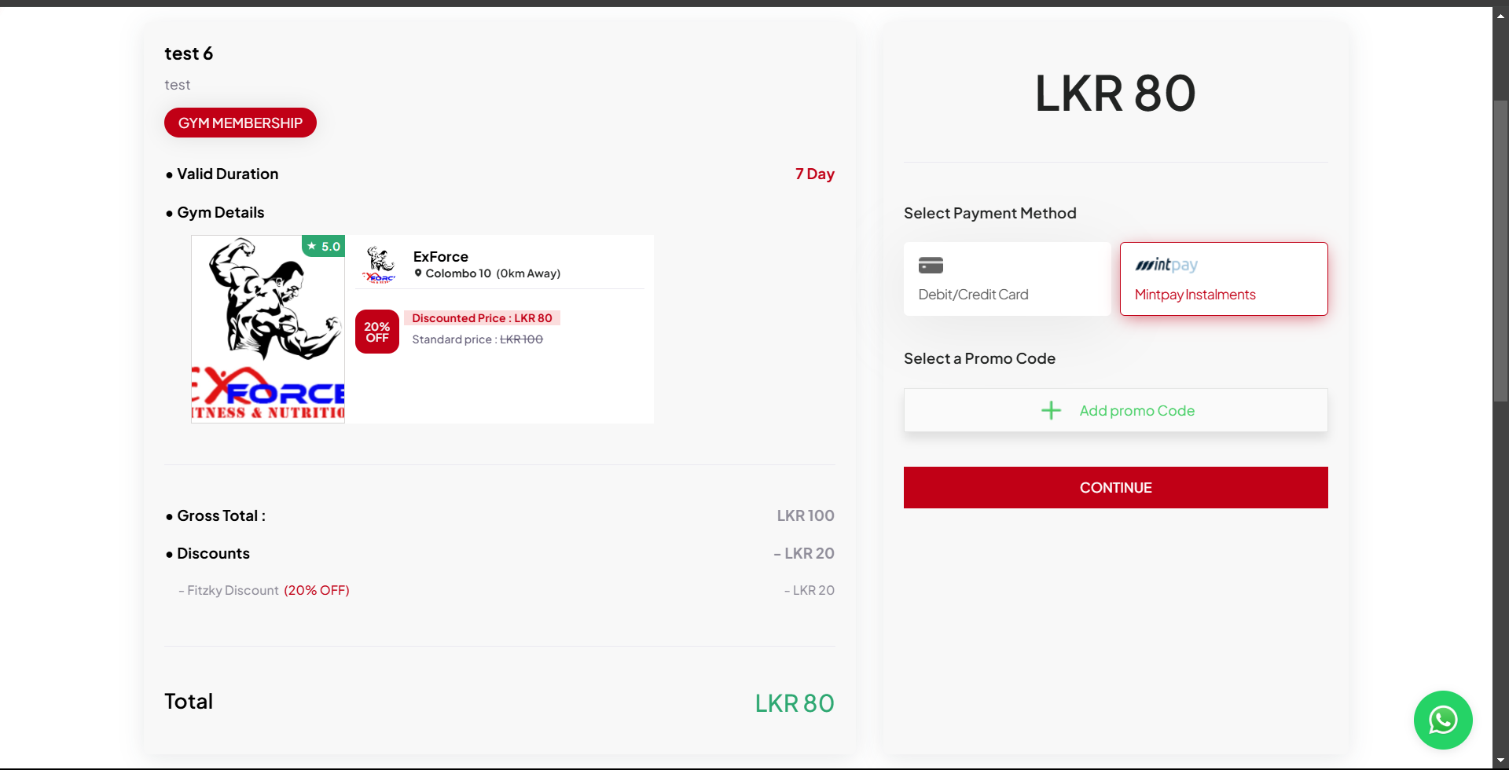

2
 | Bug Title | Cannot pay using Visa card on the FITZKY app
 | Severity | Medium
 | Expected Result | Payment processes successfully
 | Actual Result | Payment fails. Visa card not processed.
 | Evidence | 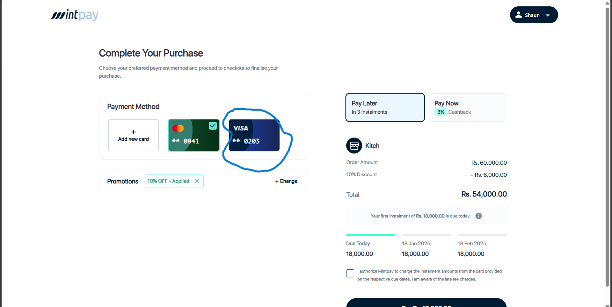

MintPay Integration - Suggestio
1
 | Title | Mintpay payment records do not show installment breakdown.
 | Severity | Medium
 | Current Behavior | Full payment amount displayed as a single record.
 | Expected Behavior | Each installment payment should be logged separately.
 | Impact | Lack of clarity for users regarding installment payments.
 | Suggestion | Update payment records to display each installment with amount and date.

2
 | Title | Delay in redirecting to Mintpay payment gateway.
 | Severity | Low-Medium
 | Current Behavior | No message or indicator during the redirection delay
 | Expected Behavior | A "Please wait..." message or loading animation should be displayed
 | Impact | Users may think the app is unresponsive, leading to confusion
 | Suggestion | Add a waiting message or loader to improve user experience.
 | Screenshots | 