harlingenglass.com
Week | Planned Date | Day | Category | Post Title | GBP Post Copy | CTA | Landing Page | Tracked CTA URL | Banner | Banner Overlay Text | Banner File | Banner Photo Source | Offer Dates / Terms | Publishing Status
1 | 2026-11-02 | Mon | Service | Cracked or Foggy Window? Residential Glass Repair in Harlingen | Cracked pane, a window hit by a stray ball, or glass that looks foggy between the panes? Harlingen Glass & Mirror repairs and replaces residential glass across Harlingen and the Rio Grande Valley. We work on single and double-pane windows, sliding and swinging glass doors, tabletops and shelves. If it is made of glass, our team can fix it, replace it or install it. Family-owned since 1978, we measure on site and give you a clear quote before any work starts. Tap Learn more to request your free estimate. | Learn more | https://harlingenglass.com/service/residential/ | https://harlingenglass.com/service/residential/?utm_source=google&utm_medium=organic&utm_campaign=gbp-posts-nov-2026&utm_content=nov26-01-window-repair | 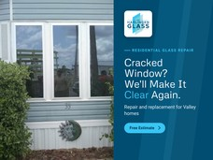 | Tag: Residential Glass Repair Headline: Cracked Window? We'll Make It Clear Again. Sub-line: Repair and replacement for Valley homes Button: Free Estimate | 2026-11-02_gbp-post-01_1200x900.png | https://harlingenglass.com/wp-content/uploads/2024/01/image00008.jpg |  | Not Published
1 | 2026-11-03 | Tue | Promotional | Buy 3 Windows, Get the 4th Window Free | Old or drafty windows can push your energy bills up and leave hot and cold spots around the house. This season, upgrade to energy-efficient windows with Harlingen Glass & Mirror. Buy 3 windows and get the 4th window free. Every project starts with a free window inspection, expert advice and a clear quote, with no pressure. Serving Harlingen and the Rio Grande Valley for over 40 years. Tap View offer to book your free inspection. | View offer | https://harlingenglass.com/service/residential-window-replacement/ | https://harlingenglass.com/service/residential-window-replacement/?utm_source=google&utm_medium=organic&utm_campaign=gbp-posts-nov-2026&utm_content=nov26-02-buy3-get1 | 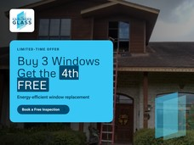 | Tag: Limited-Time Offer Headline: Buy 3 Windows Get the 4th FREE Sub-line: Energy-efficient window replacement Button: Book a Free Inspection | 2026-11-03_gbp-post-02_1200x900.png | https://harlingenglass.com/wp-content/uploads/2024/01/image00005.jpg | Offer dates: Nov 3 to Nov 30, 2026 (confirm). Terms: confirm eligible window types, minimum order and whether it combines with financing. | Not Published
1 | 2026-11-04 | Wed | FAQ | FAQ: Why Is My Double-Pane Window Foggy? | FAQ: Why is my double-pane window foggy, and can it be fixed? Fog or moisture trapped between the two panes usually means the seal on the insulated glass unit has failed. Once that happens, the window loses much of its insulating value and cleaning will not clear it. In many cases the glass unit can be replaced without replacing the whole window frame. Our team will look at the window, explain your options and give you a clear quote. Tap Learn more to book a free assessment with Harlingen Glass & Mirror. | Learn more | https://harlingenglass.com/service/residential/ | https://harlingenglass.com/service/residential/?utm_source=google&utm_medium=organic&utm_campaign=gbp-posts-nov-2026&utm_content=nov26-03-faq-foggy-glass | 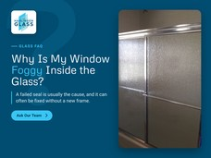 | Tag: Glass FAQ Headline: Why Is My Window Foggy Inside the Glass? Sub-line: A failed seal is usually the cause, and it can often be fixed without a new frame. Button: Ask Our Team | 2026-11-04_gbp-post-03_1200x900.png | https://harlingenglass.com/wp-content/uploads/2024/01/IMG_20200117_133159154-scaled.jpg |  | Not Published
1 | 2026-11-05 | Thu | Local | Family-Owned in Harlingen Since 1978 | Harlingen Glass & Mirror has been part of the Harlingen community since 1978. Today the Shull family leads our team, and we still treat every customer like family. From homeowners and realtors to contractors and local businesses, the Valley has trusted us for more than 45 years with glass repair, shower enclosures, mirrors, windows and commercial glazing. Visit us at 1905 E. Harrison Ave. in Harlingen, Monday to Friday. Tap Learn more to meet the team. | Learn more | https://harlingenglass.com/company/ | https://harlingenglass.com/company/?utm_source=google&utm_medium=organic&utm_campaign=gbp-posts-nov-2026&utm_content=nov26-04-local-since-1978 | 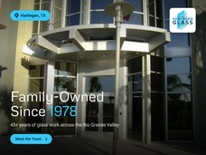 | Tag: Harlingen, TX Headline: Family-Owned Since 1978 Sub-line: 45+ years of glass work across the Rio Grande Valley Button: Meet the Team | 2026-11-05_gbp-post-04_1200x900.png | https://harlingenglass.com/wp-content/uploads/2024/01/McAllen-District-Office-12-04-08-001.jpg |  | Not Published
1 | 2026-11-06 | Fri | Service | Custom Frameless Shower Enclosures | Ready to replace that old shower curtain? A custom glass enclosure opens up your bathroom, is easy to keep clean and adds value to your home. Harlingen Glass & Mirror designs and installs frameless, semi-frameless and framed shower enclosures, sliding doors and glass partitions, made to fit your space. Book a free bathroom consultation. We will measure, show you the options and give you a clear quote. Financing is available. | Book | https://harlingenglass.com/service/bathroom-enclosures/ | https://harlingenglass.com/service/bathroom-enclosures/?utm_source=google&utm_medium=organic&utm_campaign=gbp-posts-nov-2026&utm_content=nov26-05-shower-enclosures | 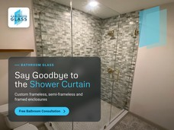 | Tag: Bathroom Glass Headline: Say Goodbye to the Shower Curtain Sub-line: Custom frameless, semi-frameless and framed enclosures Button: Free Bathroom Consultation | 2026-11-06_gbp-post-05_1200x900.png | https://harlingenglass.com/wp-content/uploads/2024/01/IMG_20231208_134141.jpg |  | Not Published
2 | 2026-11-09 | Mon | FAQ | FAQ: Frameless vs Semi-Frameless vs Framed Shower Doors | FAQ: Frameless, semi-frameless or framed: which shower enclosure is right for me? Framed enclosures use metal around the glass and are usually the most budget-friendly. Semi-frameless enclosures use less metal for a cleaner look. Frameless enclosures use thicker glass with minimal hardware for the most open, modern feel. Sliding and hinged doors are available, with clear, frosted or patterned glass depending on the privacy you want. Tap Learn more and our team will help you choose the best fit for your bathroom. | Learn more | https://harlingenglass.com/service/bathroom-enclosures/ | https://harlingenglass.com/service/bathroom-enclosures/?utm_source=google&utm_medium=organic&utm_campaign=gbp-posts-nov-2026&utm_content=nov26-06-faq-shower-types | 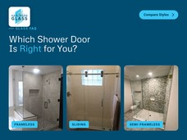 | Tag: Glass FAQ Headline: Which Shower Door Is Right for You? Labels: Frameless, Sliding, Semi-Frameless Button: Compare Styles | 2026-11-09_gbp-post-06_1200x900.png | https://harlingenglass.com/wp-content/uploads/2024/01/ShowerDoor-scaled.jpg https://harlingenglass.com/wp-content/uploads/2024/01/image00004.jpg https://harlingenglass.com/wp-content/uploads/2024/01/IMG_20231208_134144.jpg |  | Not Published
2 | 2026-11-10 | Tue | Service | 3M Security Window Film for Texas Schools | Is your campus ready for Texas Education Agency safety requirements? Harlingen Glass & Mirror installs 3M Security Window Film to strengthen school windows and glass doors. The film helps hold broken glass together and slows forced entry, giving staff valuable response time. Work with a 3M authorized team so your film is installed correctly and meets requirements. Tap Book to schedule a free campus walkthrough. | Book | https://harlingenglass.com/service/3m-security-film/ | https://harlingenglass.com/service/3m-security-film/?utm_source=google&utm_medium=organic&utm_campaign=gbp-posts-nov-2026&utm_content=nov26-07-3m-security-film | 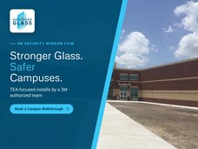 | Tag: 3M Security Window Film Headline: Stronger Glass. Safer Campuses. Sub-line: TEA-focused installs by a 3M authorized team Button: Book a Campus Walkthrough | 2026-11-10_gbp-post-07_1200x900.png | https://harlingenglass.com/wp-content/uploads/2024/01/Rio-Hondo-Middle-School-3.jpg |  | Not Published
2 | 2026-11-11 | Wed | Local | Cold Front Season: Check Your Window Seals | Cold fronts in the Rio Grande Valley are a good reminder to check your windows and doors. If you feel a draft, see gaps around the frame or notice fog between the panes, your windows may not be sealing properly. Fixing them now keeps your home comfortable and helps before the summer heat returns. Harlingen Glass & Mirror serves homeowners across Harlingen and the Valley. Tap Learn more to book a free assessment. | Learn more | https://harlingenglass.com/service/residential/ | https://harlingenglass.com/service/residential/?utm_source=google&utm_medium=organic&utm_campaign=gbp-posts-nov-2026&utm_content=nov26-08-cold-front-check | 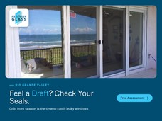 | Tag: Rio Grande Valley Headline: Feel a Draft? Check Your Seals. Sub-line: Cold front season is the time to catch leaky windows Button: Free Assessment | 2026-11-11_gbp-post-08_1200x900.png | https://harlingenglass.com/wp-content/uploads/2024/01/image00003.jpg |  | Not Published
2 | 2026-11-12 | Thu | FAQ | FAQ: Does Any Security Film Meet School Requirements? | FAQ: Does any security window film meet school safety requirements? Not always. Schools sometimes discover their film does not meet requirements after it has been installed, which can mean paying twice. The film product, how it is attached and who installs it all matter. Harlingen Glass & Mirror installs 3M Security Window Film as a 3M authorized team and can walk your campus to check vulnerable entry points. Tap Learn more to request your free security film assessment. | Learn more | https://harlingenglass.com/service/3m-security-film/ | https://harlingenglass.com/service/3m-security-film/?utm_source=google&utm_medium=organic&utm_campaign=gbp-posts-nov-2026&utm_content=nov26-09-faq-security-film | 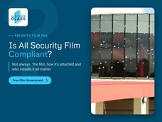 | Tag: Security Film FAQ Headline: Is All Security Film Compliant? Sub-line: Not always. The film, how it's attached and who installs it all matter. Button: Free Film Assessment | 2026-11-12_gbp-post-09_1200x900.png | https://harlingenglass.com/wp-content/uploads/2024/01/Harlingen-Middle-School-Screw-Locations-Ext-Doors-011.jpg |  | Not Published
2 | 2026-11-13 | Fri | Service | Commercial Storefront Glass Repair and Replacement | A broken storefront window or door is a security risk and the first thing customers notice. Harlingen Glass & Mirror repairs and replaces commercial glass for businesses across the Rio Grande Valley, including storefront glass, entry doors, fire-rated glass, thermal glazing and multi-story projects. With more than 45 years in commercial glazing, our team works to meet safety standards while keeping your property looking professional. Tap Learn more to request a free assessment. | Learn more | https://harlingenglass.com/service/commercial-glass/ | https://harlingenglass.com/service/commercial-glass/?utm_source=google&utm_medium=organic&utm_campaign=gbp-posts-nov-2026&utm_content=nov26-10-commercial-storefront | 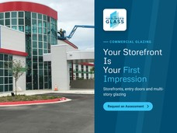 | Tag: Commercial Glazing Headline: Your Storefront Is Your First Impression Sub-line: Storefronts, entry doors and multi-story glazing Button: Request an Assessment | 2026-11-13_gbp-post-10_1200x900.png | https://harlingenglass.com/wp-content/uploads/2024/01/IMG_0499-scaled.jpg |  | Not Published
3 | 2026-11-16 | Mon | Promotional | Financing Available for Glass Upgrades | Planning a new shower enclosure, window upgrade or mirror project but want to spread the cost? Harlingen Glass & Mirror has partnered with Synchrony Bank to offer financing options for home remodeling and upgrade projects. Ask about financing when you request your quote. Our team will measure, recommend the right glass for your project and give you a clear price before any work begins. Tap Learn more to get started. | Learn more | https://harlingenglass.com/contact/ | https://harlingenglass.com/contact/?utm_source=google&utm_medium=organic&utm_campaign=gbp-posts-nov-2026&utm_content=nov26-11-financing |  | Tag: Financing Available Headline: Upgrade Now, Pay Over Time Sub-line: Financing options through Synchrony Bank Button: Ask About Financing | 2026-11-16_gbp-post-11_1200x900.png | https://harlingenglass.com/wp-content/uploads/2024/01/IMG_20231208_134139.jpg |  | Not Published
3 | 2026-11-17 | Tue | Service | Custom Mirrors for Homes, Gyms and Studios | A custom mirror can make a bathroom feel bigger, brighten a bedroom or finish off an entryway. Harlingen Glass & Mirror cuts and installs custom mirrors for homes and businesses across the Rio Grande Valley. We help you choose the size, edge and placement, then handle the full installation. We also install glass tabletops, shelves and custom shower doors. Tap Learn more to get a free quote. | Learn more | https://harlingenglass.com/service/interior/ | https://harlingenglass.com/service/interior/?utm_source=google&utm_medium=organic&utm_campaign=gbp-posts-nov-2026&utm_content=nov26-12-custom-mirrors | 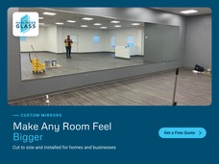 | Tag: Custom Mirrors Headline: Make Any Room Feel Bigger Sub-line: Cut to size and installed for homes and businesses Button: Get a Free Quote | 2026-11-17_gbp-post-12_1200x900.png | https://harlingenglass.com/wp-content/uploads/2024/01/IMG_20231208_134148.jpg |  | Not Published
3 | 2026-11-18 | Wed | FAQ | FAQ: What Warranty Does Harlingen Glass Offer? | FAQ: Does Harlingen Glass & Mirror offer a warranty? Yes. Many of the products we install carry a manufacturer warranty of up to 3 years, and we provide a 1-year installation warranty on specific products. Our team will explain the coverage that applies to your project before we start. We hold ourselves to a high standard, from sales and service to installation and warranty. Tap Learn more to see why the Valley has trusted us since 1978. | Learn more | https://harlingenglass.com/company/ | https://harlingenglass.com/company/?utm_source=google&utm_medium=organic&utm_campaign=gbp-posts-nov-2026&utm_content=nov26-13-faq-warranty |  | Tag: Glass FAQ Headline: Is Your Glass Work Under Warranty? Sub-line: Up to 3-year manufacturer warranty and a 1-year install warranty on specific products. Button: See Coverage | 2026-11-18_gbp-post-13_1200x900.png | https://harlingenglass.com/wp-content/uploads/2024/01/IMG_20231208_134144.jpg |  | Not Published
3 | 2026-11-19 | Thu | Local | Get Your Glass Guest-Ready for Thanksgiving | Getting your home ready for Thanksgiving guests in the Valley? Take a quick walk around: check for chipped tabletops, cracked mirrors, sliding glass doors that stick, and windows that do not seal properly. Small issues are usually faster and less expensive to fix before they spread. Harlingen Glass & Mirror has helped Harlingen families get their homes ready for the holidays for more than 45 years. Tap Learn more to book a repair. | Learn more | https://harlingenglass.com/service/residential/ | https://harlingenglass.com/service/residential/?utm_source=google&utm_medium=organic&utm_campaign=gbp-posts-nov-2026&utm_content=nov26-14-holiday-glass-check | 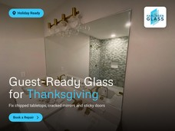 | Tag: Holiday Ready Headline: Guest-Ready Glass for Thanksgiving Sub-line: Fix chipped tabletops, cracked mirrors and sticky doors Button: Book a Repair | 2026-11-19_gbp-post-14_1200x900.png | https://harlingenglass.com/wp-content/uploads/2024/01/IMG_20231208_134134.jpg |  | Not Published
3 | 2026-11-20 | Fri | Service | Energy-Efficient Low-E Window Replacement | Old or poorly sealed windows let cool air out in summer and warm air out in winter, which makes your AC and heater work harder all year in the Valley. Harlingen Glass & Mirror installs energy-efficient replacement windows, including Low-E glass that helps reduce heat and UV coming into your home without blocking natural light. Book a free window inspection and we will show you where you can save. Tap Learn more to get started. | Learn more | https://harlingenglass.com/service/residential-window-replacement/ | https://harlingenglass.com/service/residential-window-replacement/?utm_source=google&utm_medium=organic&utm_campaign=gbp-posts-nov-2026&utm_content=nov26-15-low-e-windows | 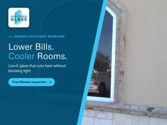 | Tag: Energy-Efficient Windows Headline: Lower Bills. Cooler Rooms. Sub-line: Low-E glass that cuts heat without blocking light Button: Free Window Inspection | 2026-11-20_gbp-post-15_1200x900.png | https://harlingenglass.com/wp-content/uploads/2024/01/IMG_20200123_141554436-scaled.jpg |  | Not Published
4 | 2026-11-23 | Mon | Promotional | Free Security Film Assessment Before Winter Break | Winter break is one of the best times to upgrade campus glass with less disruption for students and staff. Book a free security film assessment with Harlingen Glass & Mirror. We will walk your campus, check windows and glass doors, and recommend the right 3M Security Window Film for each entry point. Book early to plan installs during the break. Tap View offer to schedule your walkthrough. | View offer | https://harlingenglass.com/service/3m-security-film/ | https://harlingenglass.com/service/3m-security-film/?utm_source=google&utm_medium=organic&utm_campaign=gbp-posts-nov-2026&utm_content=nov26-16-winter-break-assessment | 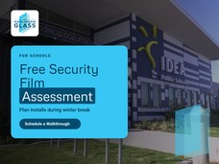 | Tag: For Schools Headline: Free Security Film Assessment Sub-line: Plan installs during winter break Button: Schedule a Walkthrough | 2026-11-23_gbp-post-16_1200x900.png | https://harlingenglass.com/wp-content/uploads/2024/01/IDEA-Toros-College-Prep.jpg | Offer dates: Nov 23 to Dec 18, 2026 (confirm). Terms: assessment is free; installation quoted separately. | Not Published
4 | 2026-11-24 | Tue | Service | Fire-Rated and Bullet-Resistant Commercial Glass | Some businesses need more than standard glass. Banks, clinics, offices and government buildings often require fire-rated or bullet-resistant glass to meet safety standards. Harlingen Glass & Mirror supplies and installs fire-rated glass, bullet-resistant glass barriers, thermal glazing and glass railing systems for commercial projects across South Texas. Tap Learn more to talk to our commercial team about your project. | Learn more | https://harlingenglass.com/service/commercial-glass/ | https://harlingenglass.com/service/commercial-glass/?utm_source=google&utm_medium=organic&utm_campaign=gbp-posts-nov-2026&utm_content=nov26-17-fire-bullet-resistant | 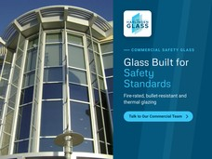 | Tag: Commercial Safety Glass Headline: Glass Built for Safety Standards Sub-line: Fire-rated, bullet-resistant and thermal glazing Button: Talk to Our Commercial Team | 2026-11-24_gbp-post-17_1200x900.png | https://harlingenglass.com/wp-content/uploads/2024/01/McAllen-District-Office-12-04-08-002.jpg |  | Not Published
4 | 2026-11-25 | Wed | FAQ | FAQ: Repair or Replace a Cracked Window? | FAQ: Should I repair a small crack in my window or replace the glass? A small crack can spread with temperature changes, wind and everyday use, and it can weaken the whole pane. In most cases, replacing the damaged glass is the safer long-term fix, and it is often quicker than people expect. Our team will look at the damage and tell you honestly what makes sense. Tap Learn more to read our guide and book a visit. | Learn more | https://harlingenglass.com/blog/dont-let-a-small-crack-turn-into-a-big-problem/ | https://harlingenglass.com/blog/dont-let-a-small-crack-turn-into-a-big-problem/?utm_source=google&utm_medium=organic&utm_campaign=gbp-posts-nov-2026&utm_content=nov26-18-faq-cracked-window |  | Tag: Glass FAQ Headline: Small Crack Today, Big Problem Tomorrow? Sub-line: Cracks spread with heat, wind and daily use. Here's when to replace the pane. Button: Book a Visit | 2026-11-25_gbp-post-18_1200x900.png | https://unsplash.com/photos/_enXmoXudAk (Unsplash licence) |  | Not Published
4 | 2026-11-26 | Thu | Local | Happy Thanksgiving from Harlingen Glass & Mirror | Happy Thanksgiving from all of us at Harlingen Glass & Mirror. Thank you to the homeowners, realtors, contractors and businesses across Harlingen and the Rio Grande Valley who have trusted our family-owned shop for more than 45 years. Every project you send our way means a lot to our team. Hosting family this week? If a cracked mirror or a sticky glass door needs attention after the holiday, we are here to help. Tap Learn more to reach our team. | Learn more | https://harlingenglass.com/contact/ | https://harlingenglass.com/contact/?utm_source=google&utm_medium=organic&utm_campaign=gbp-posts-nov-2026&utm_content=nov26-19-thanksgiving |  | Tag: Happy Thanksgiving Headline: Thankful for Our Valley Sub-line: From our family to yours Button: | 2026-11-26_gbp-post-19_1200x900.png | https://harlingenglass.com/wp-content/uploads/2025/01/fbinfoo-scaled.jpg (cropped) |  | Not Published
4 | 2026-11-27 | Fri | Promotional | Free Bathroom Glass Consultation | Thinking about a bathroom refresh before the new year? See what a custom glass enclosure can do. Book a free bathroom consultation with Harlingen Glass & Mirror. We will measure your space, show you frameless, semi-frameless and framed options, and give you a clear quote with no pressure. Financing is available. Tap View offer to book your free consultation. | View offer | https://harlingenglass.com/service/bathroom-enclosures/ | https://harlingenglass.com/service/bathroom-enclosures/?utm_source=google&utm_medium=organic&utm_campaign=gbp-posts-nov-2026&utm_content=nov26-20-free-bath-consult | 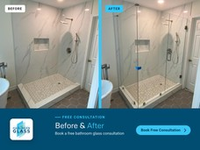 | Tag: Free Consultation Headline: Before & After Sub-line: Book a free bathroom glass consultation Button: Book Free Consultation | 2026-11-27_gbp-post-20_1200x900.png | https://harlingenglass.com/wp-content/uploads/2024/01/before.jpg https://harlingenglass.com/wp-content/uploads/2024/01/after.jpg | Offer dates: Nov 27 to Dec 31, 2026 (confirm). Terms: free in-home consultation and quote; no obligation. | Not Published
5 | 2026-11-30 | Mon | Service | Custom Glass Tabletops and Shelves | Protect your wood furniture or update a room with a custom glass tabletop or glass shelves. Harlingen Glass & Mirror cuts glass to your exact size and shape, with clean, polished edges for homes, offices and restaurants. We also replace broken tabletops and shelves. Tap Learn more to get a free quote from your local one-stop custom glass shop. | Learn more | https://harlingenglass.com/service/interior/ | https://harlingenglass.com/service/interior/?utm_source=google&utm_medium=organic&utm_campaign=gbp-posts-nov-2026&utm_content=nov26-21-glass-tabletops | 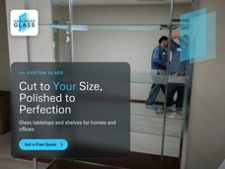 | Tag: Custom Glass Headline: Cut to Your Size, Polished to Perfection Sub-line: Glass tabletops and shelves for homes and offices Button: Get a Free Quote | 2026-11-30_gbp-post-21_1200x900.png | https://harlingenglass.com/wp-content/uploads/2024/01/image00009.jpg |  | Not Published
5 | 2026-12-01 | Tue | Local | Project Spotlight: Glass Across the Rio Grande Valley | From school campuses and clinics to fire stations and public buildings, Harlingen Glass & Mirror has helped build and protect properties across the Rio Grande Valley. Our commercial team handles storefronts, curtain walls, entry systems, fire-rated glass and multi-story glazing, with the same care we bring to every home project. Planning a commercial project in the Valley? Tap Learn more to see our work. | Learn more | https://harlingenglass.com/service/commercial-glass/ | https://harlingenglass.com/service/commercial-glass/?utm_source=google&utm_medium=organic&utm_campaign=gbp-posts-nov-2026&utm_content=nov26-22-project-spotlight | 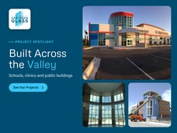 | Tag: Project Spotlight Headline: Built Across the Valley Sub-line: Schools, clinics and public buildings Button: See Our Projects | 2026-12-01_gbp-post-22_1200x900.png | https://harlingenglass.com/wp-content/uploads/2024/01/45130555_1967058790260758_3379670728264646656_n.jpg https://harlingenglass.com/wp-content/uploads/2024/01/Rio-Hondo-Middle-School-2.jpg https://harlingenglass.com/wp-content/uploads/2024/01/Spi-Fire-Station-No-1.jpg |  | Not Published

