Model
Reliability of a Helical Spring |  |  |  | Learn about model

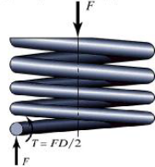
Stress Parameters |  |  | Distribution
 | Wire Diameter (in) | 0.1500 | Normal
 | Coil Diameter (in) | 0.8000 | Normal
 | Shear Modulus of Elasticity (psi) | 1.15E+07 | Normal
 | Number of Coils | 20 | Normal
 | Deflection (in) | 0.95 | Normal
Peak Shearing Stress (psi) |  | 44,573

Steel Strength (from Vendor)
 | Material 1 Strength | 50,000 | Uniform
 | Material 2 Strength | 50,000 | Triangular
 | Material 3 Strength | 50,000 | Weibull

Reliability
 | Material 1 Reliability | 1.12
 | Material 2 Reliability | 1.12
 | Material 3 Reliability | 1.12

