UnemploymentReport
 | 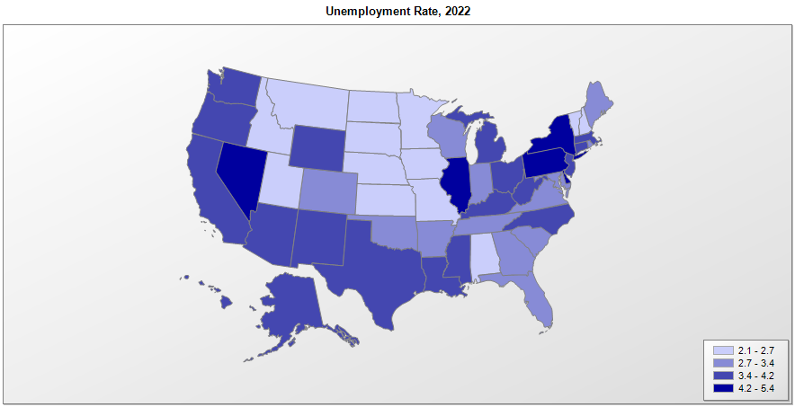

 |  |  | Unemployment Rate (percent)
 | FIPS | Name | 2014 | 2015 | 2016 | 2017 | 2018 | 2019 | 2020 | 2021 | 2022 | Median Household Income (2021)
 | 01000 | Alabama | 6.7 | 6.1 | 5.9 | 4.5 | 3.9 | 3.2 | 6.4 | 3.4 | 2.6 | $53,990
 | 02000 | Alaska | 6.7 | 6.3 | 6.6 | 6.5 | 6.0 | 5.6 | 8.3 | 6.4 | 4.0 | $78,437
 | 04000 | Arizona | 6.8 | 6.1 | 5.5 | 5.0 | 4.8 | 4.8 | 7.8 | 5.1 | 3.8 | $68,967
 | 05000 | Arkansas | 5.9 | 5.0 | 4.0 | 3.7 | 3.7 | 3.5 | 6.2 | 4.1 | 3.3 | $52,577
 | 06000 | California | 7.6 | 6.3 | 5.5 | 4.8 | 4.2 | 4.1 | 10.1 | 7.3 | 4.2 | $84,831
 | 08000 | Colorado | 5.0 | 3.7 | 3.1 | 2.6 | 3.0 | 2.7 | 6.8 | 5.4 | 3.0 | $82,228
 | 09000 | Connecticut | 6.6 | 5.6 | 4.8 | 4.4 | 3.9 | 3.6 | 7.9 | 6.3 | 4.2 | $83,628
 | 10000 | Delaware | 5.6 | 4.8 | 4.5 | 4.5 | 3.7 | 3.6 | 7.5 | 5.5 | 4.5 | $71,636
 | 11000 | District of Columbia | 7.7 | 6.9 | 6.2 | 6.1 | 5.7 | 5.5 | 7.9 | 6.8 | 4.7 | $91,072
 | 12000 | Florida | 6.4 | 5.5 | 4.9 | 4.3 | 3.6 | 3.2 | 8.1 | 4.6 | 2.9 | $63,054
 | 13000 | Georgia | 7.1 | 6.1 | 5.4 | 4.8 | 4.0 | 3.6 | 6.5 | 3.9 | 3.0 | $66,507
 | 15000 | Hawaii | 4.2 | 3.4 | 2.9 | 2.2 | 2.4 | 2.5 | 11.7 | 6.0 | 3.5 | $85,547
 | 16000 | Idaho | 4.4 | 3.9 | 3.7 | 3.2 | 2.9 | 2.9 | 5.5 | 3.5 | 2.7 | $66,318
 | 17000 | Illinois | 7.2 | 6.0 | 5.9 | 4.9 | 4.4 | 4.0 | 9.3 | 6.1 | 4.6 | $72,215
 | 18000 | Indiana | 5.9 | 4.8 | 4.4 | 3.5 | 3.4 | 3.3 | 7.3 | 3.9 | 3.0 | $62,723
 | 19000 | Iowa | 4.2 | 3.7 | 3.6 | 3.1 | 2.6 | 2.7 | 5.2 | 3.8 | 2.7 | $65,645
 | 20000 | Kansas | 4.5 | 4.2 | 4.0 | 3.6 | 3.4 | 3.3 | 5.8 | 3.3 | 2.7 | $64,128
 | 21000 | Kentucky | 6.4 | 5.2 | 5.0 | 4.8 | 4.2 | 4.1 | 6.5 | 4.4 | 3.9 | $55,532
 | 22000 | Louisiana | 6.3 | 6.3 | 6.1 | 5.1 | 4.8 | 4.6 | 8.6 | 5.6 | 3.7 | $52,090
 | 23000 | Maine | 5.6 | 4.4 | 3.8 | 3.4 | 3.2 | 2.9 | 5.1 | 4.6 | 3.0 | $64,823
 | 24000 | Maryland | 5.7 | 5.0 | 4.3 | 4.0 | 3.8 | 3.4 | 6.5 | 5.3 | 3.2 | $90,129
 | 25000 | Massachusetts | 5.7 | 4.8 | 4.0 | 3.8 | 3.5 | 3.0 | 9.4 | 5.5 | 3.8 | $89,577
 | 26000 | Michigan | 7.2 | 5.4 | 5.0 | 4.6 | 4.2 | 4.1 | 10.0 | 5.8 | 4.2 | $63,444
 | 27000 | Minnesota | 4.3 | 3.8 | 3.9 | 3.5 | 3.0 | 3.3 | 6.3 | 3.8 | 2.7 | $77,712
 | 28000 | Mississippi | 7.6 | 6.5 | 5.9 | 5.2 | 4.9 | 5.5 | 8.0 | 5.5 | 3.9 | $48,871
 | 29000 | Missouri | 6.2 | 5.1 | 4.5 | 3.7 | 3.2 | 3.2 | 6.1 | 4.1 | 2.5 | $61,815
 | 30000 | Montana | 4.7 | 4.3 | 4.3 | 4.1 | 3.7 | 3.5 | 5.8 | 3.4 | 2.6 | $63,357
 | 31000 | Nebraska | 3.3 | 3.0 | 3.1 | 3.0 | 2.9 | 3.1 | 4.3 | 2.7 | 2.3 | $66,949
 | 32000 | Nevada | 8.2 | 6.8 | 5.8 | 5.0 | 4.4 | 4.1 | 13.5 | 6.9 | 5.4 | $66,194
 | 33000 | New Hampshire | 4.3 | 3.4 | 2.9 | 2.8 | 2.6 | 2.6 | 6.7 | 3.4 | 2.5 | $88,268
 | 34000 | New Jersey | 6.7 | 5.7 | 4.9 | 4.5 | 4.0 | 3.5 | 9.4 | 6.6 | 3.7 | $89,227
 | 35000 | New Mexico | 6.6 | 6.6 | 6.7 | 6.1 | 4.9 | 5.0 | 7.9 | 7.1 | 4.0 | $54,304
 | 36000 | New York | 6.3 | 5.2 | 4.9 | 4.6 | 4.1 | 3.9 | 9.8 | 7.0 | 4.3 | $74,230
 | 37000 | North Carolina | 6.1 | 5.7 | 5.1 | 4.5 | 4.0 | 3.9 | 7.2 | 4.9 | 3.7 | $61,997
 | 38000 | North Dakota | 2.6 | 2.8 | 3.1 | 2.6 | 2.4 | 2.2 | 5.0 | 3.1 | 2.1 | $67,603
 | 39000 | Ohio | 5.8 | 5.0 | 5.0 | 5.0 | 4.5 | 4.2 | 8.2 | 5.1 | 4.0 | $62,286
 | 40000 | Oklahoma | 4.3 | 4.3 | 4.6 | 4.0 | 3.3 | 3.1 | 6.3 | 4.0 | 3.0 | $55,829
 | 41000 | Oregon | 6.7 | 5.5 | 4.7 | 4.1 | 4.0 | 3.7 | 7.6 | 5.2 | 4.2 | $71,441
 | 42000 | Pennsylvania | 5.9 | 5.4 | 5.3 | 5.0 | 4.4 | 4.3 | 8.9 | 6.0 | 4.4 | $68,931
 | 44000 | Rhode Island | 7.8 | 6.0 | 5.2 | 4.5 | 4.0 | 3.5 | 9.2 | 5.5 | 3.2 | $73,324
 | 45000 | South Carolina | 6.3 | 5.9 | 4.9 | 4.2 | 3.4 | 2.8 | 6.0 | 3.9 | 3.2 | $59,447
 | 46000 | South Dakota | 3.3 | 3.0 | 3.0 | 3.1 | 2.8 | 2.8 | 4.2 | 2.6 | 2.1 | $66,843
 | 47000 | Tennessee | 6.6 | 5.6 | 4.7 | 3.7 | 3.5 | 3.3 | 7.5 | 4.5 | 3.4 | $59,698
 | 48000 | Texas | 5.2 | 4.5 | 4.6 | 4.3 | 3.9 | 3.5 | 7.7 | 5.6 | 3.9 | $66,959
 | 49000 | Utah | 3.6 | 3.5 | 3.3 | 3.1 | 2.9 | 2.5 | 4.8 | 2.7 | 2.3 | $79,449
 | 50000 | Vermont | 4.0 | 3.5 | 3.1 | 3.0 | 2.5 | 2.1 | 5.7 | 3.7 | 2.6 | $72,415
 | 51000 | Virginia | 5.1 | 4.4 | 4.0 | 3.7 | 3.0 | 2.8 | 6.5 | 3.9 | 2.9 | $80,926
 | 53000 | Washington | 5.9 | 5.4 | 5.2 | 4.6 | 4.4 | 4.2 | 8.5 | 5.2 | 4.2 | $84,155
 | 54000 | West Virginia | 6.5 | 6.6 | 6.1 | 5.2 | 5.1 | 5.0 | 8.2 | 5.1 | 3.9 | $51,122
 | 55000 | Wisconsin | 5.3 | 4.4 | 3.9 | 3.3 | 3.0 | 3.2 | 6.4 | 3.8 | 2.9 | $67,150
 | 56000 | Wyoming | 4.3 | 4.2 | 5.4 | 4.3 | 4.1 | 3.7 | 5.9 | 4.6 | 3.6 | $66,508
 | 72000 | Puerto Rico | 13.9 | 12.0 | 11.8 | 10.8 | 9.2 | 8.3 |  | 7.9 | 6.0
Sources: Bureau of Labor Statistics, Local Area Unemployment Statistics (LAUS) data. Average annual unemployment data are unavailable for Puerto Rico in 2020 because of missing monthly observations for March and April 2020. Census Bureau, Small Area Income and Poverty Estimates (SAIPE) Program.The SAIPE program does not produce estimates for Puerto Rico.

