Background
Spreadsheet manipulation with openpyxl
2021-07-30
Sadie Bartholomew

Introductory information on ‘openpyxl’:
* 'openpyxl’ is a Python library for working with spreadsheets.
* Strictly it is designed to work with Microsoft Excel spreadsheets (hence ‘xl’), but it works with other spreadsheet formats (anything that can work with ‘xl*’ file formats or compatible ones) and I use it with LibreOffice Calc, a free open-source equivalent tool, as in this demo.
* The documentation for ‘openpyxl’ lives here:
https://openpyxl.readthedocs.io/en/stable/
* The ‘openpyxl’ canonical code is stored and developed on GitLab at:
https://foss.heptapod.net/openpyxl/openpyxl/
* Great online resources as well as the documentation to learn about using openpyxl:
https://automatetheboringstuff.com/chapter12/
https://realpython.com/openpyxl-excel-spreadsheets-python/

Background for context (Q and A format):
Q: Why do I use the library? A: I work on a project called ES-DOC where, as one task, we need to create spreadsheets to be used for effective data collection. We need to customise each spreadsheet towards the specific group we are providing it to according to some parameters, but otherwise the spreadsheets are identical. So, we start with a template e.g. these ones. But, instead of manually opening, editing and amending each spreadsheet as we might otherwise have to do, and cross-checking the entered data is correct, we use a small amount of Python code, using ‘openpyxl’, to inject the group-specific parameters into the template and write out the required spreadsheets for each group (see e.g. the code here). This saves a lot of time and effort!

Links (since in-text hyperlinks seem to disappear on save!):
Example of some of our ES-DOC spreadsheet templates
Example of some of our ES-DOC code using openpyxl to process templates
Q: Why might a general researcher or person in a technical role want to use it? A: Even if we don’t want to, we often have to work with spreadsheets! If you ever have to: work with multiple spreadsheets, especially a large number; or a particularly complicated spreadsheet; or if you want to remove the human error of copying and pasting to or from a spreadsheet; ‘openpyxl’ can automate a variety of spreadsheet operations. (P.S. if this sounds like a sales pitch, I should clarify that I am not affiliated with the library in any way, I just think it’s neat!)
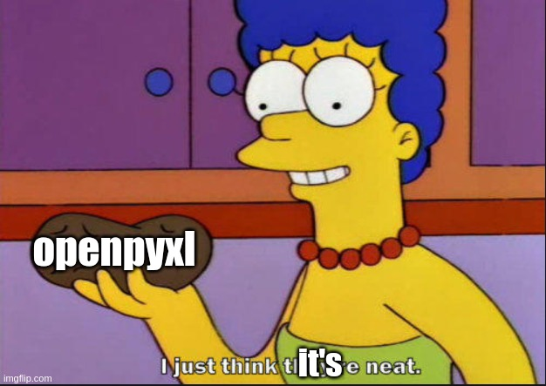 * made with the meme generator at ‘https://imgflip.com/memegenerator’
Q: Why use ‘openpyxl’ in particular? A: There are a number of alternative libraries, many open-source, though ‘openpyxl’ seems to me the most flexible because: * it can work with most relevant spreadsheet formats unlike many; * it can also work with not only the data in spreadsheets, but the styles (font and background properties etc.) it is variously written in too, unlike ‘pyexcel’; * it can both read and write; ‘XlsxWriter’ is another popular library but it can only create new spreadsheets, not work with existing ones (the ‘XlsxWriter’ documentation doesn’t make that major disadvantage very clear either, so watch out!).
Links:
Site listing some popular open-source Python libraries to work with Excel files
'pyexcel' library landing page
'XlsxWriter' library landing page

Setup of this demo:
* We will be using an external Python script using ‘openpyxl’ to read, write and edit this spreadsheet as an example spreadsheet.
* Requirements to follow along this demo are (1) a spreadsheet tool like Excel or LibreOffice Calc and (2) a Python environment with ‘openpyxl’ installed.

