Sheet3
QA
Bug ID | Module Name | Build No | Description | TCID | Steps to replicate bug | Screenshot | Severity | Priority | Reported By | Assigned To | Resolution | Status | Fixed Date
ORHRM_001 | Orange HRM-Myinfo | 1 | Dashboard is displayed after login is successful instead of Nyinfo page | TC_Myinfo_001 | 1)Launch browser 2)Open URL "https://opensourcedemo.orangehrmlive.com" 3)provide valid ESS user name 4)provide valid password 5)Click on Login button. | 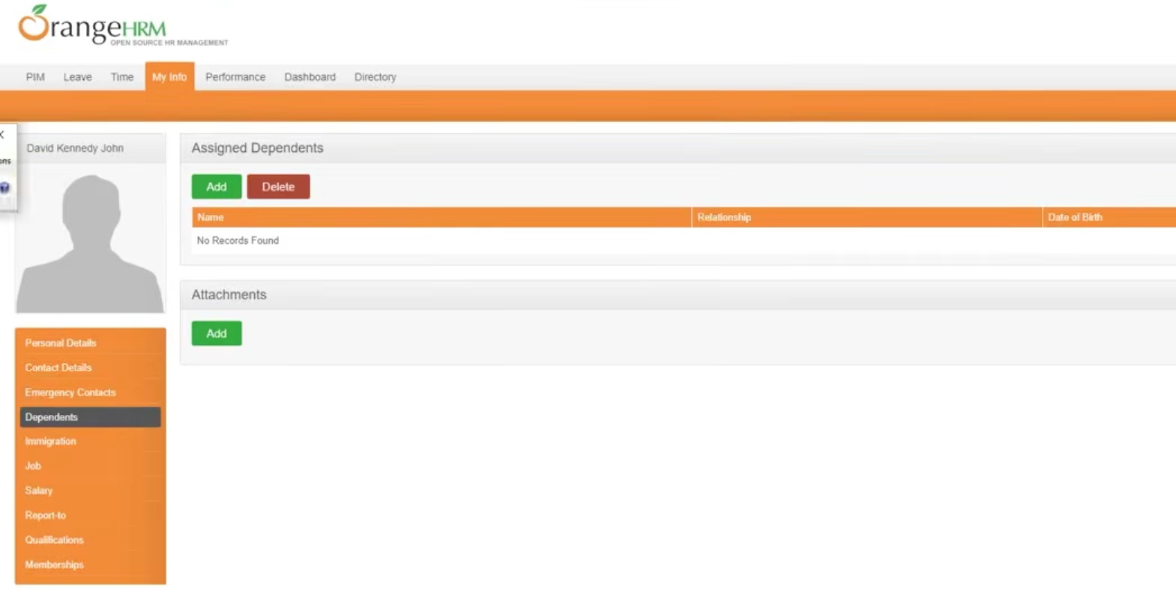 | S3 | P3 | Pavan | John | Accepted | InProgress
ORHRM_002 | Orange HRM-Myinfo | 1 | The invalid file format error message for invalid photograph is appearing after the upload is complete. | TC_Myinfo_008 | 1)Login to OrangeHRM as ESS user 2)Click on Myinfo tab 3)Click on the photograph at corner of the screen 4)Click "Browse" and then select a photograph from the relevant path 5)Click "Upload" once you have selected the picture. |  | S3 | P3 | Pavan | John | Accepted | Accepted

