Outcome
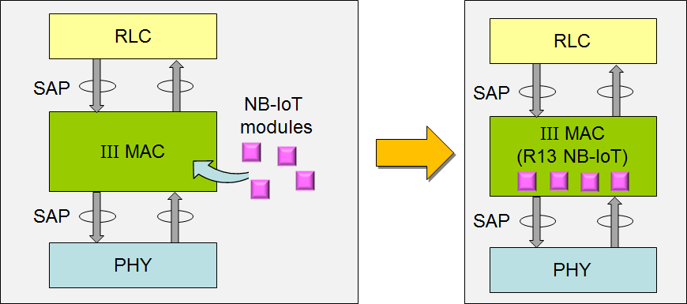
The expected deliverables for this project are summarized below
1. A service access point (SAP) document of the OAI MAC layer
2. A design document (DD) of the OAI MAC layer
3. A list of modifications to support NB-IOT based on OAI MAC
4. NB-IoT MAC modules required by III for R13 NB-IoT eNB, as illustrated in Fig. 10

 | Figure 10. Expected deliverable of this project (Source: III)

NB-IoT-Partition
NB-IoT eNB Partition
Spec Modification |  |  |  |  |  | Person in charge/Assist
Item # (Priority) | Main Item | MAC Procedure | Mapping Procedure to SDL Blocks in MAC System | Modification Feature | Note
1(High) | MIB/SIB Procedure | MIB/SIB-Config | SI_Process Configuration | 1.MIB/SIB Timing 2.MIB/SIB Process 3.MIB/SIB Parameters | 1.NB-SIB 2 3 4 5 14 16 Config 2.RadioResourceConfigCommonSIB-NB | 達昊/暐太
2(High) | RA procedure | RA Schedule | RA_Process | 1.Initial RA Process 2.Preamble selection 3.RAR Process 4.Msg3 Process 5.Msg4 Process | 1.Need Repetition from Msg1 to Msg4 2.DVI and PHR in Msg3 | 宛融/秉志
 |  | RA Config | Configuration | 1.NPACH Config 2.RACH Config | NPRACH-ConfigSIB-NB RACH-ConfigCommon-NB | 宛融/秉志
3(Medium) | HARQ Procedure | UL Schedule | ULSCH_Process | 1.UL Grant reception 2.UL HARQ Operation 3.BSR/LCP | 1.NPUSCH Format1/2 2.UL Repetition Procedure 3.No SR Procedure | 忠穎/庭瑜
 |  | DL Schedule | DLSCH_Process | 1.DL Assignment reception 2.DL HARQ Operation | 1.DL Repetition Procedure | 天仁/韋傑
 |  | DCI Format | DLSCH_Process ULSCH_Process | 1.Format N0 2.Format N1 3.Format N2 | 1.Sche NPUSCH 2. Sche NPDSCH or RA Proc. initiated by a NPDCCH order 3.Sche paging or direct indication | 忠穎/韋傑
Not Sure if need to do
4(Low) | RRC Configuration related to PHY/MAC | MAC Config | Configuration | 1.MAC-MainConfig-NB | N/A | 暐太/庭瑜
 |  | Configuration | Carrier Config | 1.CarrierConfigDedicated-NB 2.CarrierFreq-NB
 |  | Configuration | DL Resource Config | 1.DL-Bitmap-NB 2.DL-GapConfig-NB
 |  | Configuration MAC_PHY_Interface | Physical Config | 1.NPDCCH-ConfigDedicated-NB 2.NPDSCH-ConfigCommon-NB 3.NPUSCH-Config-NB 4.PhysicalConfigDedicated-NB
 |  | Configuration | UL Resource Config | 1.UplinkPowerControl-NB 2.LogicalChannelConfig-NB
Not Started
 |  | Other Protocol Layer
 |  | RLC Layer |  |  | 達昊/庭瑜
 |  | PDCP Layer |  |  | 宛融/庭瑜
 |  | RRC Layer |  |  | 暐太/韋傑

