Sheet1
Accuracy of Different ML classifiers
 | Accuracy
 | TFIDF | Count vector
Random Forest tree | 0.69 | 0.71
Decision tree | 0.61 | 0.63
Support Vector Machine | 0.63 | 0.62
Multinomial Naïve Bayes | 0.45 | 0.75
Guassian bayesian | 0.71 | 0.73

TF-IDF Precision with different ML classifiers

 |  | PRECISION with TFIDF | TF-IDF

 | Positive Tweets | Negative Tweets | Neutral Tweets
Random Forest tree | 0.69 | 0.53 | 0.79
Decision tree | 0.73 | 0.43 | 0.93
Support Vector Machine | 0.55 | 0.56 | 0.99
Multinomial Naïve Bayesian | 0.42 | 0.5 | 0.99
Guassian Bayesian | 0.86 | 0.42 | 0.93

Precision of Count vector on different ML classifiers
 |  | PRECISION with TFIDF | Count Vectorization

 | Positive Tweets | Negative Tweets | Neutral Tweets
Random Forest tree | 0.67 | 0.58 | 0.83
Decision tree | 0.78 | 0.35 | 0.88
Support Vector Machine | 0.59 | 0.5 | 0.99
Multinomial Naïve Bayesian | 0.84 | 0.52 | 0.99
Guassian Bayesian | 0.88 | 0.5 | 0.93

 |  | Word cloud : Neutral (0) words value

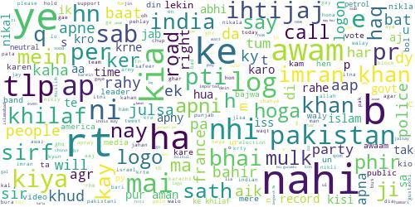

 |  | Word cloud : Negative (-1) words value

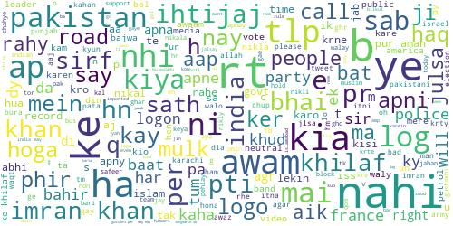

 |  | Word cloud : Partial Negative (-0.5) words value

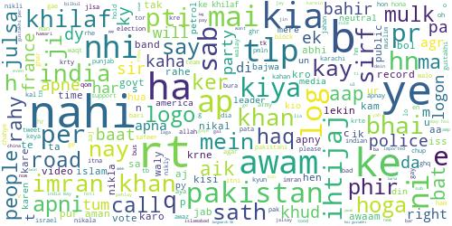

 |  | Word cloud : Partially positive(0.5) words value

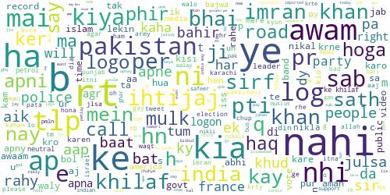

 |  | Word cloud : Partially positive(1) words value

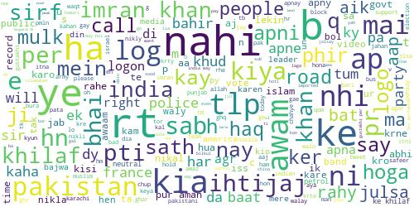

 |  |  |  | Roman Urdu | English
 |  |  |  | Jalsa | Assembly
 |  |  |  | jaloos | Procession
 |  |  |  | Ehtejaaj | Protest
 |  |  |  | Dharna | Sit in
 |  |  |  | Rally | Rally
 |  |  |  | Taweel March | Long March

