Home
Bulk edit homepage

Instructions
Export
Please read all the instructions on this page before making any edits. Before you do anything, make sure you open this workbook in the desktop version of excel, save the workbook in a memorable location and have macros enabled. To prevent issues with connecting to cloud-based storage, it is highly recommended that you save the workbook to a local folder location on your PC. To export your hazards: • Select the 'Data' button on the ribbon • Select 'From Text/CSV' • Navigate to your 'Downloads' folder, where you will find a CSV file labelled 'safetibase_export_xxxxxxxxxxxxx'. Select this file • When the pop-up appears, make sure delimiter is set to comma then click 'Load' • Once the file has loaded you will see it appear on the sheets list as 'safetibase_export_xxxxxxxxxxxxx' • Rename the sheet to 'cdmHazards' and click the 'Export' button

 |  | If you are unable to select the 'From Text/CSV' button or are unable to rename the sheet, please click the 'Export' button and try again.

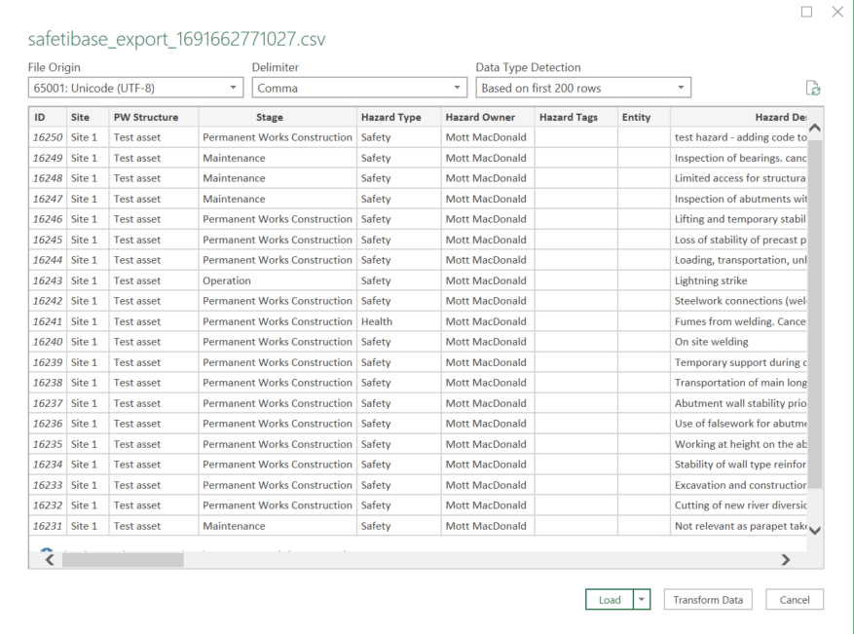

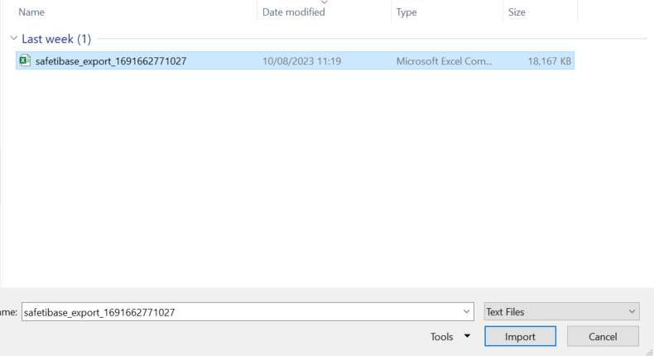

The export button will also create an additional log file in excel workbook, saved in the same file location as this workbook (downloads folder if the excel workbook has not been saved elsewhere), which logs the ID numbers of the hazards you have edited and reviewed. Do not delete or edit this file. If you move this workbook to a different location, ensure you have the log for the sheet you generated saved in the same location. Select the sheet labelled 'Hazards dd-mm-yy hh-mm-ss' to edit your hazards. If you wish to generate a new sheet which does not include any edits you have made, you can click the export button again and a new sheet will be created. The worksheet has columns to edit descriptions, change the hazard's Initial and Residual Risk Scores by inputting new Likelihood and Severity scores, advance the hazard through the workflow by inputting the names of the peer reviewers and design managers who review the hazards, among other features akin to the safetibase site. If you wish to input the same value into a column that uses dropdowns multiple times, you can copy and paste instead of dragging down. A link to the ProjectWise meeting must be provided in the column titled 'PW Links' for each hazard you review. This template cannot be used for rejecting/submitting a change request or editing RAMS hazards.

 |  |  | Risk Scores The categories and the corresponding descriptions are as follows:

Import
To upload the fully edited sheet to safetibase: • Select the sheet you have edited from the black dropdown below • Click the 'Upload' button. This will save a file named 'csv to upload dd-mm-yy hh-mm-ss' to the file location this workbook is saved at. • Upload this csv file to the SafetIbase site • A log file will be auto downloaded to your PC which shows the status of the updates submitted to Safetibase. You can review the log data to identify updates that were sucessful or failed.

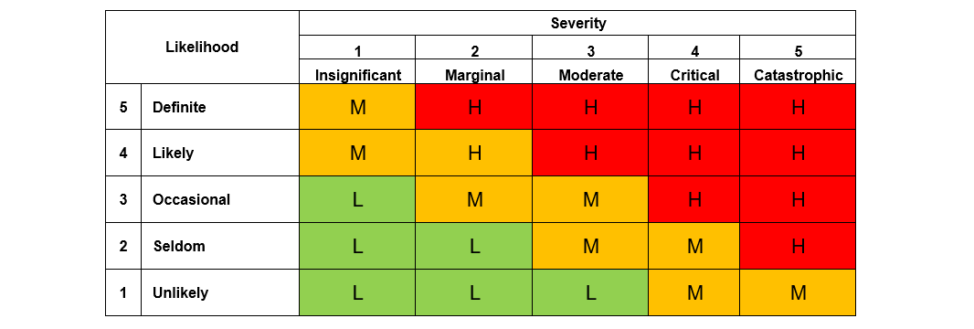

All export sheets | Select Sheet:

