User
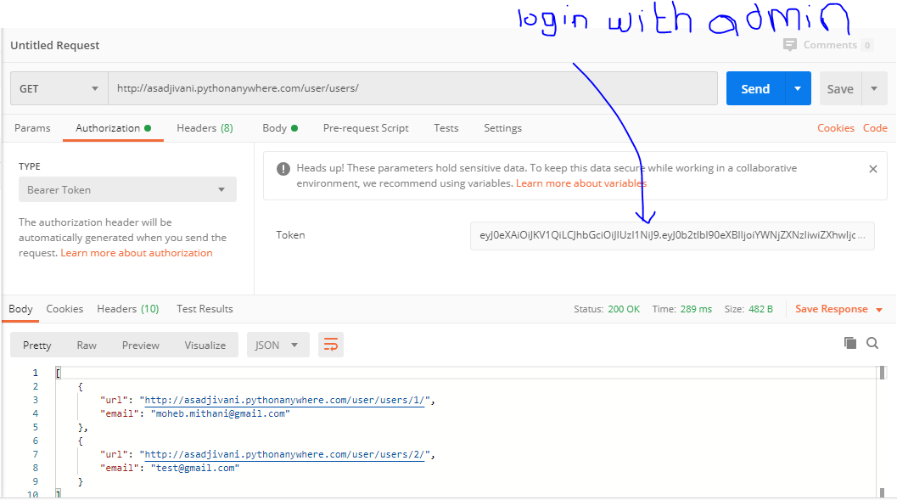
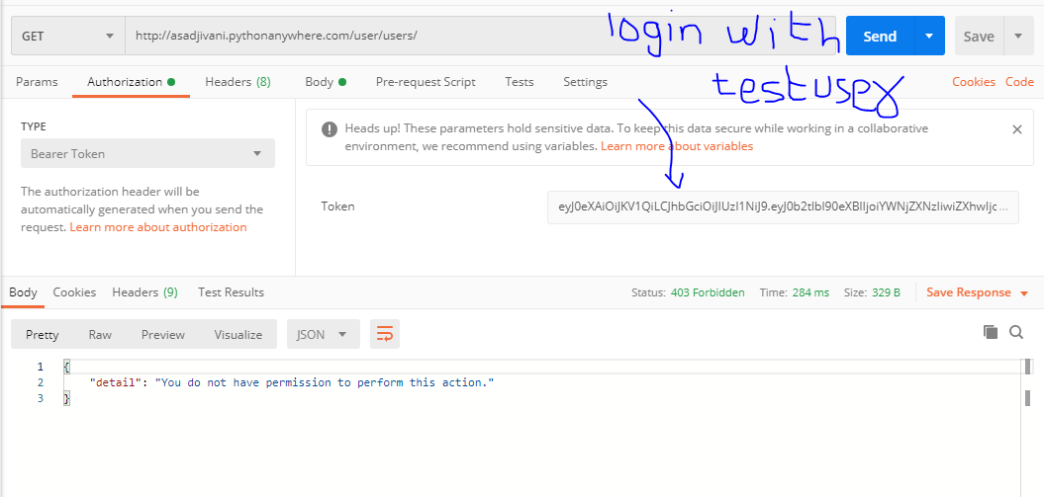
REGISTER A USER
api: | http://asadjivani.pythonanywhere.com/user/users/
method: | post
body: | email & password
response: | url & email

USER LOGIN
api: | http://asadjivani.pythonanywhere.com/user/token/
method: | post
body: | email & password
response: | refresh and access

REFRESH TOKEN
api: | http://asadjivani.pythonanywhere.com/user/token/refresh/
method: | post
body: | refresh
response: | access

GET A LIST OF USERS
api: | http://asadjivani.pythonanywhere.com/user/users/
method: | get
body: | nothing
authorization: | Bearer Token
response: | list of users with hyperlink and email

Hotel
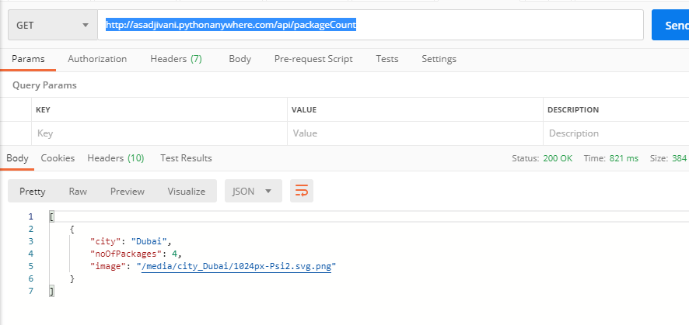
PACKAGE TYPES
api: | http://asadjivani.pythonanywhere.com/api/package_types/
method: | get
body: | name of package types

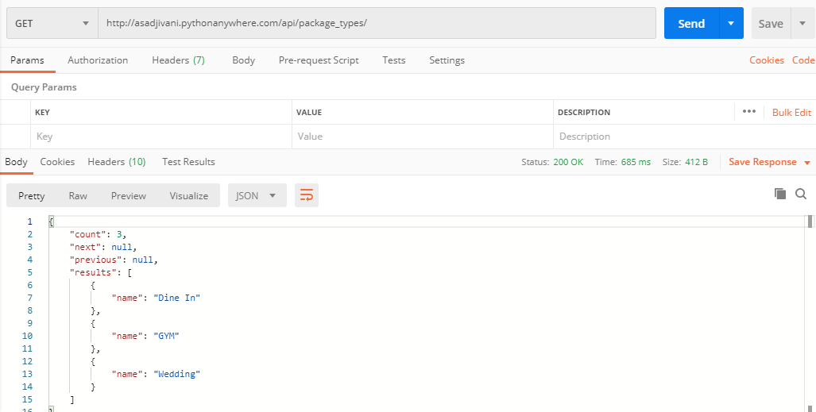

PACKAGES
api: | http://asadjivani.pythonanywhere.com/api/packages/?type=Wedding&city=Dubai
method: | get
Filters | type for package type and city for city

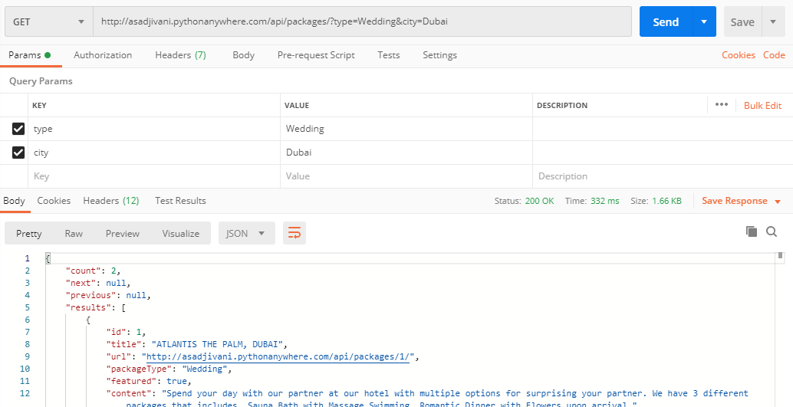

PACKAGE COUNT
api: | http://asadjivani.pythonanywhere.com/api/packageCount
method: | get
result | package count, city name and image

