Sheet1
DATA |  | Age |  | Income | Students | Credit Rating | Buys Computer | NAIVE BAYES MODEL | Buys Computer | Buys |  | Yes | No
 | 1 | <= | 30 | High | No | Fair | No |  | Yes | 47%
 | 2 | <= | 30 | High | Yes | Excellent | Yes |  | No | 53%
 | 3 | <= | 40 | Medium | No | Excellent | Yes |  |  | 100%
 | 4 | <= | 50 | Low | No | Excellent | No |  | Age | Buys | No Buys
 | 5 | <= | 20 | Low | Yes | Fair | No |  | 20 | 29% | 25%
 | 6 | <= | 20 | Low | No | Fair | Yes |  | 30 | 43% | 38%
 | 7 | <= | 30 | Medium | No | Excellent | Yes |  | 40 | 29% | 13%
 | 8 | <= | 20 | Medium | Yes | Fair | Yes |  | 50 | 0% | 25%
 | 9 | <= | 20 | Medium | Yes | Excellent | No |  |  | 100% | 100%
 | 10 | <= | 50 | Medium | No | Excellent | No |  | Income | Buys | No Buys
 | 11 | <= | 40 | High | Yes | Excellent | No |  | High | 43% | 25%
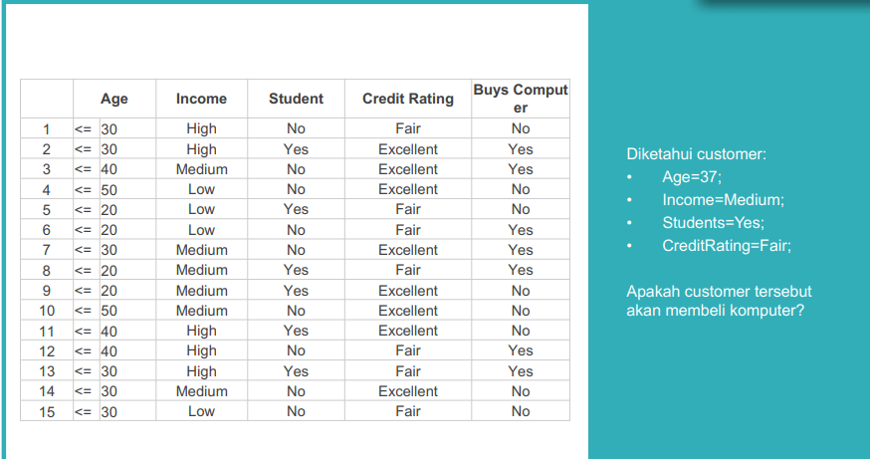
 | 12 | <= | 40 | High | No | Fair | Yes |  | Medium | 43% | 38%
 | 13 | <= | 30 | High | Yes | Fair | Yes |  | Low | 14% | 38%
 | 14 | <= | 30 | Medium | No | Excellent | No |  |  | 100% | 100%
 | 15 | <= | 30 | Low | No | Fair | No |  | Students | Buys | No Buys
 |  |  |  |  |  |  |  |  | Yes | 43% | 38%
 |  |  |  |  |  |  |  |  | No | 57% | 63%
 |  |  |  |  |  |  |  |  |  | 100% | 100%
 |  |  |  |  |  |  |  |  | Credit Rating | Buys | No Buys
 |  |  |  |  |  |  |  |  | Fair | 57% | 38%
 |  |  |  |  |  |  |  |  | Excellent | 43% | 63%
 |  |  |  |  |  |  |  |  |  | 100% | 100%

 |  | Age |  | Income | Students | Credit Rating | Buys Computer | KELAS PREDIKSI | PREDICTION | BUYS YES | BUYS NO |  | 1%
 |  | <= | 30 | Medium | Yes | Fair | Yes |  | No | 2% | 2%
 |  | <= | 40 | Medium | Yes | Fair | Yes |  | No | 1% | 2%

 | TESTING DATA | <= | 30 | High | No | Fair | No |  | No | 3% | 3%
 |  | <= | 30 | High | Yes | Excellent | Yes |  | No | 2% | 2%
 |  | <= | 40 | Medium | No | Excellent | Yes |  | No | 1% | 2%
 |  | <= | 50 | Low | No | Excellent | No |  | No | 0% | 0%
 |  | <= | 20 | Low | Yes | Fair | No |  | No | 0% | 1%
 |  | <= | 20 | Low | No | Fair | Yes |  | No | 1% | 1%
 |  | <= | 30 | Medium | No | Excellent | Yes |  | No | 2% | 2%
 |  | <= | 20 | Medium | Yes | Fair | Yes |  | No | 1% | 2%
 |  | <= | 20 | Medium | Yes | Excellent | No |  | No | 1% | 1%
 |  | <= | 50 | Medium | No | Excellent | No |  | No | 0% | 0%
 |  | <= | 40 | High | Yes | Excellent | No |  | No | 1% | 1%
 |  | <= | 40 | High | No | Fair | Yes |  | No | 2% | 2%
 |  | <= | 30 | High | Yes | Fair | Yes |  | No | 2% | 2%
 |  | <= | 30 | Medium | No | Excellent | No |  | No | 2% | 2%
 |  | <= | 30 | Low | No | Fair | No |  | No | 1% | 1%

 |  |  |  |  |  |  |  | CONFUSION TABLE |  | KELAS
 |  |  |  | Accurancy | 100% |  |  |  | Prediksi | Yes | No
 |  |  |  |  |  |  |  |  | Yes | 0 | 0
 |  |  |  |  |  |  |  |  | No | 0 | 8

