PRD
Product Requirement Document (PRD) - Version: 1.0

Template Name |  | Hotel & Car Booking system
Goals & Objective |  | The aim of this website is to facilitate hotel & car bookings for users and manage service owners. From this website, User/Owners/Admin can: -User can swiftly search and book hotels, rent car . -Hotel Owner/Car Owner can list, edit, and manage the availability and details of hotel,car. -User can explore various deals, promotions.
Client Information |  |  |  |  | Name | ID
Product Type |  | Web Application |  |  | SAKIB, SAFKAT MAHMUD | 21-44389-1
Domain |  | Web2 |  |  | SOUMIK, SK.MD AL OWASI | 21-44424-1
Access Layers |  | User, Hotel Owner, Car Owner, Admin |  |  | AHMAD, ASIF | 21-44388-1
Design Required |  | Yes

Phase | Item No | Specification [Role] | Screen Definition | User Story | Acceptance Criteria | UI Screen / Wireframe | Tags
Feature: 1 |  | Auth Feature
phase 1 | 1 | Registration [User] | <Form> <input=name> <input=email> <input=gender> <input=dob> <input=password> <input=re-password> <button=register> <link=login> | -Enter Full Name, Email, Gender, Date of Birth, Password, and Confirm Password. -Click Register. -If the email is unique, user/admin will be registered in the system (database). -If already have an account, click Login to be redirected to the Login page | -All fields must be filled, otherwise, show an 'All fields are required' message. -Email field should only accept a valid unregistered email address, otherwise, show an 'Email already used' message. -Password should be a minimum of 8 characters long with at least one special character, otherwise show an invalid message. -Confirm Password should match Password, otherwise show 'Passwords do not match' message. -On successful registration, credentials will be stored in the database, and the user will be redirected to login page. | 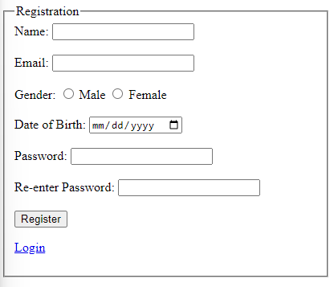 | signup
phase 1 | 2 | Registration [Hotel Owner] [Car Owner] | <Form> <input=name> <input=email> <input=gender> <input=dob> <input=password> <input=re-password> <input=owner-type> <button=register> <link=login> | -Enter Full Name, Email, Gender, Date of Birth, Password, and Confirm Password. -Choose owner-type [Hotel Owner] [Car Owner]. -Click Register. -If already have an account, click Login to be redirected to the Login page | -All fields must be filled, otherwise, show an 'All fields are required' message. -Email field should only accept a valid unregistered email address, otherwise, show an 'Email already used' message. -Password should be a minimum of 8 characters long with at least one special character, otherwise show an invalid message. -Confirm Password should match Password, otherwise show 'Passwords do not match' message. -Owner-type must be selected; otherwise, show 'Please select a Owner type' message. -On successful registration, credentials will be stored in the database, and the owner will be redirected to login . | 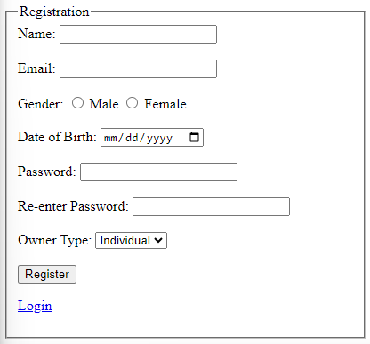 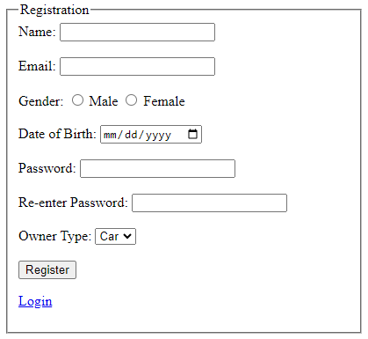 | signup
phase 1 | 3 | Login [Hotel Owner] [Car Owner][Bus Owner][User] [Admin] | <Form> <input=email> <input=password> <option=remember_me> <button=login> <link=register> <link=forgot_password> | -Enter Email and Password. -Click Login. -If Email and Password match with database credentials, user/admin/hotel owner/car owner/bus owner will be redirected to their dashboard. -If user/admin/hotel owner/car owner/bus owner don't have an account, click Register to be redirected to the Registration page. -If forgot password, click Forgot Password to be redirected to the password recovery page. | -Email and Password must be filled; otherwise, show 'All fields are required' message. -Email and Password must match database credentials; otherwise, show 'Email or Password does not match!' message. -Remember Me option, if selected, should keep the user logged in even after closing the browser until explicitly logged out. -On successful login, redirect to the dashboard. -Clicking Register should take the user to the registration page. -Clicking Forgot Password should take the user to the password recovery page. | 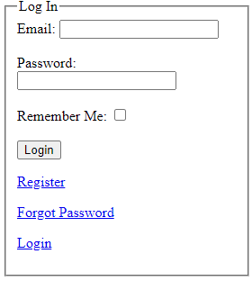 | signin
phase 1 | 4 | Forgot password [Hotel Owner] [Car Owner][User] [Admin] | <Form> <input=email> <button=send code> <input=code> <input=password> <input=confirm Password> <button=submit> | -Enter registered Email and click Send Code. -Receive a code in the entered email. -Enter the received Code. -Enter a New Password and Confirm the New Password. -Click Submit to update the password. | -The email must match a registered email in the database; otherwise, prompt 'No email found!' message. -After pressing Send Code, if the email exists in the database, a code is sent to the provided email and a 'Code Sent!' message is displayed. -The received code should be correctly entered; if not, a ‘Invalid Code’ message should be displayed. -New Password should be at least 8 characters long, containing at least one special character; otherwise, display an invalid message. -Confirm Password should match New Password; otherwise, display 'Passwords do not match!' message. -Clicking the Submit button after entering the correct information will update the password in the database and display 'Password Changed Successfully!' message. -If any error occurs during the process, an appropriate error message should be displayed indicating what's wrong. | 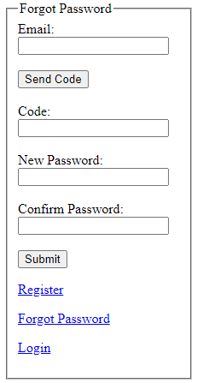 | forgot_pass
Feature: 2 |  | Hotel & Car Rent Searching
phase 2 | 5 | Hotel Searching [User] | <Form> <Select=City> <input=Check in Date> <input=Check out Date> <button=Search> </Form> | - Enter search criteria in the search bar and apply filters to find hotels. | - Users be able to enter search criteria and apply filters. - Search results displayed based on the entered criteria and filters. | 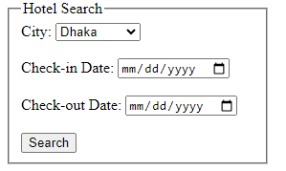 | Search
phase 2 | 6 | Car Rent Searching [User] | <Form> <Select=City> <input=Number Of Day> <button=Search> </Form> | - Enter search criteria in the search bar and apply filters to find car rentals. | - Users should be able to enter search criteria and apply filters. - Search results should be displayed based on the entered criteria and filters. -The search results provided should be accurate. -User should be able to book directly from the search results. -Error messages should be clear if the search does not yield any results or if there is any missing information. | 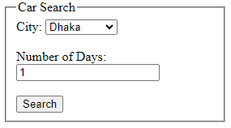 | Search
Feature: 3 |  | Hotel & Car Rent Booking
phase 3 | 8 | Hotel Booking [User] | <Form> <view=hotel details > <button=confirm> | - View hotel details and select booking options. - Enter booking details and confirm the booking. | - Users should see detailed information about the selected hotel. - Users should be able to enter booking details and confirm the booking. | 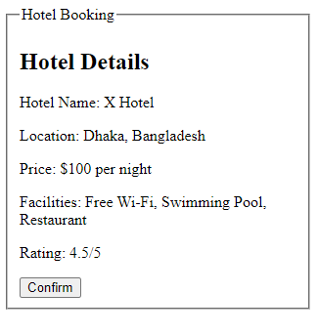 | Book
phase 3 | 9 | Car Rent Booking [User] | <Form> <view=car details > <button=confirm> | - View car rental details and select booking options. - Enter booking details and confirm the booking. | - Users should see detailed information about the selected car rental. - Users should be able to enter booking details and confirm the booking. | 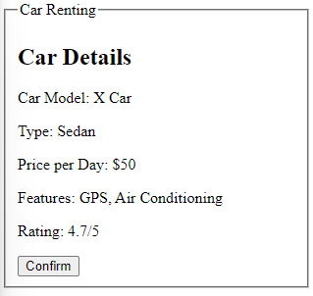 | Book
Feature: 5 |  | Invoice
phase 5 | 12 | Invoice [User] | <Form> <view=booking details > <button=print> | - View the invoice for a completed booking. | - Users should see the invoice details for a completed booking. | 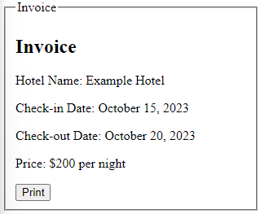 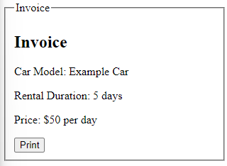 | Reciept
Feature: 6 |  | Payment
phase 6 | 13 | Payment [User] | <Form> <input=amount> <radio button=payment_method> <options=card, mobile banking, cash> <button=pay> | -After selecting the desired service and confirming the booking, navigate to the 'Payment Options' section. -Choose from the available payment methods: card, mobile banking, or cash. -Confirm the payment by clicking the 'Pay' button | - Users should be able to enter payment details and successfully make a payment. | 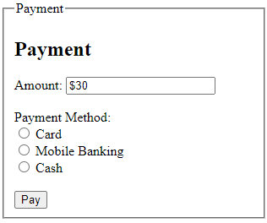 | Pay
Feature: 7 |  | Booking History
phase 3 | 14 | Booking History [User] | <Section> <table> <header=Booking ID, Date, Service, Status> <row=Individual booking records> <link=View Details> </table> </Section> | -Navigate to the 'Booking History' section. -Review listed bookings, each specified with unique Booking ID, date of booking, type of service (Accommodation/Car Rental), and the current status of the booking. -For more details or actions related to a specific booking, click on the corresponding 'View Details'. -The listing will be updated regularly to represent the most accurate and current booking records. -Invalid or erroneous booking records won't appear in the listing." | - Clicking on 'View Details' for any booking should provide an expanded view or redirect to a detailed page with all related information and actions for that specific booking. - The listing should be updated in real-time, reflecting the most accurate and current booking records. - Any invalid or erroneous booking record should not be displayed in the user's booking history. |  | History
Feature: 8 |  | Advanced Search and Filters
phase 3 | 15 | Advanced Search and Filters [User] | <Form> <select=price_range> <select=sort> <button=Search> | -Enter specific criteria such as location, date, type of service, price range, etc. -Apply filters to refine search results based on preferences like cost, ratings, distance, etc. -View the refined list of options based on the entered criteria and applied filters. -If desired options are found, proceed to view details or book the service. -If no suitable results are found, modify the search criteria or filters and search again. | -The user must be able to input specific details such as destination, dates, and number of people to tailor the search results to their needs. -The system should provide various filters like sorting, price range to allow users to refine their search results further. -Upon applying the specified criteria and executing a 'Search', the displayed results should accurately reflect the user's specified preferences and criteria. | 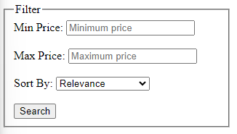 | Filter
Feature: 9 |  | Notification
phase 2 | 16 | Notification[Hotel Owner] [Car Owner] | <NotificationsScreen> <section=notification_list> <list> <notification> Title Message Timestamp <button=mark_as_read> <button=view_detail> </notification> </list> </NotificationsScreen> | -Accessing the Notifications section provides users with a chronological list of all notifications, each displaying its title, message, and timestamp, ensuring that the user stays updated on all platform activties and messages. -Clicking 'mark as read' allows to acknowledge individual notifications, altering their status to 'read', ensuring an organized view of all notifications. | -All notifications should be listed chronologically, with the most recent at the top. -Each notification should display its title, message, and timestamp. -Notifications should have a distinguishable state, indicating whether they've been read or unread. -Clicking on 'mark as read' should change the notification status to 'read'. | 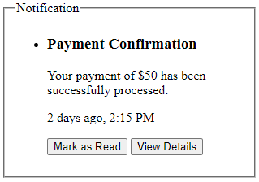 | Notifiacation
Feature: 10 |  | Profile Management
phase 2 | 17 | View Profile[Hotel Owner] [Car Owner][user] | <section=view_profile> <table> Name Email Phone Date of Birth Gender <button=edit> </table> </section> | - Full name of user (view) - phone number of user (view) - date of birth of user (view) - gender of user (view) - edit (link button) | All user details should be correctly displayed, with no null values. Clicking on 'edit' should navigate to the edit profile section. | 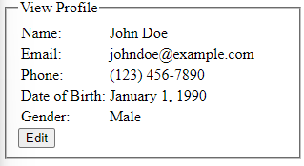 | Profile
phase 2 | 18 | Edit Profile[Hotel Owner] [Car Owner][user] | <section=edit_profile> <table> <input=Name> <input=Email> <input=Phone> <input=Date of Birth> <radio button=Gender> <button=save> </table> </section> | - can edit name - can edit email - can edit phone - can edit date of birth - can edit gender - can click on save button | Users should be able to modify all details. -Clicking 'save' should update the details in the database and provide a success message or an error prompt if inputs are incorrect. | 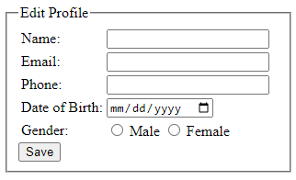 | Profile
phase 2 | 19 | Change Profile Photo[Hotel Owner] [Car Owner][user] | <section=change_photo> <current image> <input type="file"> <button=confirm> </section> | - current image of user is shown - user can choose new photo from device - after choosing new photo, user can confirm by pressing confirm button | The current image or default image should be displayed. The selected file should be in image format [png, jpg]. Clicking 'confirm' should update the image and redirect to the view profile section. |  | Profile
phase 2 | 20 | Change Password[Hotel Owner] [Car Owner][user] | <section=change_password> <input type="password"> Current Password <input type="password"> New Password <input type="password"> Confirm Password <button=change> </section> | - type current password - type new password - type new password again | The current password input should match the database password. New Password should be at least 8 characters long. Confirm Password should match the New Password. Clicking 'change' should update the password in the database and provide appropriate feedback: 'Successfully changed' | 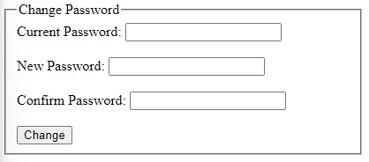 | Profile
Feature: 11 |  | Hotel Management
phase 3 | 21 | Hotel Details[Hotel Owner] | <Form> <input=location> <input=price_per_night> <input=number_of_rooms> <input=images_upload> <button=save_changes> <button=edit_details> | -To list a new accommodation, enter all required details including Name, Location, Price per Night, and then click 'List'. -To edit an existing accommodation, find the listing, update the necessary fields, and then click 'Edit' to save the changes. -Ensure that all changes, additions, are reflected accurately on the user-end. | -The Hotel Owner should be able to list accommodations with all pertinent details like name, location, price per night, clearly and accurately -Each listing should have distinct options to edit the accommodation details, allowing for efficient management of listings. -Edits made to the accommodation details should be updated immediately and reflected accurately in the user view, maintaining the reliability of the displayed | 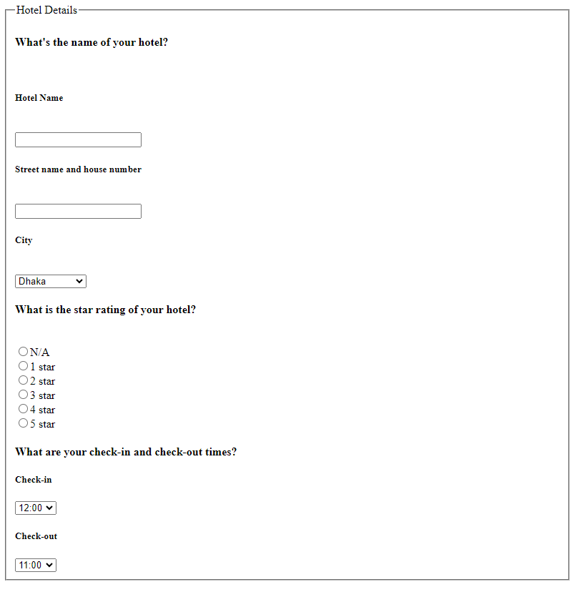 | Hotel
Feature: 12 |  | Room Management
phase 3 | 22 | Room Details[Hotel Owner] | <Form> <input=Room Type> <input=price_per_night> <input=number_of_rooms> <input=Total Rooms> <input=Available_rooms> <button=save_changes> <button=edit_details> | -To list a new room, enter all required details includingRoom Type, price per night, Total Rooms,Available rooms. and then submit. -To edit an existing room, find the listing, update the necessary fields, and then click 'Edit' to save the changes. -Ensure that all changes, additions, are reflected accurately on the user-end. | -The Hotel Owner should be able to list room with all pertinent details like Room Type, price per night, Total Rooms,Available rooms. -Edits made to the accommodation details should be updated immediately and reflected accurately in the user view, maintaining the reliability of the displayed | 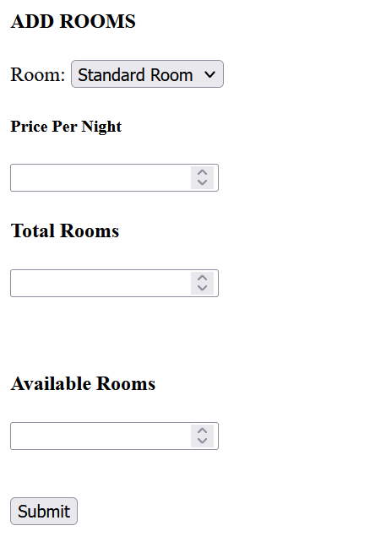 | Room
Feature: 13 |  | Car Management
phase 3 | 23 | Car Rental Details[Car Owner] | <Form> <input=car_model> <input=location> <input=price_per_day> <input=availability> <button=save_changes> <button=edit_details> <button=remove_car_rental> </Form> | ---To list a new car rental, input all necessary details including Car Model, Location, Price per Day, and Availability, and then click 'List'. -To modify an existing car rental, locate the listing, alter the required fields, and then click 'Edit' to confirm the changes. -To delete a car rental, find the listing and click 'Remove'. Verify the action when asked to ensure accuracy. -Ensure that every modification, addition, or deletion of car rentals is instantly and precisely reflected on the user-end. -If any discrepancies or errors occur during any action, scrutinize the details provided and ensure all mandatory fields are completed accurately. -After successful listing, modification, or deletion, check that the correct information is accurately presented in the user view. | --Car Owner should be able to list car rentals with essential details like Car Model, Location, Price per Day, and Availability accurately and distinctly. -Each listing should have separate options to edit or remove car rental details, facilitating smooth management of listings. -Modifications to car rental details should be instantly updated and accurately displayed to users, sustaining the credibility of the platform’s data. -the details should be immediately erased from the platform. -Every action to list, modify, or delete car rentals should maintain the correctness and completeness of the information. -Successful or unsuccessful actions should trigger corresponding feedback messages to the Car Owner. | 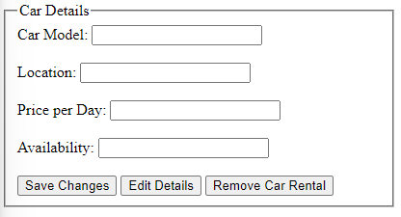 | Bus
Feature: 14 |  | Booking Management
phase 3 | 24 | Booking Manage [Hotel Owner] [Car Owner][Bus Owner] | <Form> <view=booking details> <button=Cancel> | -Owners can see all the bookings. -Owner can be able to manage the bookings. -Owner can cancel any booking that has been made. | -User's booking should be shown in the Booking manage section. -Owner need to click cancel in order to cancel any booking. -The cancellation needs to be shown to user immediately. | 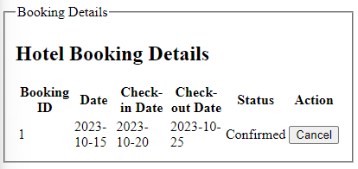 | Booking
Feature: 15 |  | User Management
phase 3 | 25 | Ban User [Admin] | <Form> <view=user details> <button=ban> | -Admin can see all the user info. -Admin can be able to ban a user. | -User's info should be shown in the user manage section. -Admin need to click ban in order to ban any user. |  | Ban
Feature: 16 |  | Owner Management
phase 3 | 26 | Ban Owner [Admin] | <Form> <view=hotel/car/bus details> <button=ban> | -Admin can see all the owner info. -Admin can be able to ban a owner. | -Owner's info should be shown in the user manage section. -Admin need to click ban in order to ban any owner. |  | Ban
Feature: 17 |  | Cancellation
phase 3 | 27 | Cancellation Request [user] | <Form> <option=reason_for_cancellation <button=submit_cancellation_request> | -To submit a cancellation request for a booking, locate the specific Booking. -Select a reason in the provided option for cancellation. -Press 'Submit Cancellation Request' to ensure that the owner receives request for review and processing. | -Submitting the cancellation request should be facilitated by a distinct 'Submit Cancellation Request' button. -The cancellation request should be promptly reflected in the owner panel for immediate review and action. |  | Cancel
phase 3 | 28 | Cancellation Processing [admin] | <Panel> <table=cancellation_requests_list> <button=approve_cancellation> <button=deny_cancellation> | -Owner can be able to see all the cancellation request in the cancel request panel. -Each request will be have a 'Approve' button and 'Deny' button through which owner can be able to approve a cancellation request and also deny/reject a request. | -Each request should be accompanied by button to 'Approve' or 'Deny' the cancellation. -Upon approval or denial of the cancellation request, the user should be notified immediately, and the booking status should be updated accordingly in real-time. |  | Cancel
Feature: 18 |  | Deals and Promotions
phase 3 | 29 | Deals and Promotions [Admin] | <Form> <input=deals> <button=submit> | - The Admin can create/Delete/Modify Deals and Promotion -All the deals and promotion will show in the Home. | -There should be a dedicated section labeled "Deals and Promotion" where Admin can manage deals and promotions. -The deals and promtions will be shown at a space where user be able to see the deals and promotions. | 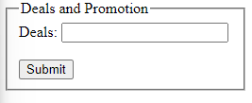 | Deals
Feature: 19 |  | Home
phase 1 | 30 | Top Bar | <Bar=Top_Bar> <logo=StayDriveGo> <link=Home> <icon=User_Profile> <button=Logout> |  |  |  | Bar
phase 1 | 31 | Bottom Bar | <Bar=Bottom_Bar> <link=Terms_and_Conditions> <link=About_Us> <link=Contact_Us> <link=Help> <icon=Social_Media_Links> <text=Copyright_Notice> |  |  |  | Bar
phase 2 | 32 | Menu[Hotel Owner] [Car Owner] [Bus Owner] | <ul> <link>dashboard <link>account <link>notification <link>logout | - Owners can go to the Dashboard by clicking on the link - Owners can see the Notification by clicking on the link - Owners can go to the Account by clicking on the link to manage profile. - Owners can leave the site by clicking on logout. |  |  | Menu
phase 2 | 33 | Menu[User] | <ul> <link>dashboard <link>account <link>notification <link>history <link>logout | - User can go to the Dashboard by clicking on the link - User can see the Notification by clicking on the link - User can go to the Account by clicking on the link to manage profile. - User can check History by clicking on the link - User can leave the site by clicking on logout. |  |  | Menu
phase 2 | 34 | Dashboard [Hotel Owner] [Car Owner][Bus Owner] | <link>Manage Hotel/car/bus <link>Manage Booking | - Owners can manage hotel/car/bus - Owners can manage bookings. |  | 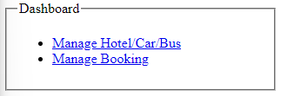 | Dashboard
phase 2 | 35 | Dashboard[User] | <link>Book Hotel <link>Book Car <link>Book Bus | -User can be able to select Car/Bus/ Hotel |  | 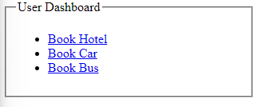 | Dashboard
phase 2 | 36 | Dashboard[Admin] | <link>Manage User <link>Manage Owner <link>Add Deal and Promotion | - Admin can manage users/owners - Owners can add deals and promotion |  | 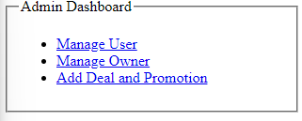 | Dashboard
Feature: 20 |  | FAQ
phase 1 | 37 | FAQ [Admin] | <Page> <list=questions and answers> <link=direct to relevant sections or additional information> | -Admin can insert/update/delete FAQ |  | 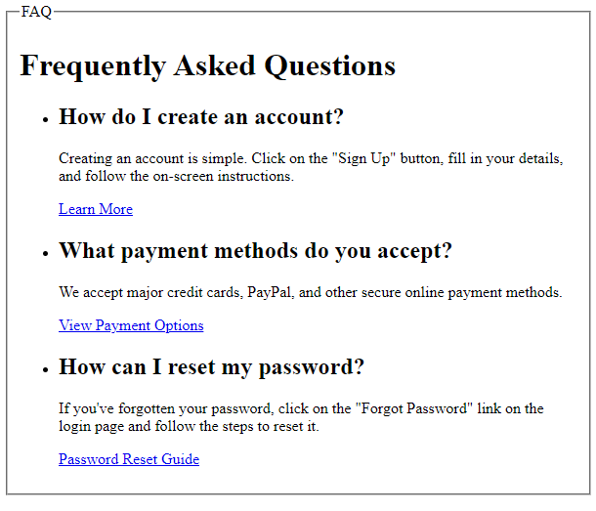 | FAQ
Feature: 21 |  | About
phase 3 | 38 | About | <View> <Image>...</Image> <Text>About:</Text> </View> |  |  |  | About

