Sheet1
HOUSE PRICE PREDICTION
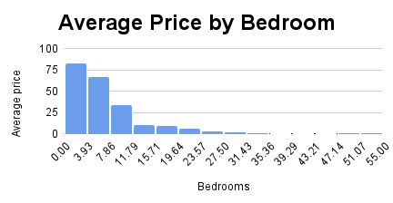 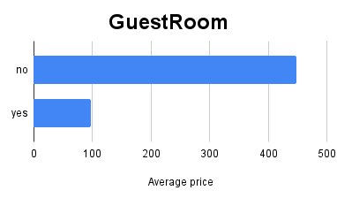 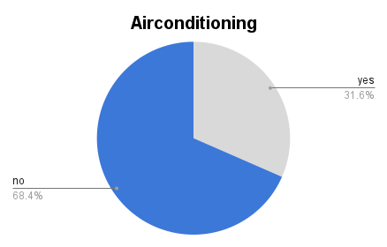 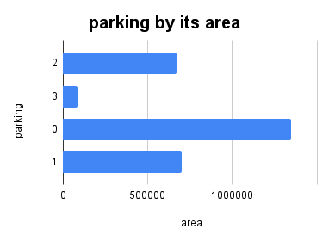

Average price by furnishing

COUNT of area by basement

Sheet2
no, yes and Grand Total

Sheet3
COUNT of area by basement

