Sheet1
Market Basket Analysis
This process of grouping and forming associations among similar products is called association rule mining. Using market basket analysis, we try to identify the strength of association between two products.
Consider the following table to understand the concepts of frequent and sequential item sets.

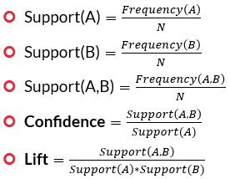
Products | Notation | Item Sets Ordered:
Milk Cartons | A | I1 = {A, B, D} |  | Formula:
Bread | B | I2 = {B, C, G}
Maggi Noodles | C | I3 = {A, B, D, F}
Deodorant | D | I4 = {A, B, E, F}
Water Bottles | E | I5 = {C, D, F, G}
Biscuits | F | I6 = {B, F, G}
Rice | G
 |  | Now, let’s try to understand the terms support, lift and confidence in more detail. Suppose that the aim is to identify the association A → B, i.e. the probability of ordering B once A is ordered. Here, A is called the antecedent and B is called the consequent. Support, lift and confidence can then be calculated as follows:

 |  | Support(A) | 0.5
 |  | Support(B) | 0.83
 |  | Support(A,B) | 0.5
 |  | Confidence | 1
 |  | Lift | 1.2

 |  | Since Lift = 6/5, it is greater than 1. Thus, the association A → B is a good association.

